Model
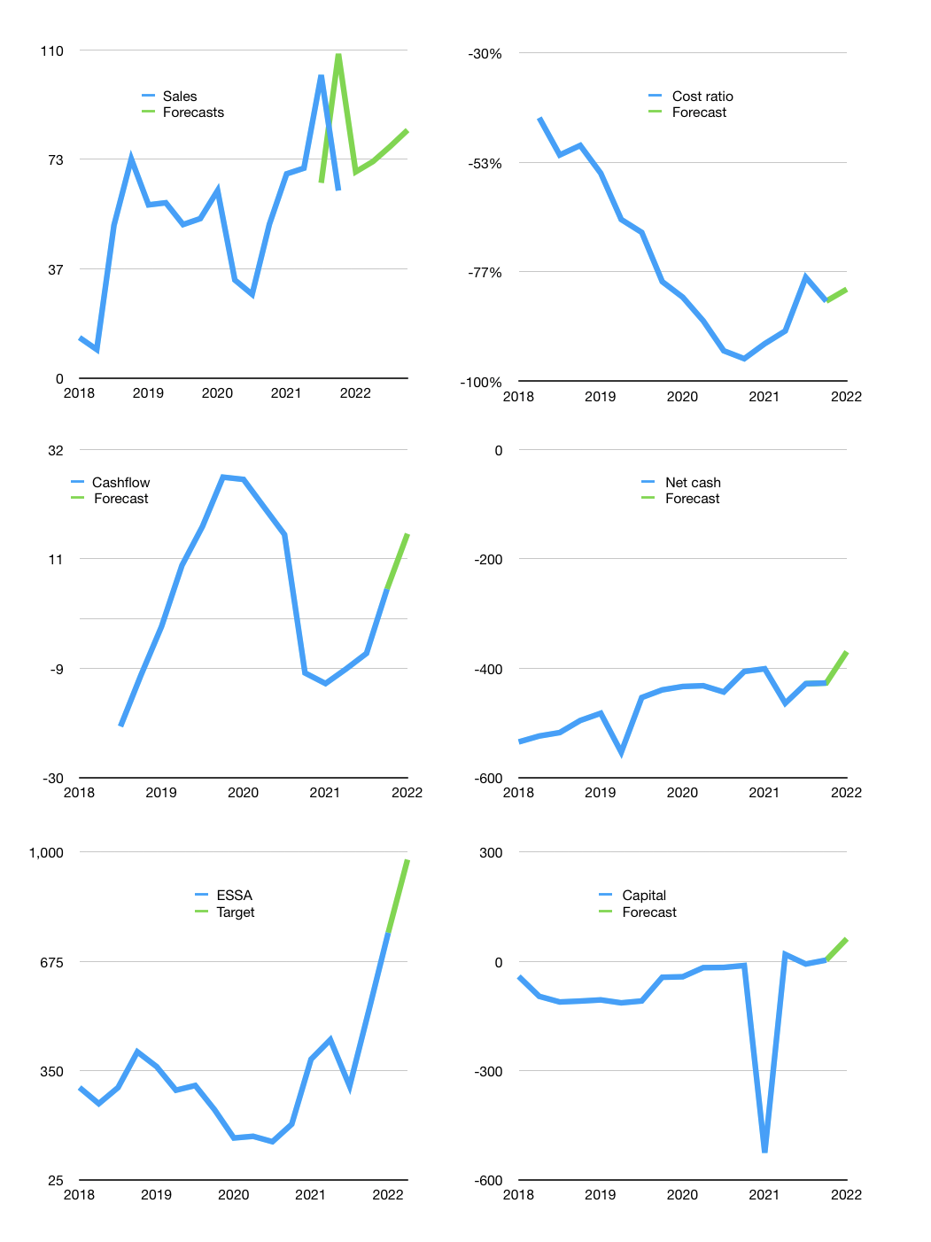
Model
$m |  |  |  | 4Q 2022
Cashflow | 10% |  |  | 7%
Growth | 10.0% | 5% | 7% | 7%
Sales | 69 | 73 | 78 | 83
Cost ratio | -80% | -80% | -80% | -80%
Cash costs | -56 | -58 | -62 | -67
Operating | 14 | 14 | 15 | 16
Investment | 0 | 0 | 0 | 0
Liabilities | -25 | -24 | -23 | -22
Equity | 0 | 0 | 0 | 0
Before revolver | -12 | -10 | -8 | -6
Revolver | 12 | 10 | 8 | 6
Finance | -13 | -14 | -15 | -16
Beginning | 81 | 81 | 81 | 81
Change | 0 | 0 | 0 | 0
Ending | 81 | 81 | 81 | 81
Profit
Non cash costs | -12 | -12 | -12 | -12
Profit | 2 | 2 | 3 | 5
Balance sheet
Other assets | 876 | 876 | 877 | 877
Depreciation | 160 | 172 | 183 | 195
Net other assets | 716 | 705 | 693 | 682
Liabilities | 483 | 458 | 436 | 414
Revolver | 12 | 23 | 31 | 37
Equity | 303 | 305 | 308 | 312
Check | 0 | 0 | 0 | 0
Net cash | -414 | -400 | -385 | -370
Valuation
Rupiah |  |  |  | 14
Capital | 17 | 31 | 46 | 62
Current value |  |  |  | 11,902,284,267,520
Current value |  |  |  | 850
P/assets |  |  |  | 1.11
Yield |  |  |  | 0%
Cashflow |  |  |  | 64
Payback |  |  |  | 11
Valuation |  |  |  | 13
Forecast |  |  |  | 17
Value |  |  |  | 1093
Shares |  |  |  | 16
Target |  |  |  | 977
Current |  |  |  | 760
V target |  |  |  | 29%
12 month growth |  |  |  | 22%
Sales forecasts |  |  |  | 6%

