Model
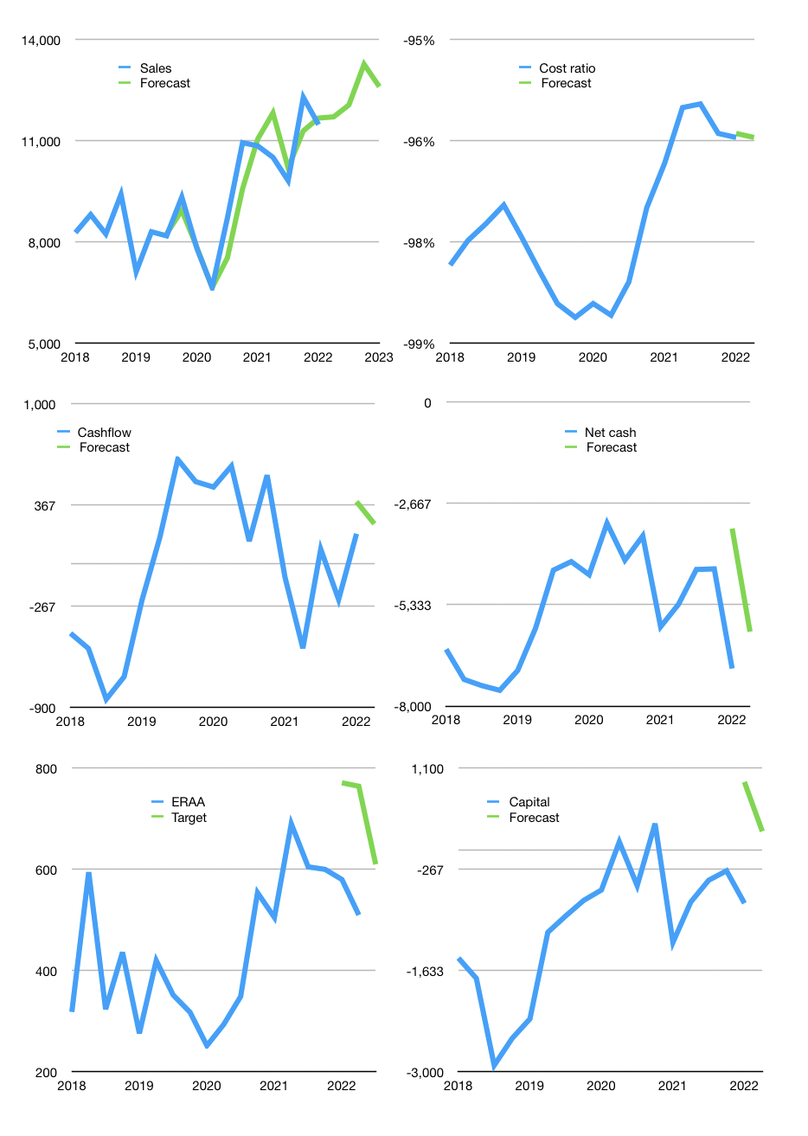
Financial model
Rpbn |  |  | 4Q 2022
Cash flow | 2% |  |  | 3%
Growth | 2% | 3% | 10% | -5%
Sales | 11,709 | 12,061 | 13,267 | 12,603
Cost ratio | -96% | -96% | -96% | -96%
Cash costs | -11,275 | -11,613 | -12,774 | -12,136
Operating | 434 | 447 | 492 | 468
Investment | -218 | -218 | -218 | -218
Finance | -216 | -229 | -274 | -250
Liabilities | -372 | -353 | -336 | -319
Revolver | 155 | 124 | 61 | 69
Payout | 0.0
Equity | 0 | 0 | 0 | 0
Before revolver | -155 | -124 | -61 | -69
Beginning | 425 | 425 | 425 | 425
Change | 0 | 0 | 0 | 0
Ending | 425 | 425 | 425 | 425
Profit
Non cash costs | -160 | -160 | -160 | -160
Net profit | 274 | 287 | 332 | 307
Balance sheet
Other assets | 14,727 | 14,945 | 15,163 | 15,381
Depreciation | 882 | 1,043 | 1,203 | 1,364
Net other assets | 13,845 | 13,902 | 13,960 | 14,017
Liabilities | 7,065 | 6,712 | 6,376 | 6,057
Revolver | 155 | 279 | 341 | 410
Equity | 7,049 | 7,336 | 7,668 | 7,975
Check | 0 | 0 | 0 | 0
Net cash | -6,796 | -6,566 | -6,292 | -6,042
Valuation
Capital | -507 | -277 | -3 | 246
Current value |  |  |  | 8,108,235,048,960
Current value |  |  |  | 8,108
P/assets |  |  |  | 0.56
Yield |  |  |  | 0%
Cashflow |  |  |  | 970
Payback |  |  |  | 14
Valuation |  |  |  | 8
Forecast |  |  |  | 10
Value |  |  |  | 9,698
Shares |  |  |  | 16
Target |  |  |  | 610
Current |  |  |  | 510
V target |  |  |  | 20%
12 month growth |  |  |  | 6%
Sales v forecast |  |  |  | -2%

Balance sheet
Balance sheet
Rpbn | Cash | Assets | Other assets | Depreciation | Liabilities | Equity | Check | Net cash | Forecast
2015 | 175 | 6,258 | 6,083 |  | 3,170 | 3,088 | 1 | -2,995
 | 84 | 6,565 | 6,480 |  | 3,491 | 3,074 | 1 | -3,407
 | 91 | 6,413 | 6,323 |  | 3,291 | 3,122 | 0 | -3,200
 | 127 | 7,800 | 7,674 |  | 4,595 | 3,205 | 0 | -4,468
2016 | 86 | 7,627 | 7,541 |  | 4,362 | 3,265 | 0 | -4,276
 | 151 | 7,591 | 7,440 |  | 4,319 | 3,271 | -1 | -4,168
 | 108 | 6,723 | 6,615 |  | 3,385 | 3,337 | -1 | -3,277
 | 615 | 7,425 | 6,810 |  | 4,015 | 3,409 | -1 | -3,401
2017 | 93 | 7,554 | 7,462 |  | 4,077 | 3,478 | 1 | -3,985
 | 313 | 7,414 | 7,101 |  | 3,860 | 3,554 | 1 | -3,547
 | 145 | 7,248 | 7,103 |  | 3,669 | 3,579 | 0 | -3,524
 | 366 | 8,874 | 8,508 |  | 5,168 | 3,707 | 1 | -4,802
2018 | 300 | 10,732 | 10,432 |  | 6,805 | 3,926 | -1 | -6,506
 | 288 | 11,928 | 11,640 |  | 7,587 | 4,341 | 0 | -7,299
 | 321 | 12,325 | 12,004 |  | 7,784 | 4,542 | 1 | -7,463
 | 272 | 12,683 | 12,411 |  | 7,858 | 4,826 | 1 | -7,586
2019 | 331 | 12,289 | 11,958 |  | 7,396 | 4,892 | 0 | -7,065
 | 386 | 11,140 | 10,754 |  | 6,338 | 4,802 | 0 | -5,952
 | Region 1 | Region 2
April | 17 | 55
May | 26 | 43
June | 53 | 70
July | 96 | 58
 | 550 | 9,828 | 9,278 | 412 | 4,973 | 4,854 | -1 | -4,423
 | 571 | 9,748 | 9,176 | 457 | 4,769 | 4,979 | 0 | -4,198
2020 | 217 | 9,944 | 9,727 | 494 | 4,760 | 5,184 | 0 | -4,543
 | 721 | 9,064 | 8,343 | 515 | 3,908 | 5,155 | -1 | -3,187
 | 251 | 9,789 | 9,538 | 549 | 4,411 | 5,377 | -1 | -4,160
 | 2,002 | 11,211 | 9,209 | 581 | 5,523 | 5,688 | 0 | -3,521
2021 | 150 | 11,985 | 11,835 | 590 | 6,062 | 5,923 | 0 | -5,912
 | 158 | 11,476 | 11,318 | 620 | 5,479 | 5,997 | 0 | -5,321
 | 541 | 11,129 | 10,588 | 650 | 4,946 | 6,183 | 0 | -4,405
 | 521 | 11,372 | 10,851 | 679 | 4,910 | 6,462 | 0 | -4,389
2022 | 425 | 14,212 | 13,787 | 722 | 7,437 | 6,775 | 0 | -7,012 | -3,327
 |  |  |  |  |  |  |  |  | -6,042

Capital
Capital
 | Liabilities | Equity | Total | Liabilities | Equity | Total
2010 | 75 | -50 | 25 | 75 | -50 | 25
2011 | -144 | 878 | 734 | -69 | 828 | 759
2012 | 171 |  | -3 | 102 | 828 | 756
2013 | 425 | -174 | 251 | 527 | 654 | 1,007
2014 | 568 | 29 | 597 | 1,095 | 683 | 1,604
2015 | -294 | -45 | -339 | 801 | 638 | 1,265
2016 | -780 | -58 | -838 | 21 | 580 | 427
2017 | 572 | -52 | 520 | 593 | 528 | 947
2018 | 2,413 | 180 | 2,593 | 3,006 | 708 | 3,540
2019 | -1,696 | -182 | -1,878 | 1,310 | 526 | 1,662
2020 | -1,086 | -24 | -1,110 | 224 | 502 | 552
2021 | 678 | -342 | 336 | 902 | 160 | 888 | 74 | 92 | -828.958
2022 | 438 | 0 | 438 | 1,340 | 160 | 1,326

ERAA CAPITAL UP DOWN UP DOWN UP TO 1 TRILLION RUPIAH…

