Model
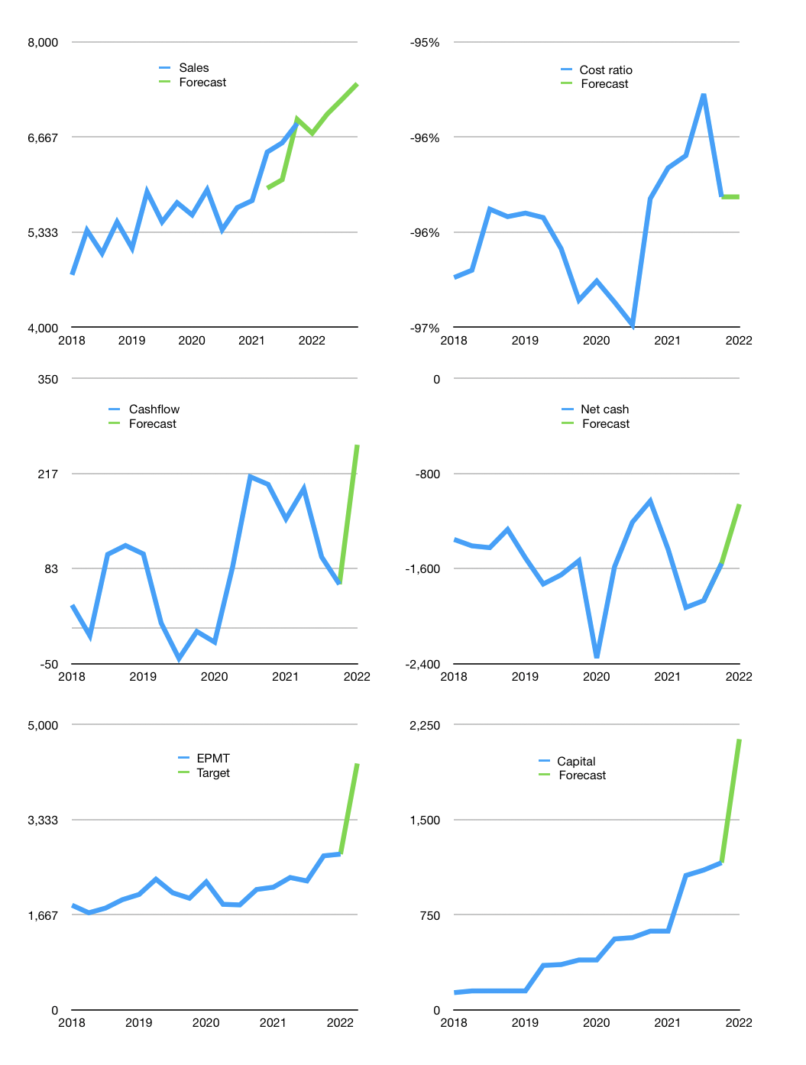
Financial model
Rpbn |  |  |  | 4Q 2022
Cash flow | 5% |  |  | 2%
Growth | -2% | 4% | 3% | 3%
Sales | 6,720 | 6,989 | 7,198 | 7,414
Cost ratio | -96% | -96% | -96% | -96%
Cash costs | -6,457 | -6,715 | -6,917 | -7,124
Operating | 263 | 274 | 282 | 290
Investment | -33 | -33 | -33 | -33
Liabilities | -144 | -137 | -130 | -124
Equity | -112 | -117 | -121 | -126
Before revolver | -27 | -14 | -3 | 8
Revolver | 27 | 14 | 3 | -8
Finance | -230 | -240 | -248 | -257
Beginning | 1,325 | 1,325 | 1,325 | 1,325
Change | 0 | 0 | 0 | 0
Ending | 1,325 | 1,325 | 1,325 | 1,325
Profit
Non cash costs | -39 | -39 | -39 | -39
Net profit | 224 | 234 | 243 | 251
Balance sheet
Other assets | 9,703 | 9,736 | 9,769 | 9,803
Depreciation | 1,303 | 1,342 | 1,381 | 1,421
Net other assets | 8,399 | 8,394 | 8,388 | 8,382
Liabilities | 2,739 | 2,602 | 2,472 | 2,348
Revolver | 27 | 41 | 44 | 36
Equity | 6,959 | 7,076 | 7,197 | 7,323
Check | 0 | 0 | 0 | 0
Net cash | -1,440 | -1,318 | -1,191 | -1,059
Valuation
Capital | 1,390 | 1,630 | 1,879 | 2,135
Current value |  |  |  | 7,448,759,894,016
Current value |  |  |  | 7,449
P/assets |  |  |  | 0.77
Yield |  |  |  | 6%
Cashflow |  |  |  | 975
Payback |  |  |  | 9
Valuation |  |  |  | 8
Forecast |  |  |  | 12
Value |  |  |  | 11,696
Shares |  |  |  | 3
Target |  |  |  | 4,318
Current |  |  |  | 2,750
V target |  |  |  | 57%
12 month growth |  |  |  | 21%
Sales forecasts |  |  |  | -5%

Balance sheet
Balance sheet
Rpbn | Cash | Assets | Other assets | Depreciation | Liabilities | Equity | Check | Net cash | Forecast
2015 | 740 | 6,164 | 5,424 | 578 | 2,518 | 3,647 | 0 | -1,778
 | 486 | 6,465 | 5,979 | 601 | 2,699 | 3,766 | 0 | -2,214
 | 693 | 6,461 | 5,768 | 627 | 2,534 | 3,927 | 0 | -1,841
 | 1,129 | 6,748 | 5,619 | 649 | 2,678 | 4,070 | 0 | -1,549
2016 | 1,048 | 6,852 | 5,804 | 675 | 2,654 | 4,198 | 0 | -1,606
 | 776 | 7,069 | 6,293 | 701 | 2,742 | 4,327 | 0 | -1,966
 | 1,126 | 7,095 | 5,969 | 706 | 2,649 | 4,446 | 0 | -1,523
 | 1,217 | 7,087 | 5,870 | 706 | 2,467 | 4,620 | 0 | -1,250
2017 | 816 | 7,111 | 6,295 | 732 | 2,397 | 4,714 | 0 | -1,581
 | 686 | 7,323 | 6,637 | 756 | 2,467 | 4,856 | 0 | -1,781
 | 764 | 7,180 | 6,416 | 781 | 2,227 | 4,953 | 0 | -1,463
 | 811 | 7,426 | 6,615 | 802 | 2,295 | 5,131 | 0 | -1,484
2018 | 869 | 7,472 | 6,603 | 825 | 2,225 | 5,247 | 0 | -1,356
 | 594 | 7,406 | 6,812 | 849 | 2,004 | 5,402 | 0 | -1,410
 | 1,072 | 8,086 | 7,014 | 872 | 2,497 | 5,589 | 0 | -1,425
 | 1,263 | 8,323 | 7,060 | 896 | 2,535 | 5,788 | 0 | -1,272
2019 | 1,269 | 8,706 | 7,437 | 922 | 2,781 | 5,925 | 0 | -1,512
 | 380 | 7,977 | 7,597 | 947 | 2,111 | 5,866 | 0 | -1,731
 | Region 1 | Region 2
April | 17 | 55
May | 26 | 43
June | 53 | 70
July | 96 | 58
 | 693 | 8,374 | 7,681 | 975 | 2,347 | 6,027 | 0 | -1,654
 | 1,041 | 8,705 | 7,664 | 1,000 | 2,576 | 6,129 | 0 | -1,535
2020 | 996 | 9,609 | 8,613 | 1,034 | 3,350 | 6,259 | 0 | -2,354
 | 547 | 8,354 | 7,807 | 1,072 | 2,132 | 6,222 | 0 | -1,585
 | 1,373 | 8,924 | 7,551 | 1,107 | 2,584 | 6,340 | 0 | -1,211
 | 1,619 | 9,212 | 7,593 | 1,116 | 2,652 | 6,560 | 0 | -1,033
2021 | 1,375 | 9,604 | 8,229 | 1,150 | 2,813 | 6,791 | 0 | -1,438
 | 827 | 9,187 | 8,360 | 1,190 | 2,755 | 6,432 | 0 | -1,928
 | 1,237 | 9,777 | 8,540 | 1,225 | 3,107 | 6,670 | 0 | -1,870 | -1,870
 | 1,325 | 9,730 | 8,405 | 1,264 | 2,883 | 6,847 | 0 | -1,558 | -1,558
2022 |  |  |  |  |  |  |  |  | -1,059

