Model
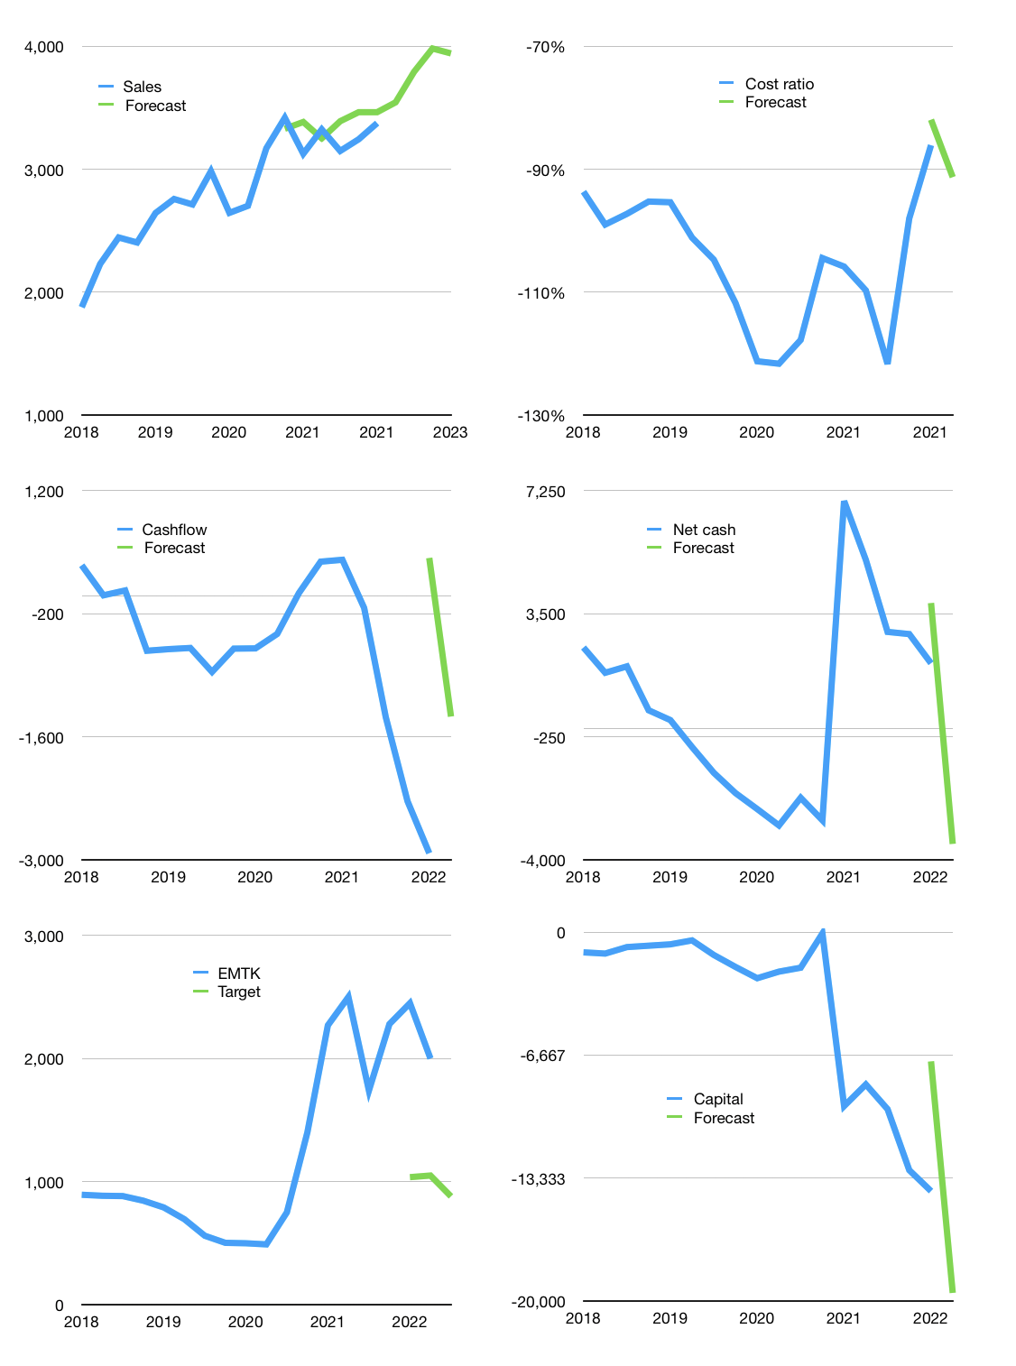
Financial model
Rpbn |  |  | 4Q 2022
Cashflow | 2% |  |  | 4%
Growth | 5% | 7% | 5% | -1%
Sales | 3,543 | 3,791 | 3,981 | 3,941
Cost ratio | -91% | -91% | -91% | -91%
Cash costs | -3,235 | -3,461 | -3,634 | -3,598
Operating | 309 | 330 | 347 | 343
Investment | -1,709 | -1,709 | -1,709 | -1,709
Leases | -2 | -2 | -2 | -2
Finance | 1,402 | 1,381 | 1,364 | 1,368
Liabilities | -211 | -200 | -190 | -181
Revolver | 1,613 | 1,581 | 1,554 | 1,548
Payout | 0.0
Equity | 0 | 0 | 0 | 0
Before revolver | -1,613 | -1,581 | -1,554 | -1,548
Beginning | 6,217 | 6,217 | 6,217 | 6,217
Change | 0 | 0 | 0 | 0
Ending | 6,217 | 6,217 | 6,217 | 6,217
Profit
Non cash costs | -124 | -124 | -124 | -124
Others | 3,962 | 3,962 | 3,962 | 3,962
Profit | 4,147 | 4,168 | 4,185 | 4,181
Balance sheet
Other assets | 47,358 | 53,029 | 58,699 | 64,370
Depreciation | 5,150 | 5,274 | 5,398 | 5,522
Net other assets | 42,208 | 47,755 | 53,302 | 58,848
Liabilities | 4,007 | 3,804 | 3,611 | 3,428
Revolver | 1,613 | 3,194 | 4,749 | 6,297
Equity | 42,805 | 46,973 | 51,158 | 55,340
Check | 0 | 0 | 0 | 0
Net cash | 597 | -782 | -2,143 | -3,509
Valuation
Capital | -15,433 | -16,814 | -18,178 | -19,546
Current value |  |  |  | 120,843,198,464,000
Current value |  |  |  | 120,843
P/assets |  |  |  | 1.9
Yield |  |  |  | 0%
Cashflow |  |  |  | 1,329
Payback |  |  |  | 28
Valuation |  |  |  | 91
Forecast |  |  |  | 40
Value |  |  |  | 53,168
Shares |  |  |  | 60
Target |  |  |  | 880
Current |  |  |  | 2,000
V target |  |  |  | -56%
12 month growth |  |  |  | 8%
Sales v forecast |  |  |  | 3%

