Model
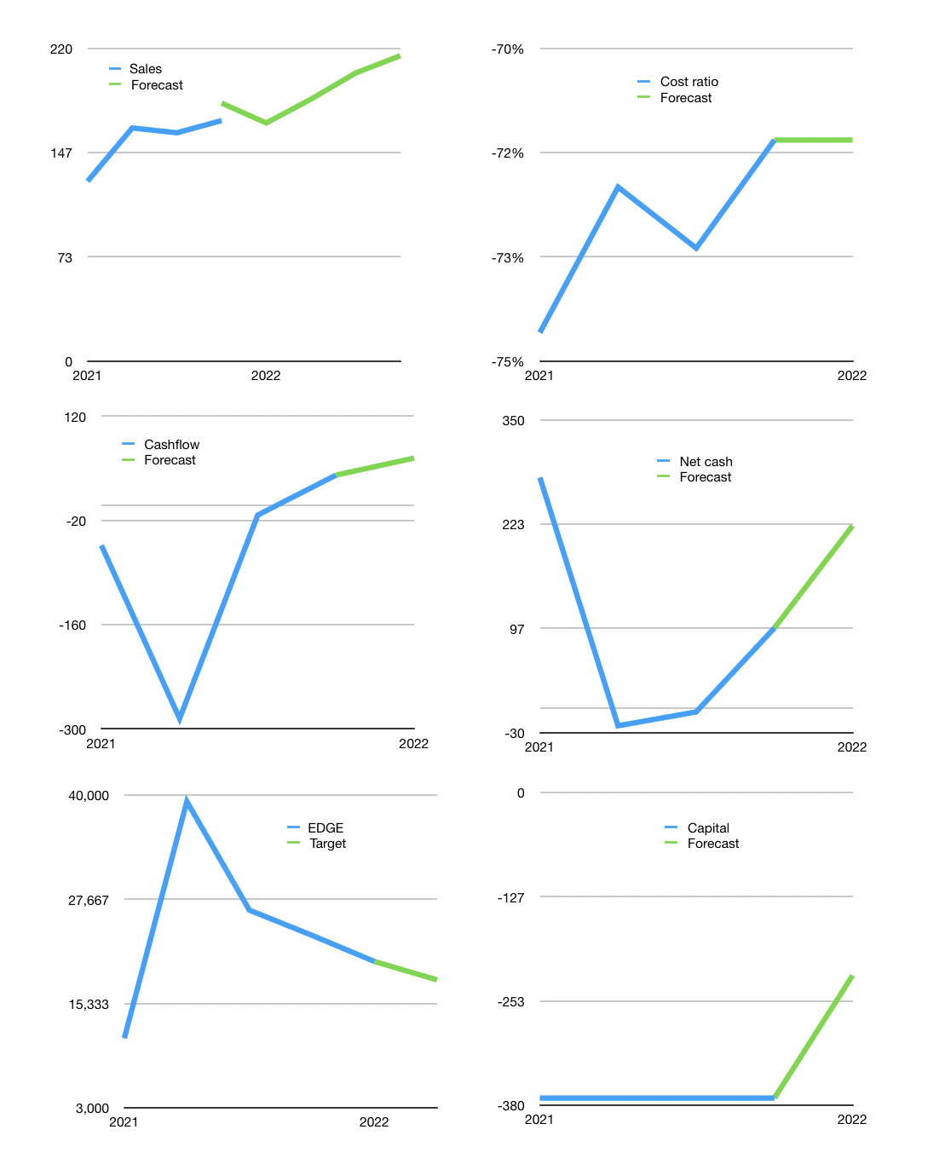
Model
Rpbn |  |  |  | 4Q 2022
Cashflow | 9% |  |  | 6%
Growth | -1% | 10.0% | 10.0% | 6%
Sales | 167 | 184 | 203 | 215
Cost ratio | -71% | -71% | -71% | -71%
Cash costs | -120 | -132 | -145 | -153
Non cash costs | -11 | -11 | -11 | -11
Profit | 37 | 41 | 47 | 50
Operating | 48 | 53 | 58 | 61
Investment | 2 | 2 | 2 | 2
Liabilities | -11.95 | -11 | -11 | -10
Equity | -22 | -25 | -28 | -30
Before revolver | 16 | 19 | 21 | 23
Revolver | 0 | 0 | 0 | 0
Beginning | 336 | 352 | 371 | 393
Change | 16 | 19 | 21 | 23
Ending | 352 | 371 | 393 | 416
Balance sheet
Other assets | 1140 | 1,137 | 1,135 | 1,132
Depreciation | 218 | 230 | 241 | 252
Liabilities | 227 | 216 | 205 | 195
Revolver | 0 | 0 | 0 | 0
Equity | 1,047 | 1,063 | 1,082 | 1,102
Check | 0 | 0 | 0 | 0
Net cash | 125 | 155 | 188 | 221
Valuation
Capital | -337 | -301 | -262 | -222
Current value |  |  |  | 8,202,214,675,200
Current value |  |  |  | 8,202
P/assets |  |  |  | 6.33
Yield |  |  |  | 1%
Cashflow |  |  |  | 229
Payback |  |  |  | 4
Valuation |  |  |  | 36
Forecast |  |  |  | 32
Value |  |  |  | 7325
Shares |  |  |  | 0
Target |  |  |  | 18,128
Current |  |  |  | 20,300
V target |  |  |  | -11%
12 month growth |  |  |  | 42%
Sales forecast |  |  |  | 7%

