Model
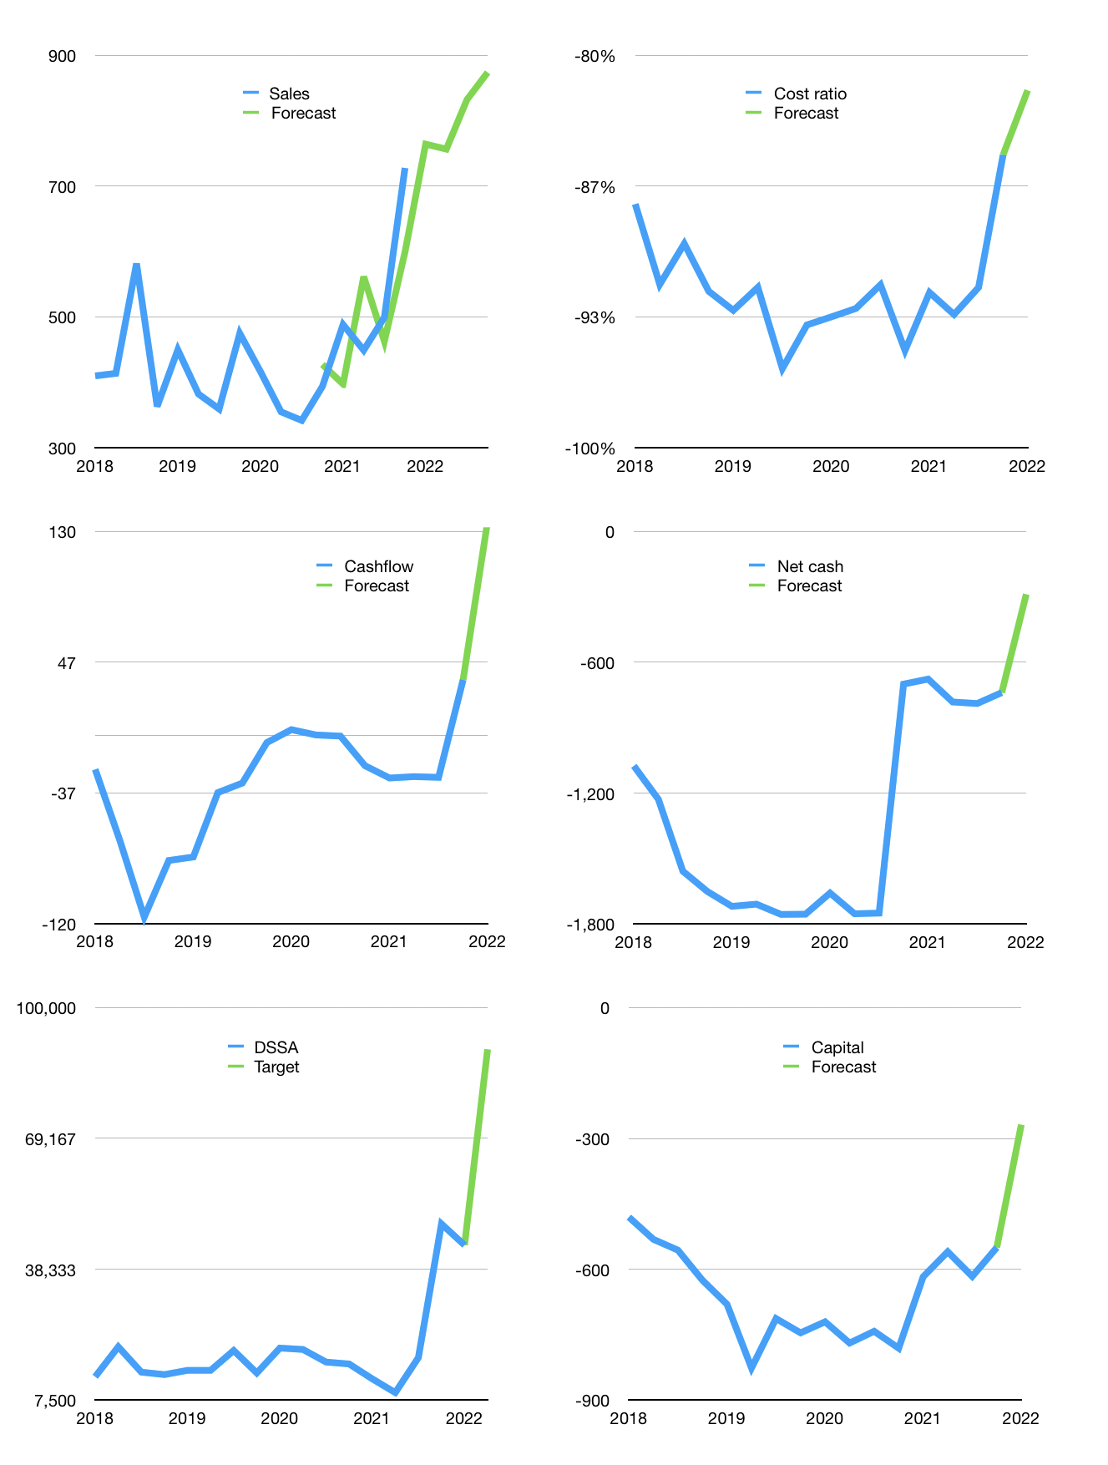
Financial model
$m |  |  |  | 4Q 2022
Cashflow | 18% |  |  | 5%
Growth | 5% | -1% | 10% | 5%
Sales | 764 | 757 | 832 | 874
Cost ratio | -82% | -82% | -82% | -82%
Cash costs | -625 | -619 | -681 | -715
Operating | 139 | 138 | 152 | 159
Investment | -22 | -22 | -22 | -22
Leases | -1 | -1 | -1 | -1
Finance | -74 | -71 | -69 | -67
Liabilities | -63 | -60 | -57 | -54
Equity | -11 | -11 | -12 | -13
Before revolver | 43 | 45 | 60 | 70
Revolver | 0 | 0 | 0 | 0
Beginning | 521 | 564 | 608 | 669
Change | 43 | 45 | 60 | 70
Ending | 564 | 608 | 669 | 738
Profit
Non cash costs | -27 | -27 | -27 | -27
Profit | 112 | 111 | 124 | 132
Balance sheet
Other assets | 3,027 | 3,049 | 3,072 | 3,094
Depreciation | 543 | 570 | 597 | 624
Net other assets | 2,484 | 2,479 | 2,474 | 2,469
Liabilities | 1,197 | 1,137 | 1,080 | 1,026
Revolver | 0 | 0 | 0 | 0
Equity | 1,851 | 1,951 | 2,063 | 2,181
Check | 0 | 0 | 0 | 0
Net cash | -633 | -529 | -412 | -288
Valuation
Rupiah |  |  |  | 14
Capital | -476 | -405 | -336 | -268
Current value |  |  |  | 33,904,288,000,000
Current value |  |  |  | 2,422
P/assets |  |  |  | 0.75
Yield |  |  |  | 2%
Cashflow |  |  |  | 496
Payback |  |  |  | 5
Valuation |  |  |  | 5
Forecast |  |  |  | 10
Value |  |  |  | 4,962
Shares |  |  |  | 1
Target |  |  |  | 90,148
Current |  |  |  | 44,000
V target |  |  |  | 105%
12 month growth |  |  |  | 85%
Sales forecasts |  |  |  | -4%

