Model
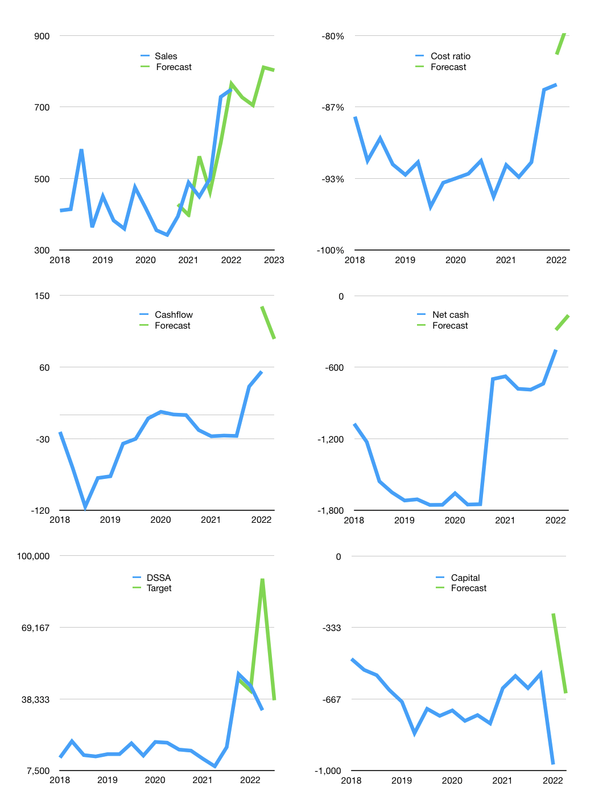
Financial model
$m |  |  | 4Q 2022
Cashflow | 13% |  |  | 2%
Growth | -3% | -3% | 15% | -1%
Sales | 727 | 705 | 810 | 802
Cost ratio | -78% | -78% | -78% | -78%
Cash costs | -570 | -553 | -636 | -630
Operating | 156 | 152 | 174 | 173
Investment | -77 | -77 | -77 | -77
Leases | 0 | 0 | 0 | 0
Finance | -79 | -75 | -97 | -80
Liabilities | -74 | -70 | -67 | -63
Revolver | 8 | 9 | -15 | -2
Payout | 0.1
Equity | -14 | -13 | -16 | -15
Before revolver | -8 | -9 | 15 | 17
Beginning | 1,021 | 1,021 | 1,021 | 1,021
Change | 0 | 0 | 0 | 16
Ending | 1,021 | 1,021 | 1,021 | 1,037
Profit
Non cash costs | -18 | -18 | -18 | -18
Profit | 138 | 134 | 156 | 155
Balance sheet
Other assets | 3,242 | 3,319 | 3,395 | 3,472
Depreciation | 552 | 570 | 588 | 606
Net other assets | 2,690 | 2,749 | 2,807 | 2,866
Liabilities | 1,401 | 1,331 | 1,265 | 1,201
Revolver | 8 | 17 | 2 | 0
Equity | 2,301 | 2,422 | 2,562 | 2,701
Check | 0 | 0 | 0 | 0
Net cash | -388 | -327 | -245 | -165
Valuation
Rupiah |  |  |  | 14
Capital | -893 | -818 | -721 | -641
Current value |  |  |  | 25,755,700,600,000
Current value |  |  |  | 1,840
P/assets |  |  |  | 0.47
Yield |  |  |  | 3%
Cashflow |  |  |  | 346
Payback |  |  |  | 8
Valuation |  |  |  | 5
Forecast |  |  |  | 6
Value |  |  |  | 2,077
Shares |  |  |  | 1
Target |  |  |  | 37,737
Current |  |  |  | 33,425
V target |  |  |  | 13%
12 month growth |  |  |  | 53%
Sales forecasts |  |  |  | -3%

Capital
Capital
$m | Liabilities | Equity | Total | Liabilities | Equity | Total
2011 | -15 | 533 | 518 | -15 | 533 | 518
2012 | -65 | -5 | -70 | -80 | 528 | 448
2013 | 7 | -5 | 2 | -73 | 523 | 450
2014 | 108 | -18 | 90 | 35 | 505 | 540
2015 | 300 | -1 | 299 | 335 | 504 | 839
2016 | 75 | 78 | 153 | 410 | 582 | 992
2017 | 185 | -11 | 174 | 595 | 571 | 1,166
2018 | 306 | -49 | 257 | 901 | 522 | 1,423
2019 | 159 | -13 | 146 | 1,060 | 509 | 1,569
2020 | 29 | 4 | 33 | 1,089 | 513 | 1,602
2021 | -138 | -93 | -231 | 951 | 420 | 1,371 | 125 | 76 | -230.85

DSSA 1.4 BILLION DOLLARS RAISED
 |  |  |  |  |  |  |  |  |  | Table 1

 |  |  |  |  |  |  |  |  |  |  | Market value | IDR25755700600000 | In USD
 |  |  |  |  |  |  |  |  |  |  | DSSA | capital history | -13% | of market value | paid in 1 year
 |  |  |  |  |  |  |  |  |  |  | 2022-03-23
 |  |  |  |  |  |  |  |  |  |  | Start date | 2011
 |  |  |  |  |  |  |  |  |  |  | Number of quarters | 44
 |  |  |  |  |  |  |  |  |  |  | Market value USD m | 1,840
 |  |  |  |  |  |  |  |  |  |  | Liabilities | 951 | million dollars | raised
 |  |  |  |  |  |  |  |  |  |  | DSSA | has | raised | liabilities | by an average | 86 | million dollars | every year | 5% | of market value
 |  |  |  |  |  |  |  |  |  |  | In the last 5 years | liabilities | were | raised | by an average | 108 | million dollars | every year | 6% | of market value
 |  |  |  |  |  |  |  |  |  |  | The peak in cumulative liabilities | was | 1,089 | million dollars | in | 2020
 |  |  |  |  |  |  |  |  |  |  | As of the latest quarter | liabilities | cumulative | are | down | to | 951 | million dollars
 |  |  |  |  |  |  |  |  |  |  | Equity | 420 | million dollars | raised
 |  |  |  |  |  |  |  |  |  |  | DSSA | has | raised | equity | by an average | 38 | million dollars | every year | 2% | of market value
 |  |  |  |  |  |  |  |  |  |  | In the last 5 years | equity | was | paid | by an average | -32 | million dollars | every year | -2% | of market value
 |  |  |  |  |  |  |  |  |  |  | The peak in cumulative equity | was | 582 | million dollars | in | 2016
 |  |  |  |  |  |  |  |  |  |  | As of the latest quarter | equity | cumulative | is | down | to | 420 | million dollars
 |  |  |  |  |  |  |  |  |  |  | Total capital | 1,371 | million dollars | raised
 |  |  |  |  |  |  |  |  |  |  | DSSA | has | raised | total capital | by an average | 125 | million dollars | every year | 7% | of market value
 |  |  |  |  |  |  |  |  |  |  | In the last 5 years | total capital | was | raised | by an average | 76 | million dollars | every year | 4% | of market value
 |  |  |  |  |  |  |  |  |  |  | The peak in cumulative total capital | was | 1,602 | million dollars | in | 2020
 |  |  |  |  |  |  |  |  |  |  | As of the latest quarter | total capital | cumulative | is | down | to | 1,371 | million dollars | -13% | of market value | paid in 1 year

