Model
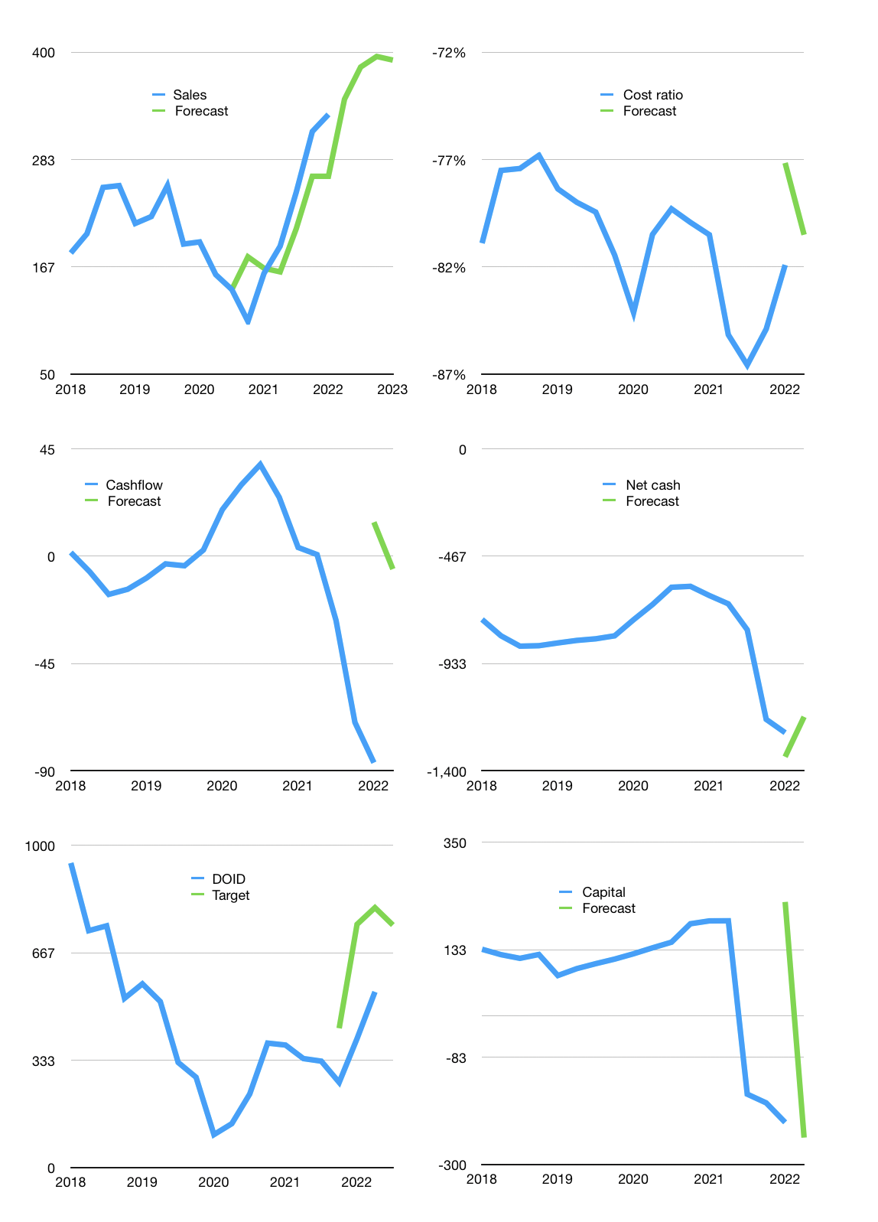
Financial model
$m |  |  | 4Q 2022
Cashflow | 20% |  |  | 4%
Growth | 5% | 10% | 3% | -1%
Sales | 349 | 384 | 395 | 391
Cost ratio | -81% | -81% | -81% | -81%
Cash costs | -281 | -309 | -318 | -315
Operating | 68 | 75 | 77 | 76
Leases | -25 | -25 | -25 | -25
Investment | -57 | -57 | -57 | -57
Finance | 14 | 7 | 5 | 5
Liabilities | -69 | -64 | -59 | -55
Revolver | 82 | 71 | 64 | 61
Payout | 0.0
Equity | 0 | 0 | 0 | 0
Before revolver | -82 | -71 | -64 | -61
Beginning | 138 | 138 | 138 | 138
Change | 0 | 0 | 0 | 0
End | 138 | 138 | 138 | 138
Profit
Non cash | -56 | -56 | -56 | -56
Profit | 12 | 19 | 21 | 21
Balance sheet
Other assets | 3,110 | 3,167 | 3,224 | 3,280
Depreciation | 1,614 | 1,670 | 1,725 | 1,781
Net other assets | 1,496 | 1,497 | 1,498 | 1,499
Liabilities | 1,279 | 1,190 | 1,105 | 1,025
Revolver | 82 | 153 | 217 | 278
Equity | 273 | 292 | 314 | 334
Check | 0 | 0 | 0 | 0
Net cash | -1,223 | -1,205 | -1,185 | -1,165
Valuation
Rupiah |  |  |  | 14
Capital | -229 | -236 | -240 | -246
Current value |  |  |  | 4,586,164,152,320
Current value |  |  |  | 328
P/assets |  |  |  | 0.20
Yield |  |  |  | 0%
Cashflow |  |  |  | 197
Payback |  |  |  | 8
Valuation |  |  |  | 2
Forecast |  |  |  | 2
Value |  |  |  | 452
Shares |  |  |  | 8
Target |  |  |  | 752
Current |  |  |  | 545
V target |  |  |  | 38%
12 month growth |  |  |  | 108%
Sales forecasts |  |  |  | -7%

