Model
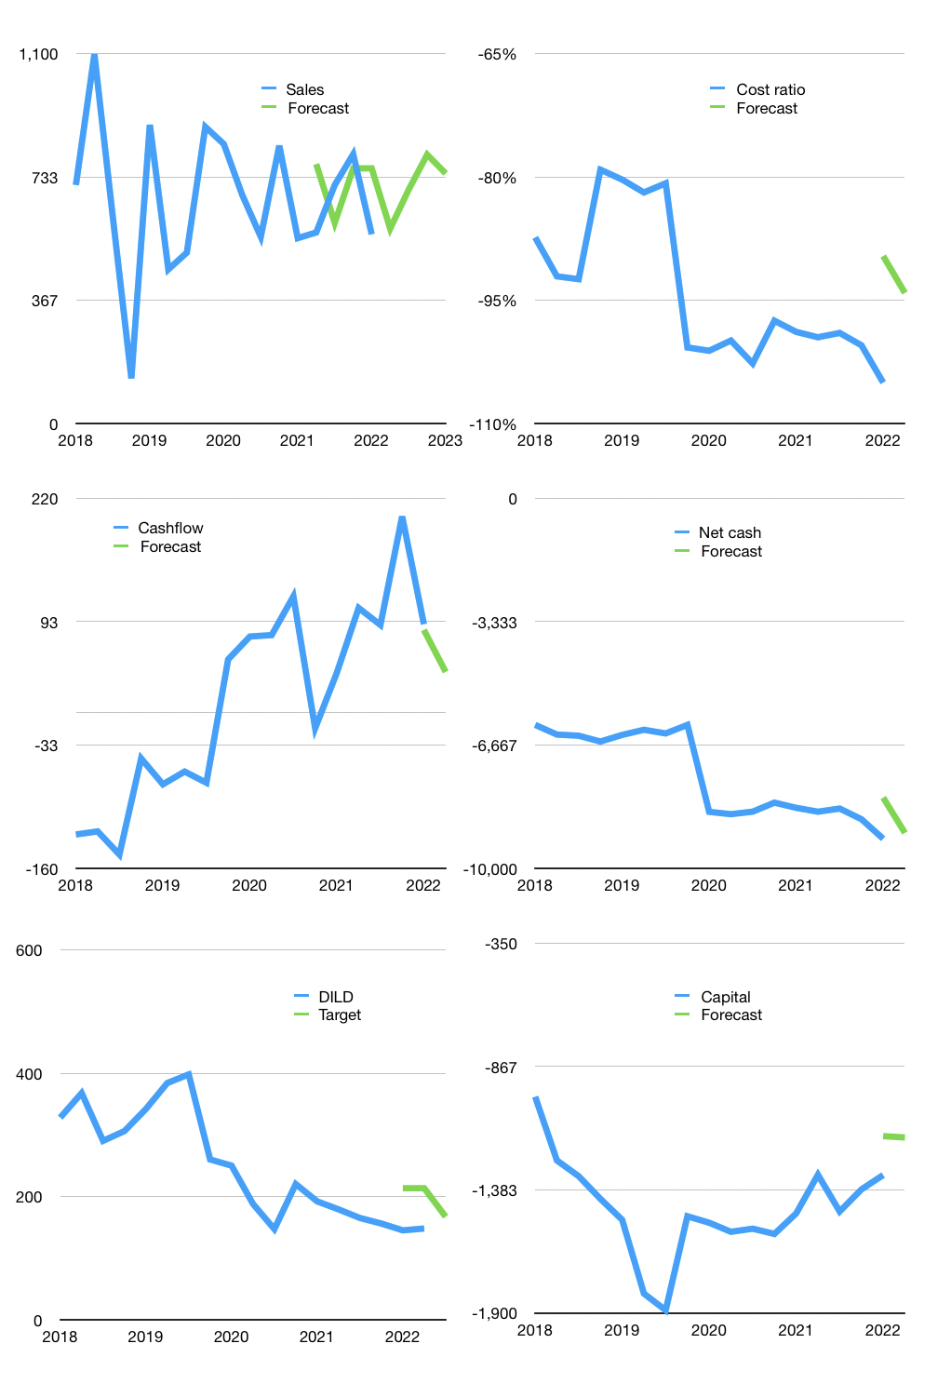
Financial model
Rpbn |  |  | 4Q 2022
Cashflow | 3% |  |  | 8%
Growth | 3% | 20% | 15% | -7%
Sales | 579 | 695 | 800 | 744
Cost ratio | -94% | -94% | -94% | -94%
Cash costs | -545 | -654 | -753 | -700
Operating | 34 | 41 | 47 | 44
Investment | -2 | -2 | -2 | -2
Finance | -32 | -39 | -45 | -42
Liabilities | -533 | -506 | -481 | -457
Revolver | 501 | 467 | 436 | 415
Payout | 0.0
Equity | 0 | 0 | 0 | 0
Before revolver | -501 | -467 | -436 | -415
Beginning | 1,450 | 1,450 | 1,450 | 1,450
Change | 0 | 0 | 0 | 0
End | 1,450 | 1,450 | 1,450 | 1,450
Profit
Non cash costs | -28 | -28 | -28 | -28
Profit | 6 | 13 | 19 | 15
Balance sheet
Other assets | 16,171 | 16,173 | 16,175 | 16,177
Depreciation | 1,067 | 1,095 | 1,124 | 1,152
Net other assets | 15,104 | 15,078 | 15,051 | 15,025
Liabilities | 10,121 | 9,615 | 9,134 | 8,678
Revolver | 501 | 968 | 1,404 | 1,819
Equity | 5,932 | 5,944 | 5,963 | 5,979
Check | 0 | 0 | 0 | 0
Net cash | -9,172 | -9,133 | -9,088 | -9,047
Valuation
Capital | -1,290 | -1,251 | -1,206 | -1,165
Current value |  |  |  | 1,534,153,166,848
Current value |  |  |  | 1,534
P/assets |  |  |  | 0.09
Yield |  |  |  | 0%
Cashflow |  |  |  | 157
Payback |  |  |  | 96
Valuation |  |  |  | 10
Forecast |  |  |  | 11
Value |  |  |  | 1,732
Shares |  |  |  | 10
Target |  |  |  | 167
Current |  |  |  | 148
V target |  |  |  | 13%
12 month growth |  |  |  | 2%
Sales forecasts |  |  |  | 9%

