Model
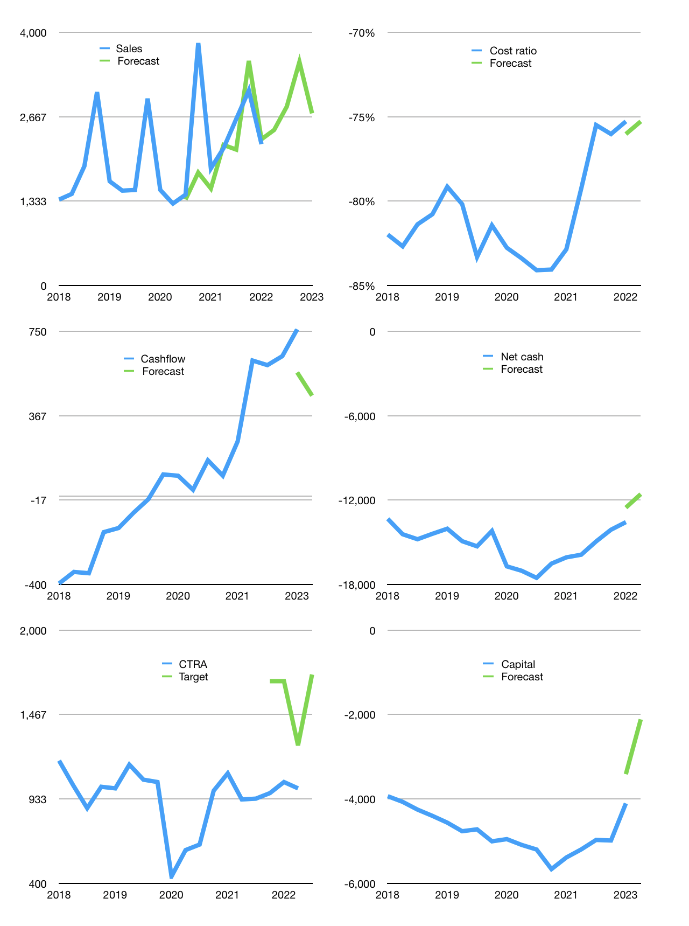
Financial model
Rpbn |  |  | 4Q 2022
Cash flow | 7% |  |  | 7%
Growth | 10% | 15% | 25% | -23%
Sales | 2,458 | 2,826 | 3,533 | 2,720
Cost ratio | -75% | -75% | -75% | -75%
Cash cost | -1,850 | -2,128 | -2,659 | -2,048
Operating | 608 | 699 | 873 | 672
Investment | -215 | -215 | -215 | -215
Finance | -392 | -484 | -658 | -457
Liabilities | -1,049 | -996 | -947 | -899
Revolver | 656 | 513 | 288 | 442
Payout | 0.0
Equity | 0 | 0 | 0 | 0
Before revolver | -656 | -513 | -288 | -442
Beginning | 7,404 | 7,404 | 7,404 | 7,404
Change | 0 | 0 | 0 | 0
Ending | 7,404 | 7,404 | 7,404 | 7,404
Profit
Non cash costs | -85 | -85 | -85 | -85
Net profit | 523 | 614 | 789 | 588
Balance sheet
Other assets | 36,653 | 36,868 | 37,083 | 37,298
Depreciation | 3,109 | 3,194 | 3,278 | 3,363
Net other assets | 33,544 | 33,675 | 33,805 | 33,935
Liabilities | 19,927 | 18,931 | 17,984 | 17,085
Revolver | 656 | 1,169 | 1,457 | 1,899
Equity | 20,365 | 20,979 | 21,767 | 22,355
Check | 0 | 0 | 0 | 0
Net cash | -13,180 | -12,696 | -12,038 | -11,580
Valuation
Capital | -3,715 | -3,231 | -2,573 | -2,116
Current value |  |  |  | 18,535,700,480,000
Current value |  |  |  | 18,536
P/assets |  |  |  | 0.45
Yield |  |  |  | 0%
Cashflow |  |  |  | 1,992
Payback |  |  |  | 17
Valuation |  |  |  | 9
Forecast |  |  |  | 16
Value |  |  |  | 31,867
Shares |  |  |  | 19
Target |  |  |  | 1,719
Current |  |  |  | 1,000
V target |  |  |  | 72%
12 month growth |  |  |  | 21%
Sales forecast |  |  |  | -14%

Capital
Capital-1
Rpbn | Liabilities | Equity | Total | Liabilities | Equity | Total
1995 |  |  | 0 | 0 | 0 | 0
1996 |  |  | 0 | 0 | 0 | 0
1997 |  |  | 0 | 0 | 0 | 0
1998 |  |  | 0 | 0 | 0 | 0
1999 |  |  | 0 | 0 | 0 | 0
2000 |  |  | 0 | 0 | 0 | 0
2001 |  |  | 0 | 0 | 0 | 0
2002 |  |  | 0 | 0 | 0 | 0
2003 |  |  | 0 | 0 | 0 | 0
2004 |  |  | 0 | 0 | 0 | 0
2005 |  |  | 0 | 0 | 0 | 0
2006 |  |  | 0 | 0 | 0 | 0
2007 | -44 | 2,119 | 2,075 | -44 | 2,119 | 2,075
2008 | 107 | -95 | 12 | 63 | 2,024 | 2,087
2009 | 50 | 412 | 462 | 113 | 2,436 | 2,549
2010 | 157 | 8 | 165 | 270 | 2,444 | 2,714
2011 | 519 | -118 | 401 | 789 | 2,326 | 3,115
2012 | 628 | -15 | 613 | 1,417 | 2,311 | 3,728
2013 | 1,289 | 752 | 2,041 | 2,706 | 3,063 | 5,769
2014 | 1,267 | -135 | 1,132 | 3,973 | 2,928 | 6,901
2015 | 1,258 | -14 | 1,244 | 5,231 | 2,914 | 8,145
2016 | 1,385 | 69 | 1,454 | 6,616 | 2,983 | 9,599
2017 | 872 | 179 | 1,051 | 7,488 | 3,162 | 10,650
2018 | 740 | -87 | 653 | 8,228 | 3,075 | 11,303
2019 | 775 | -171 | 604 | 9,003 | 2,904 | 11,907
2020 | 769 | -111 | 658 | 9,772 | 2,793 | 12,565
2021 | -466 | -212 | -678 | 9,306 | 2,581 | 11,887 | 792 | 2,288 | -1280.826
2022 | -872 | -6 | -878 | 8,434 | 2,575 | 11,009

CTRA 12 trillion rupiah capital raised…
 |  |  |  |  |  |  |  |  |  | Table 1-1

 |  |  |  |  |  |  |  |  |  |  | Market value | IDR18535700480000
 |  |  |  |  |  |  |  |  |  |  | CTRA | capital history | -4% | of market value | paid last 12 months
 |  |  |  |  |  |  |  |  |  |  | 2022-04-22
 |  |  |  |  |  |  |  |  |  |  | Start date | 2007
 |  |  |  |  |  |  |  |  |  |  | Number of quarters | 60
 |  |  |  |  |  |  |  |  |  |  | Market value Rpbn | 18,536
 |  |  |  |  |  |  |  |  |  |  | Liabilities | 9,306 | billion rupiah | raised
 |  |  |  |  |  |  |  |  |  |  | CTRA | has | raised | liabilities | by an average | 620.39333333 | billion rupiah | every year | 3% | of market value
 |  |  |  |  |  |  |  |  |  |  | In the last 5 years | liabilities | were | raised | by an average | 538 | billion rupiah | every year | 3% | of market value
 |  |  |  |  |  |  |  |  |  |  | The peak in cumulative liabilities | was | 9,772 | billion rupiah | in | 2020
 |  |  |  |  |  |  |  |  |  |  | As of the latest quarter | liabilities | cumulative | are | down | to | 9,306 | billion rupiah
 |  |  |  |  |  |  |  |  |  |  | Equity | 2,581 | billion rupiah | raised
 |  |  |  |  |  |  |  |  |  |  | CTRA | has | raised | equity | by an average | 172 | billion rupiah | every year | 1% | of market value
 |  |  |  |  |  |  |  |  |  |  | In the last 5 years | equity | was | paid | by an average | -80 | billion rupiah | every year | 0% | of market value
 |  |  |  |  |  |  |  |  |  |  | The peak in cumulative equity | was | 3,162 | billion rupiah | in | 2017
 |  |  |  |  |  |  |  |  |  |  | As of the latest quarter | equity | cumulative | is | down | to | 2,581 | billion rupiah
 |  |  |  |  |  |  |  |  |  |  | Total capital | 11,887 | billion rupiah | raised
 |  |  |  |  |  |  |  |  |  |  | CTRA | has | raised | total capital | by an average | 792 | billion rupiah | every year | 4% | of market value
 |  |  |  |  |  |  |  |  |  |  | In the last 5 years | total capital | was | raised | by an average | 458 | billion rupiah | every year | 2% | of market value
 |  |  |  |  |  |  |  |  |  |  | The peak in cumulative total capital | was | 12,565 | billion rupiah | in | 2020
 |  |  |  |  |  |  |  |  |  |  | As of the latest quarter | total capital | cumulative | is | down | to | 11,887 | billion rupiah | -4% | of market value | paid last 12 months

