Model
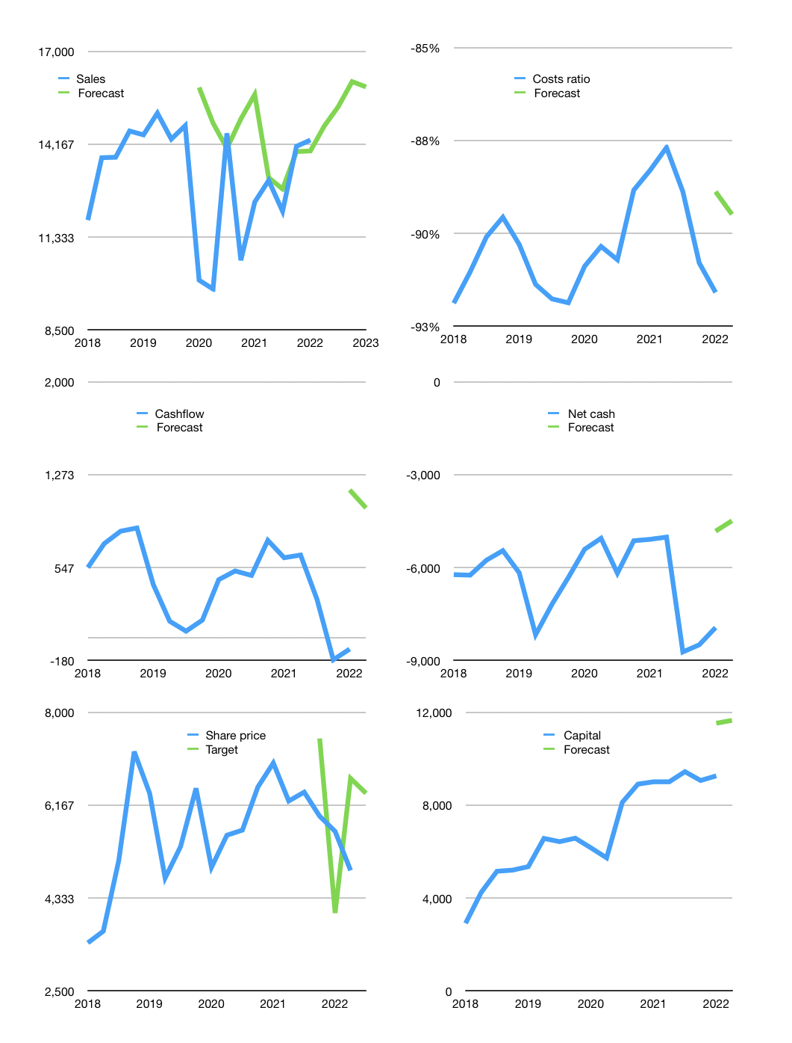
Financial model
Rpbn |  |  | 4Q 2022
Cashflow | 4% |  |  | 3%
Growth | 3% | 4% | 5% | -1%
Sales | 14,724 | 15,313 | 16,079 | 15,918
Cost ratio | -90% | -90% | -90% | -90%
Cash costs | -13,220 | -13,749 | -14,437 | -14,292
Operating | 1,504 | 1,564 | 1,642 | 1,626
Investment | -590 | -590 | -590 | -590
Leases | -22 | -22 | -22 | -22
Finance | -626 | -607 | -591 | -566
Liabilities | -502 | -477 | -453 | -431
Revolver | 0 | 0 | 0 | 0
Payout | 0.1
Equity | -123 | -129 | -137 | -136
Before revolver | 288 | 2,766 | 3,228 | 3,698
Beginning | 2,111 | 2,399 | 2,766 | 3,228
Change | 288 | 367 | 462 | 469
Ending | 2,399 | 2,766 | 3,228 | 3,698
Profit
Non cash costs | -269 | -269 | -269 | -269
Net profit | 1,235 | 1,295 | 1,373 | 1,357
Balance Sheet
Other assets | 43,498 | 44,088 | 44,678 | 45,267
Depreciation | 8,900 | 9,169 | 9,438 | 9,707
Net other assets | 34,598 | 34,919 | 35,240 | 35,560
Liabilities | 9,545 | 9,067 | 8,614 | 8,183
Revolver | 0 | 0 | 0 | 0
Equity | 27,452 | 28,618 | 29,854 | 31,075
Check | 0 | 0 | 0 | 0
Net cash | -7,146 | -6,301 | -5,386 | -4,486
Valuation
Capital | 9,891 | 10,498 | 11,089 | 11,655
Current value |  |  |  | 80,022,240,624,640
Current value |  |  |  | 80,022
P/assets |  |  |  | 2.04
Yield |  |  |  | 1%
Cashflow |  |  |  | 3,889
Payback |  |  |  | 9
Valuation |  |  |  | 21
Forecast |  |  |  | 27
Value |  |  |  | 104,992
Shares |  |  |  | 16
Target |  |  |  | 6,403
Current |  |  |  | 4,880
V target |  |  |  | 31%
12 month growth |  |  |  | 33%
Sales forecasts |  |  |  | 19%

Capital
Capital
Rpbn | Liabilities | Equity | Total | Liabilities | Equity | Total
2009 | -1,702 | 0 | -1,702 | -1,702 | 0 | -1,702
2010 | -400 | -689 | -1,089 | -2,101 | -690 | -2,791
2011 | 576 | -655 | -79 | -1,525 | -1,345 | -2,870
2012 | 837 | -694 | 143 | -688 | -2,039 | -2,727
2013 | 975 | -754 | 220 | 286 | -2,793 | -2,507
2014 | 3,650 | -754 | 2,896 | 3,937 | -3,547 | 389
2015 | 1,404 | -295 | 1,109 | 5,341 | -3,842 | 1,498
2016 | -1,670 | -476 | -2,145 | 3,671 | -4,318 | -647
2017 | -670 | -918 | -1,589 | 3,000 | -5,236 | -2,236
2018 | -1,520 | -918 | -2,439 | 1,480 | -6,155 | -4,674
2019 | 561 | -1,935 | -1,374 | 2,041 | -8,090 | -6,049
2020 | -863 | -1,328 | -2,191 | 1,178 | -9,418 | -8,240
2021 | 1,680 | -1,837 | -156 | 2,858 | -11,254 | -8,396 | -646 | -1,550 | -256.469
2022 | -200 | 0 | -200 | 2,658 | -11,254 | -8,596

CPIN HAS PAID EQUITY BUT RAISED LIABILITIES

