Model
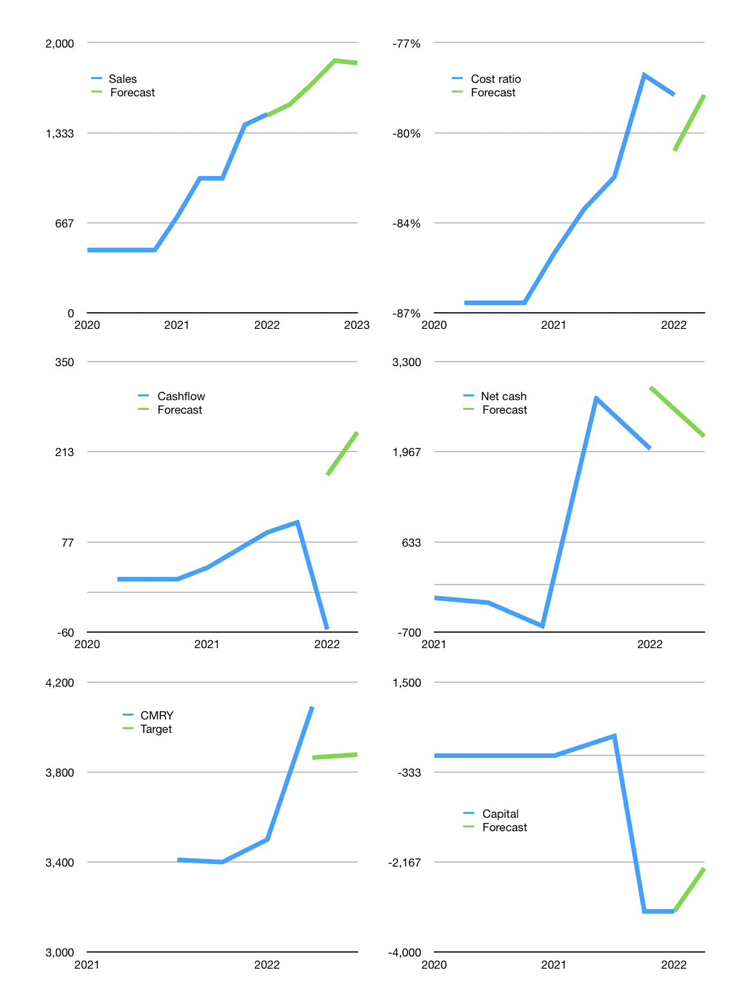
Model
Rpbn |  |  | 4Q 2022
Cashflow | 21% |  |  | 6%
Growth | 5% | 10.0% | 10.0% | -1%
Sales | 1,544 | 1,698 | 1,868 | 1,849
Cost ratio | -79% | -79% | -79% | -79%
Cash costs | -1,218 | -1340 | -1474 | -1459
Non cash costs | -19 | -19 | -19 | -19
Profit | 306 | 339 | 374 | 371
Operating | 325 | 358 | 393 | 390
Investment | -147 | -147 | -147 | -147
Liabilities | -55 | -52 | -49 | -47
Revolver | 29 | 10 | -10 | -11
Payout | 0.5
Equity | -153 | -169 | -187 | -185
Before revolver | -29 | -10 | 10 | 11
Beginning | 3,102 | 3,102 | 3,102 | 3,102
Change | 0 | 0 | 0 | 0
Ending | 3,102 | 3,102 | 3,102 | 3,102
Balance sheet
Other assets | 3,267 | 3,413 | 3,560 | 3,707
Depreciation | 182 | 201 | 220 | 239
Liabilities | 1,037 | 986 | 936 | 889
Revolver | 29 | 39 | 29 | 18
Equity | 5,120 | 5,289 | 5,477 | 5,662
Check | 0 | 0 | 0 | 0
Net cash | 2,035 | 2,077 | 2,137 | 2,194
Valuation
Capital | -2,992 | -2,781 | -2,534 | -2,291
Current value |  |  |  | 32,452,842,094,592
Current value |  |  |  | 32,453
P/assets |  |  |  | 4.94
Yield |  |  |  | 2%
Cashflow |  |  |  | 879
Payback |  |  |  | 3
Valuation |  |  |  | 37
Forecast |  |  |  | 35
Value |  |  |  | 30768
Shares |  |  |  | 8
Target |  |  |  | 3,878
Current |  |  |  | 4,090
V target |  |  |  | -5%
12 month growth |  |  |  | 106%
Sales forecast |  |  |  | -1%

