Model
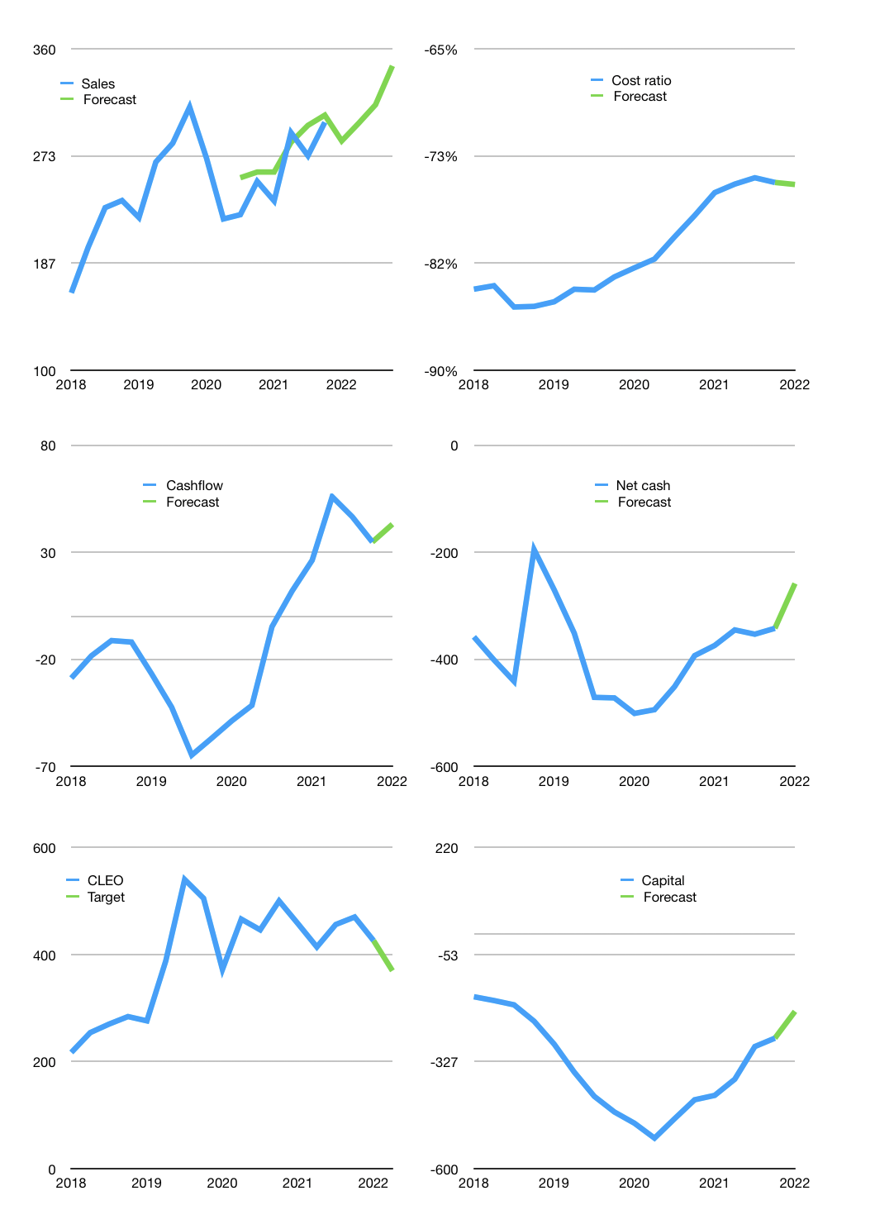
Financial model
Rpbn |  |  |  | 4Q 2022
Cashflow | 5% |  |  | 4%
Growth | -5% | 5% | 5% | 10%
Sales | 286 | 300 | 315 | 346
Cost ratio | -76% | -76% | -76% | -76%
Cash costs | -216 | -227 | -238 | -262
Operating | 70 | 73 | 77 | 85
Investment | -39 | -39 | -39 | -39
Leases | -2 | -2 | -2 | -2
Finance | -31 | -32 | -32 | -33
Liabilities | -17 | -16 | -16 | -15
Equity | -14 | -15 | -16 | -19
Before revolver | -1 | 2 | 6 | 12
Revolver | 1 | -1 | 0 | 0
Beginning | 5 | 5 | 7 | 12
Change | 0 | 2 | 6 | 12
End | 5 | 7 | 12 | 24
Profit
Non cash | -23 | -23 | -23 | -23
Profit | 47 | 50 | 54 | 62
Balance sheet
Other assets | 1,834 | 1,874 | 1,913 | 1,952
Depreciation | 475 | 498 | 521 | 544
Net other assets | 1,359 | 1,376 | 1,392 | 1,409
Liabilities | 330 | 313 | 298 | 283
Revolver | 1 | 0 | 0 | 0
Equity | 1,034 | 1,069 | 1,107 | 1,150
Check | 0 | 0 | 0 | 0
Net cash | -326 | -307 | -285 | -258
Valuation
Capital | -239 | -225 | -211 | -199
Current value |  |  |  | 5,109,230,850,048
Current value |  |  |  | 5,109
P/assets |  |  |  | 3.6
Yield |  |  |  | 1.3%
Cashflow |  |  |  | 139
Payback |  |  |  | 10
Valuation |  |  |  | 37
Forecast |  |  |  | 32
Value |  |  |  | 4,432
Shares |  |  |  | 12
Target |  |  |  | 370
Current |  |  |  | 426
V target |  |  |  | -13%
12 month growth |  |  |  | 19%
Sales forecasts |  |  |  | 5%

