Model
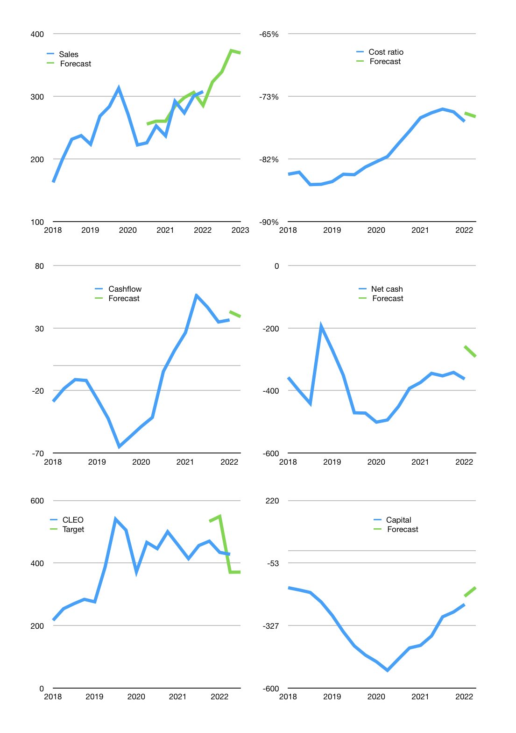
Financial model
Rpbn |  |  | 4Q 2022
Cashflow | 7% |  |  | 5%
Growth | 5% | 5% | 10% | -1%
Sales | 323 | 339 | 373 | 369
Cost ratio | -76% | -76% | -76% | -76%
Cash costs | -246 | -258 | -284 | -281
Operating | 77 | 81 | 89 | 89
Investment | -48 | -48 | -48 | -48
Leases | -2 | -2 | -2 | -2
Finance | -30 | -34 | -42 | -41
Liabilities | -19 | -18 | -17 | -17
Revolver | 6 | 2 | -4 | -4
Payout | 0.3
Equity | -17 | -18 | -20 | -20
Before revolver | -6 | -2 | 4 | 4
Beginning | 23 | 23 | 23 | 23
Change | 0 | 0 | 0 | 0
End | 23 | 23 | 23 | 23
Profit
Non cash | -22 | -22 | -22 | -22
Profit | 56 | 60 | 68 | 67
Balance sheet
Other assets | 1,925 | 1,972 | 2,020 | 2,067
Depreciation | 489 | 510 | 532 | 553
Net other assets | 1,436 | 1,462 | 1,488 | 1,514
Liabilities | 367 | 348 | 331 | 314
Revolver | 6 | 9 | 5 | 0
Equity | 1,086 | 1,128 | 1,176 | 1,223
Check | 0 | 0 | 0 | 0
Net cash | -350 | -334 | -312 | -292
Valuation
Capital | -206 | -190 | -174 | -160
Current value |  |  |  | 5,118,880,120,832
Current value |  |  |  | 5,119
P/assets |  |  |  | 3.3
Yield |  |  |  | 1.5%
Cashflow |  |  |  | 139
Payback |  |  |  | 10
Valuation |  |  |  | 37
Forecast |  |  |  | 32
Value |  |  |  | 4,438
Shares |  |  |  | 12
Target |  |  |  | 371
Current |  |  |  | 428
V target |  |  |  | -13%
12 month growth |  |  |  | 30%
Sales forecasts |  |  |  | 3%

