Model
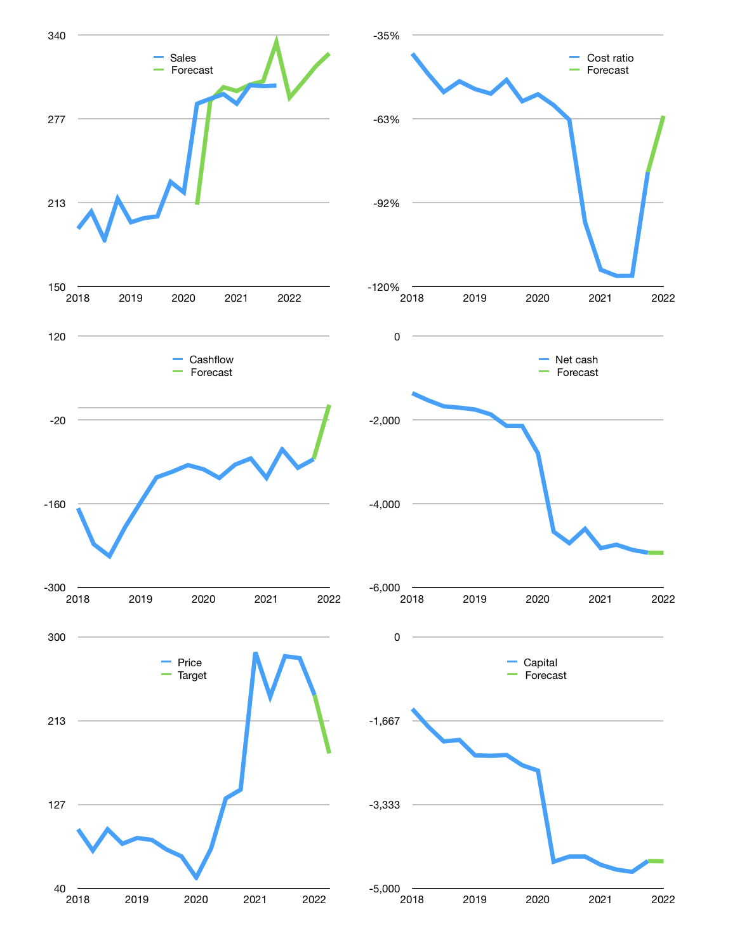
Financial model
Rpbn |  |  |  | 4Q 2022
Cashflow | 1% |  |  | 2%
Growth | -3% | 4% | 4% | 3%
Sales | 293 | 304 | 317 | 326
Cost ratio | -62% | -62% | -62% | -62%
Cash costs | -183 | -190 | -197 | -203
Operating | 110 | 114 | 119 | 123
Investment | -118 | -118 | -118 | -118
Finance | 8 | 3 | -1 | -5
Liabilities | -274 | -260 | -247 | -235
Equity | 0 | 0 | 0 | 0
Before revolver | -281 | -263 | -246 | -230
Revolver | 281 | 263 | 246 | 230
Beginning | 302 | 302 | 302 | 302
Change | 0 | 0 | 0 | 0
Ending | 302 | 302 | 302 | 302
Profit
Non cash costs | -135 | -135 | -135 | -135
Net profit | -25 | -21 | -16 | -12
Balance Sheet
Other assets | 10,404 | 10,522 | 10,639 | 10,757
Depreciation | 3,026 | 3,161 | 3,296 | 3,431
Net other assets | 7,378 | 7,361 | 7,343 | 7,326
Liabilities | 5,202 | 4,942 | 4,695 | 4,460
Revolver | 281 | 545 | 790 | 1,020
Equity | 2,196 | 2,176 | 2,160 | 2,147
Check | 0 | 0 | 0 | 0
Net cash | -5,182 | -5,185 | -5,184 | -5,179
Valuation
Capital | -4,466 | -4,469 | -4,468 | -4,463
Current value |  |  |  | 7,484,039,757,824
Current value |  |  |  | 7,484
P/assets |  |  |  | 0.98
Yield |  |  |  | 0%
Cashflow |  |  |  | 466
Payback |  |  |  | 16
Valuation |  |  |  | 16
Forecast |  |  |  | 12
Value |  |  |  | 5,596
Shares |  |  |  | 31
Target |  |  |  | 179
Current |  |  |  | 240
V target |  |  |  | -25%
12 month growth |  |  |  | 2%
Sales forecasts |  |  |  | -1%

Sales
Sales
Rpbn | Sales | Forecast | Depreciation | Profit | Sales growth | Cost ratio | Cost ratio | Forecast | Cashflow costs
2015 | 24 |  | 17 | -12 |  | -81%
 | 25 |  | 18 | -10 | 4% | -70%
 | 27 |  | 20 | -10 | 8% | -63%
 | 29 |  | 23 | -20 | 8% | -91%
2016 | 28 |  | 20 | -9 | -2% | -63%
 | 36 |  | 23 | -6 | 26% | -52%
 | 35 |  | 29 | -5 | -2% | -32%
 | 41 |  | 30 | -9 | 17% | -50%
2017 | 167 |  | 141 | -49 | 306% | -45% | -45% |  | -135%
 | 170 |  | 121 | 9 | 1% | -23% | -38% |  | -64%
 | 164 |  | 126 | -39 | -3% | -47% | -41% |  | -259%
 | 207 |  | 144 | -40 | 26% | -50% | -41% |  | -184%
2018 | 194 |  | 133 | -27 | -6% | -45% | -41% |  | -98%
 | 206 |  | 7 | 95 | 7% | -50% | -48% |  | -77%
 | 185 |  | 89 | -36 | -10% | -72% | -54% |  | -82%
 | 216 |  | 136 | 3 | 17% | -35% | -51% |  | 24%
2019 | 198 |  | 79 | 9 | -8% | -56% | -53% |  | -90%
 | 202 |  | 84 | 3 | 2% | -57% | -55% |  | -38%
 | 203 |  | 95 | 0 | 1% | -53% | -50% |  | -94%
 | 229 |  | 86 | -4 | 13% | -64% | -57% |  | -63%
2020 | 221 |  | 106 | 12 | -3% | -46% | -55% |  | -116%
 | 288 | 212 | 117 | -34 | 30% | -71% | -59% |  | -43%
 | 292 | 290 | 140 | -61 | 1% | -73% | -64% |  | -67%
 | 295 | 301 | 123 | -426 | 1% | -203% | -98% |  | -157%
2021 | 288 | 298 | 135 | -166 | -2% | -111% | -114% |  | -152%
 | 302 | 302 | 135 | -73 | 5% | -80% | -116% |  | -43%
 | 301 | 305 | 135 | -54 | 0% | -73% | -116% |  | -84%
 | 302 | 334 | 135 | -22 | 0% | -62% | -81% | -81% | -61%
2022 |  | 293 |  |  |  |  |  | -62%
 |  | 304
 |  | 317
 |  | 326

FOLLOW THE CASHFLOW HIGHER
 | Region 1 | Region 2
April | 17 | 55
May | 26 | 43
June | 53 | 70
July | 96 | 58
 |  |  |  |  |  |  |  |  |  | Table 2
 |  |  |  |  |  |  |  |  |  |  | JCI index
 |  |  |  |  |  |  |  |  |  | 2017 | 5568
 |  |  |  |  |  |  |  |  |  |  | 5829
 |  |  |  |  |  |  |  |  |  |  | 5900
 |  |  |  |  |  |  |  |  |  |  | 6355
 |  |  |  |  |  |  |  |  |  | 2018 | 6188
 |  |  |  |  |  |  |  |  |  |  | 5799
 |  |  |  |  |  |  |  |  |  |  | 5976
 |  |  |  |  |  |  |  |  |  |  | 6194
 |  |  |  |  |  |  |  |  |  | 2019 | 6468
 |  |  |  |  |  |  |  |  |  |  | 6358
 |  |  |  |  |  |  |  |  |  |  | 6169
 |  |  |  |  |  |  |  |  |  |  | 6299
 |  |  |  |  |  |  |  |  |  | 2020 | 4538
 |  |  |  |  |  |  |  |  |  |  | 4914
 |  |  |  |  |  |  |  |  |  |  | 4970
 |  |  |  |  |  |  |  |  |  |  | 5979
 |  |  |  |  |  |  |  |  |  | 2021 | 6316

