Model
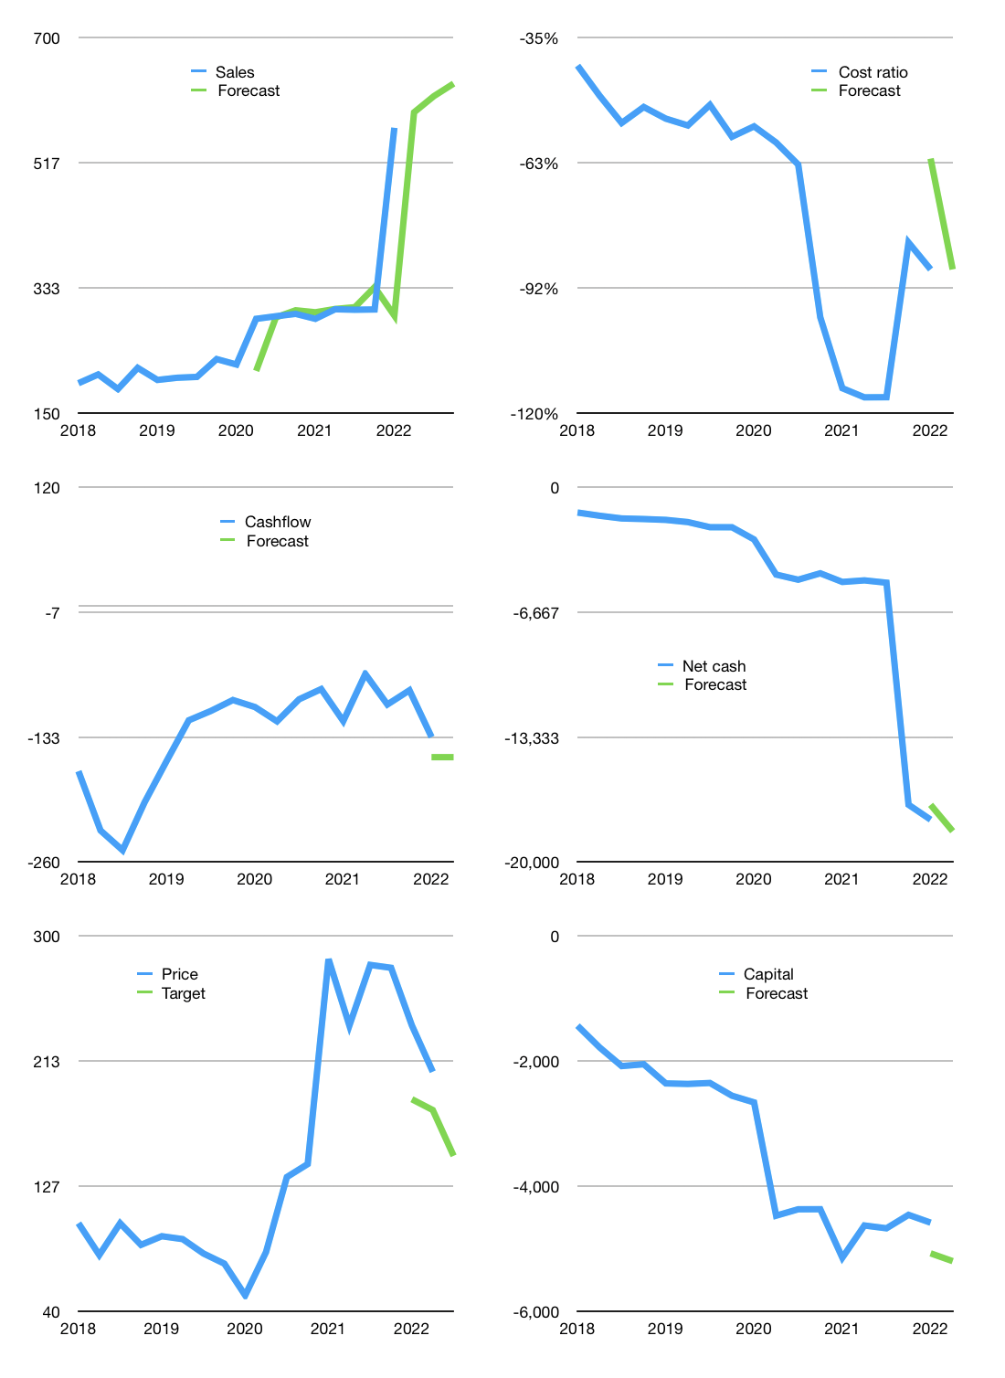
Financial model
Rpbn |  |  | 4Q 2022
Cashflow | 23% |  |  | 2%
Growth | 4% | 4% | 3% | -3%
Sales | 591 | 614 | 633 | 614
Cost ratio | -87% | -87% | -87% | -87%
Cash costs | -517 | -537 | -554 | -537
Operating | 74 | 77 | 79 | 77
Investment | -231 | -231 | -231 | -231
Finance | 157 | 154 | 151 | 154
Liabilities | -887 | -869 | -825 | -784
Revolver | 1,044 | 1,022 | 976 | 938
Payout | 0.3
Equity | 0 | 0 | 0 | 0
Before revolver | -1,044 | -1,022 | -976 | -938
Beginning | 521 | 521 | 521 | 521
Change | 0 | 0 | 0 | 0
Ending | 521 | 521 | 521 | 521
Profit
Non cash costs | -279 | -279 | -279 | -279
Net profit | -205 | -202 | -200 | -202
Balance Sheet
Other assets | 22,554 | 22,784 | 23,015 | 23,245
Depreciation | 3,449 | 3,728 | 4,007 | 4,286
Net other assets | 19,105 | 19,056 | 19,008 | 18,959
Liabilities | 17,371 | 16,502 | 15,677 | 14,893
Revolver | 1,044 | 2,066 | 3,042 | 3,980
Equity | 1,211 | 1,009 | 809 | 607
Check | 0 | 0 | 0 | 0
Net cash | -17,894 | -18,047 | -18,199 | -18,352
Valuation
Capital | -4,740 | -4,893 | -5,045 | -5,198
Current value |  |  |  | 6,423,800,971,264
Current value |  |  |  | 6,424
P/assets |  |  |  | 0.33
Yield |  |  |  | 0%
Cashflow |  |  |  | 307
Payback |  |  |  | 62
Valuation |  |  |  | 21
Forecast |  |  |  | 15
Value |  |  |  | 4,606
Shares |  |  |  | 31
Target |  |  |  | 148
Current |  |  |  | 206
V target |  |  |  | -28%
12 month growth |  |  |  | 97%
Sales forecasts |  |  |  | -1%

Sales
Sales
Rpbn | Sales | Forecast | Depreciation | Profit | Sales growth | Cost ratio | Cost ratio | Forecast
2015 | 24 |  | 17 | -12 |  | -81%
 | 25 |  | 18 | -10 | 4% | -70%
 | 27 |  | 20 | -10 | 8% | -63%
 | 29 |  | 23 | -20 | 8% | -91%
2016 | 28 |  | 20 | -9 | -2% | -63%
 | 36 |  | 23 | -6 | 26% | -52%
 | 35 |  | 29 | -5 | -2% | -32%
 | 41 |  | 30 | -9 | 17% | -50%
2017 | 167 |  | 141 | -49 | 306% | -45% | -45%
 | 170 |  | 121 | 9 | 1% | -23% | -38%
 | 164 |  | 126 | -39 | -3% | -47% | -41%
 | 207 |  | 144 | -40 | 26% | -50% | -41%
2018 | 194 |  | 133 | -27 | -6% | -45% | -41%
 | 206 |  | 7 | 95 | 7% | -50% | -48%
 | 185 |  | 89 | -36 | -10% | -72% | -54%
 | 216 |  | 136 | 3 | 17% | -35% | -51%
2019 | 198 |  | 79 | 9 | -8% | -56% | -53%
 | 202 |  | 84 | 3 | 2% | -57% | -55%
 | 203 |  | 95 | 0 | 1% | -53% | -50%
 | 229 |  | 86 | -4 | 13% | -64% | -57%
2020 | 221 |  | 106 | 12 | -3% | -46% | -55%
 | 288 | 212 | 117 | -34 | 30% | -71% | -59%
 | 292 | 290 | 140 | -61 | 1% | -73% | -64%
 | 295 | 301 | 123 | -426 | 1% | -203% | -98%
2021 | 288 | 298 | 135 | -166 | -2% | -111% | -114%
 | 302 | 302 | 135 | -73 | 5% | -80% | -116%
 | 301 | 305 | 135 | -54 | 0% | -73% | -116%
 | 302 | 334 | 135 | -22 | 0% | -62% | -81%
2022 | 568 | 293 | 279 | -478 | 88% | -135% | -87% | -62%
 |  | 591 |  |  |  |  |  | -87%
 |  | 614
 |  | 633
2023 |  | 614

FOLLOW THE CASHFLOW HIGHER
 | Region 1 | Region 2
April | 17 | 55
May | 26 | 43
June | 53 | 70
July | 96 | 58
 |  |  |  |  |  |  |  |  | Table 2
 |  |  |  |  |  |  |  |  |  | JCI index
 |  |  |  |  |  |  |  |  | 2017 | 5568
 |  |  |  |  |  |  |  |  |  | 5829
 |  |  |  |  |  |  |  |  |  | 5900
 |  |  |  |  |  |  |  |  |  | 6355
 |  |  |  |  |  |  |  |  | 2018 | 6188
 |  |  |  |  |  |  |  |  |  | 5799
 |  |  |  |  |  |  |  |  |  | 5976
 |  |  |  |  |  |  |  |  |  | 6194
 |  |  |  |  |  |  |  |  | 2019 | 6468
 |  |  |  |  |  |  |  |  |  | 6358
 |  |  |  |  |  |  |  |  |  | 6169
 |  |  |  |  |  |  |  |  |  | 6299
 |  |  |  |  |  |  |  |  | 2020 | 4538
 |  |  |  |  |  |  |  |  |  | 4914
 |  |  |  |  |  |  |  |  |  | 4970
 |  |  |  |  |  |  |  |  |  | 5979
 |  |  |  |  |  |  |  |  | 2021 | 6316

Capital
Capital
Rpbn | Liabilities | Equity | Total | Liabilities | Equity | Total
2011 | 0 | -1 | -1 | 0 | -1 | -1
2012 | 0 | 0 | 0 | 0 | -1 | -1
2013 | 0 | 680 | 680 | 0 | 679 | 679
2014 | 157 | 0 | 157 | 157 | 679 | 836
2015 | -22 | 445 | 423 | 135 | 1,124 | 1,260
2016 | -33 | -3 | -36 | 102 | 1,121 | 1,223
2017 | -1,347 | 2,072 | 725 | -1,245 | 3,193 | 1,948
2018 | 880 | 0 | 880 | -365 | 3,193 | 2,828
2019 | 504 | 0 | 504 | 138 | 3,193 | 3,332
2020 | 1,816 | 0 | 1,816 | 1,954 | 3,193 | 5,147
2021 | 218 | 0 | 218 | 2,172 | 3,193 | 5,365 | 488 | 828 | 258.88
2022 | 125 | 0 | 125 | 2,297 | 3,193 | 5,490

CENT 5.5 trillion rupiah raised so far
 |  |  |  |  |  |  |  |  |  | Table 1-1

 |  |  |  |  |  |  |  |  |  |  | Market value | IDR6423800971264
 |  |  |  |  |  |  |  |  |  |  | CENT | capital history | 4% | of market cap raised last 12 months
 |  |  |  |  |  |  |  |  |  |  | 2022-05-05
 |  |  |  |  |  |  |  |  |  |  | Start date | 2011
 |  |  |  |  |  |  |  |  |  |  | Number of quarters | 44
 |  |  |  |  |  |  |  |  |  |  | Market value Rpbn | 6,424
 |  |  |  |  |  |  |  |  |  |  | Liabilities | 2,297 | billion rupiah | raised
 |  |  |  |  |  |  |  |  |  |  | CENT | has | raised | liabilities | by an average | 197 | billion rupiah | every year | 3% | of market value
 |  |  |  |  |  |  |  |  |  |  | In the last 5 years | liabilities | were | raised | by an average | 414 | billion rupiah | every year | 6% | of market value
 |  |  |  |  |  |  |  |  |  |  | The peak in cumulative liabilities | was | 2,297 | billion rupiah | in | 2022
 |  |  |  |  |  |  |  |  |  |  | As of the latest quarter | liabilities | cumulative | are | up | to | 2,297 | billion rupiah
 |  |  |  |  |  |  |  |  |  |  | Equity | 3,193 | billion rupiah | raised
 |  |  |  |  |  |  |  |  |  |  | CENT | has | raised | equity | by an average | 290 | billion rupiah | every year | 5% | of market value
 |  |  |  |  |  |  |  |  |  |  | In the last 5 years | equity | was | raised | by an average | 414 | billion rupiah | every year | 6% | of market value
 |  |  |  |  |  |  |  |  |  |  | The peak in cumulative equity | was | 3,193 | billion rupiah | in | 2020
 |  |  |  |  |  |  |  |  |  |  | As of the latest quarter | equity | cumulative | is | up | to | 3,193 | billion rupiah
 |  |  |  |  |  |  |  |  |  |  | Total capital | 5,490 | billion rupiah | raised
 |  |  |  |  |  |  |  |  |  |  | CENT | has | raised | total capital | by an average | 488 | billion rupiah | every year | 8% | of market value
 |  |  |  |  |  |  |  |  |  |  | In the last 5 years | total capital | was | raised | by an average | 828 | billion rupiah | every year | 13% | of market value
 |  |  |  |  |  |  |  |  |  |  | The peak in cumulative total capital | was | 5,490 | billion rupiah | in | 2022
 |  |  |  |  |  |  |  |  |  |  | As of the latest quarter | total capital | cumulative | is | up | to | 5,490 | billion rupiah | 4% | of market cap raised last 12 months

