Model
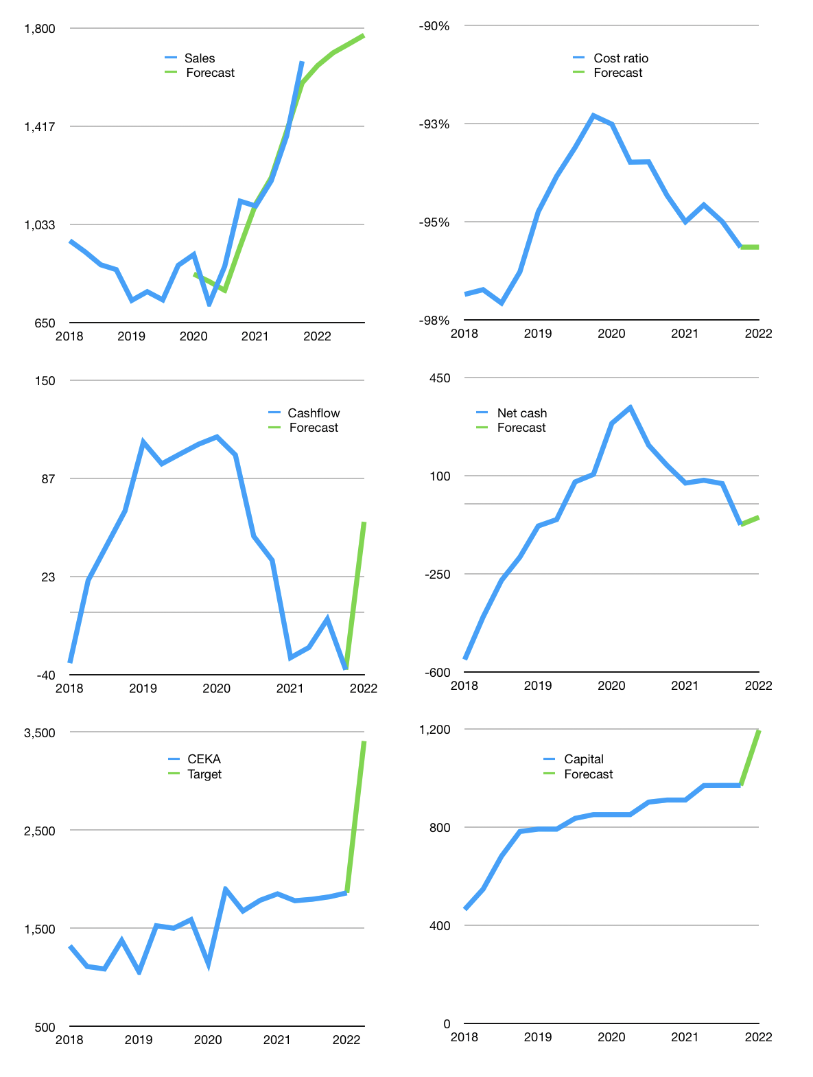
Financial model
Rpbn |  |  |  | 4Q 2022
Cash flow | 11% |  |  | 2%
Growth | -1% | 3% | 2% | 2%
Sales | 1,654 | 1,704 | 1,738 | 1,773
Cost ratio | -96% | -96% | -96% | -96%
Cash cost | -1,588 | -1,636 | -1,669 | -1,702
Operating | 66 | 68 | 69 | 71
Investment | -12 | -12 | -12 | -12
Finance | -54 | -56 | -57 | -59
Liabilities | -16 | -15 | -14 | -13
Equity | -48 | -49 | -50 | -51
Before revolver | -9 | -8 | -7 | -6
Revolver | 9 | 8 | 7 | 6
Beginning | 234 | 234 | 234 | 234
Change | 0 | 0 | 0 | 0
Ending | 234 | 234 | 234 | 234
Profit
Non cash costs | -6 | -6 | -6 | -6
Net profit | 60 | 62 | 63 | 64
Balance sheet
Other assets | 1,776 | 1,788 | 1,800 | 1,812
Depreciation | 308 | 314 | 320 | 326
Net other assets | 1,468 | 1,474 | 1,480 | 1,486
Liabilities | 295 | 280 | 266 | 252
Revolver | 9 | 18 | 25 | 31
Equity | 1,399 | 1,411 | 1,424 | 1,437
Check | 0 | 0 | 0 | 0
Net cash | -69 | -63 | -56 | -49
Valuation
Capital | 1,023 | 1,078 | 1,136 | 1,194
Current value |  |  |  | 1,106,700,000,000
Current value |  |  |  | 1,107
P/assets |  |  |  | 0.64
Yield |  |  |  | 18%
Cashflow |  |  |  | 225
Payback |  |  |  | 6
Valuation |  |  |  | 5
Forecast |  |  |  | 9
Value |  |  |  | 2,027
Shares |  |  |  | 0.6
Target |  |  |  | 3,406
Current |  |  |  | 1,860
V target |  |  |  | 83%
12 month growth |  |  |  | 49%
Sales forecasts |  |  |  | -3%

