Model
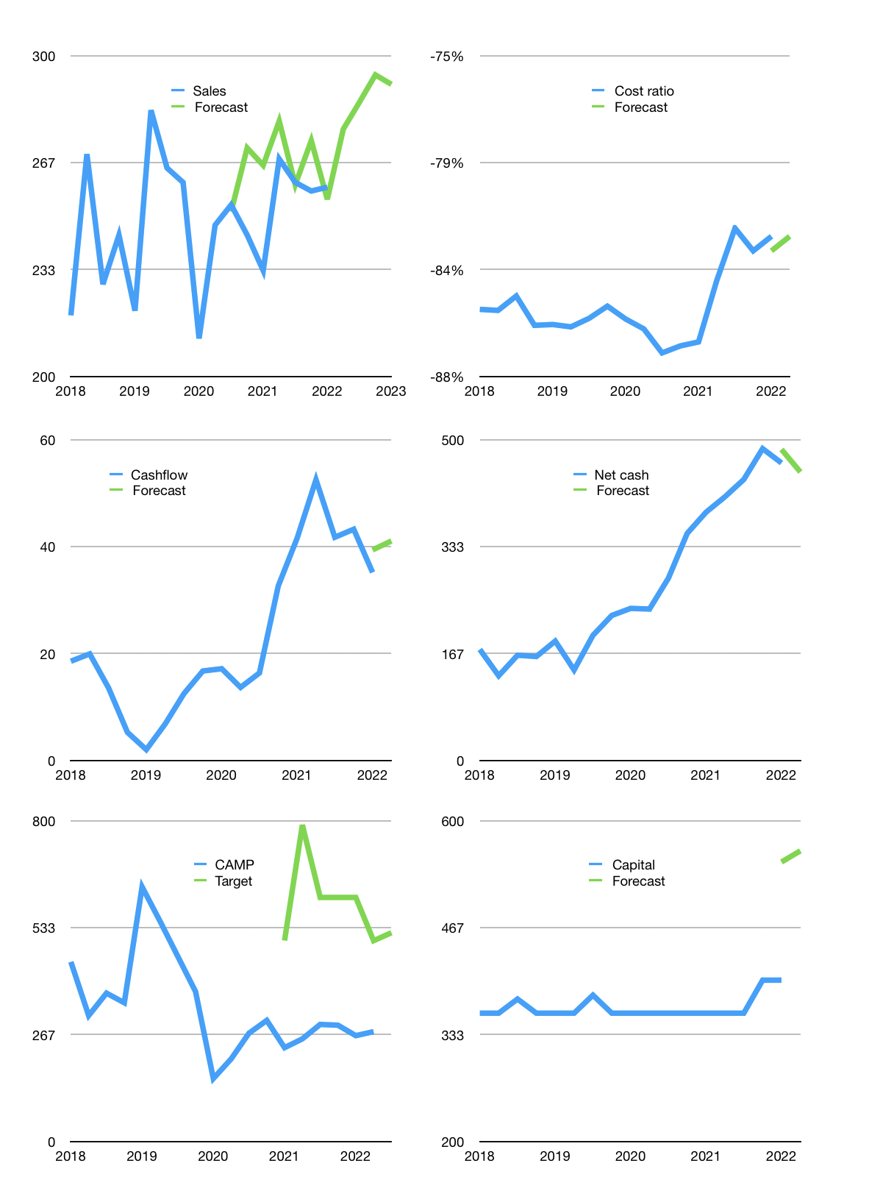
Financial model
Rpbn |  |  | 4Q 2022
Cashflow | 3% |  |  | 3%
Growth | 7% | 3% | 3% | -1%
Sales | 277 | 285 | 294 | 291
Cost ratio | -82% | -82% | -82% | -82%
Cash costs | -228 | -235 | -242 | -240
Operating | 49 | 50 | 52 | 51
Investment | -10 | -10 | -10 | -10
Finance | -39 | -40 | -42 | -41
Liabilities | -8 | -8 | -8 | -7
Revolver | 11 | 11 | 12 | 11
Payout | 1.3
Equity | -42 | -43 | -45 | -45
Before revolver | -11 | -11 | -12 | -11
Beginning | 633 | 633 | 633 | 633
Change | 0 | 0 | 0 | 0
Ending | 633 | 633 | 633 | 633
Profit
Non cash costs | -17 | -17 | -17 | -17
Net profit | 32 | 33 | 35 | 34
Balance sheet
Other assets | 1,301 | 1,311 | 1,322 | 1,332
Depreciation | 720 | 737 | 754 | 771
Net other assets | 581 | 574 | 568 | 561
Liabilities | 161 | 153 | 145 | 138
Revolver | 11 | 23 | 34 | 45
Equity | 1,041 | 1,031 | 1,021 | 1,011
Check | 0 | 0 | 0 | 0
Net cash | 461 | 457 | 453 | 450
Valuation
Capital | 440 | 480 | 521 | 562
Current value |  |  |  | 1,612,490,080,256
Current value |  |  |  | 1,612
P/assets |  |  |  | 1.35
Yield |  |  |  | 11%
Cashflow |  |  |  | 161
Payback |  |  |  | 4
Valuation |  |  |  | 10
Forecast |  |  |  | 19
Value |  |  |  | 3,064
Shares |  |  |  | 6
Target |  |  |  | 521
Current |  |  |  | 274
V target |  |  |  | 90%
12 month growth |  |  |  | 11%
Sales form |  |  |  | 5%

