Model
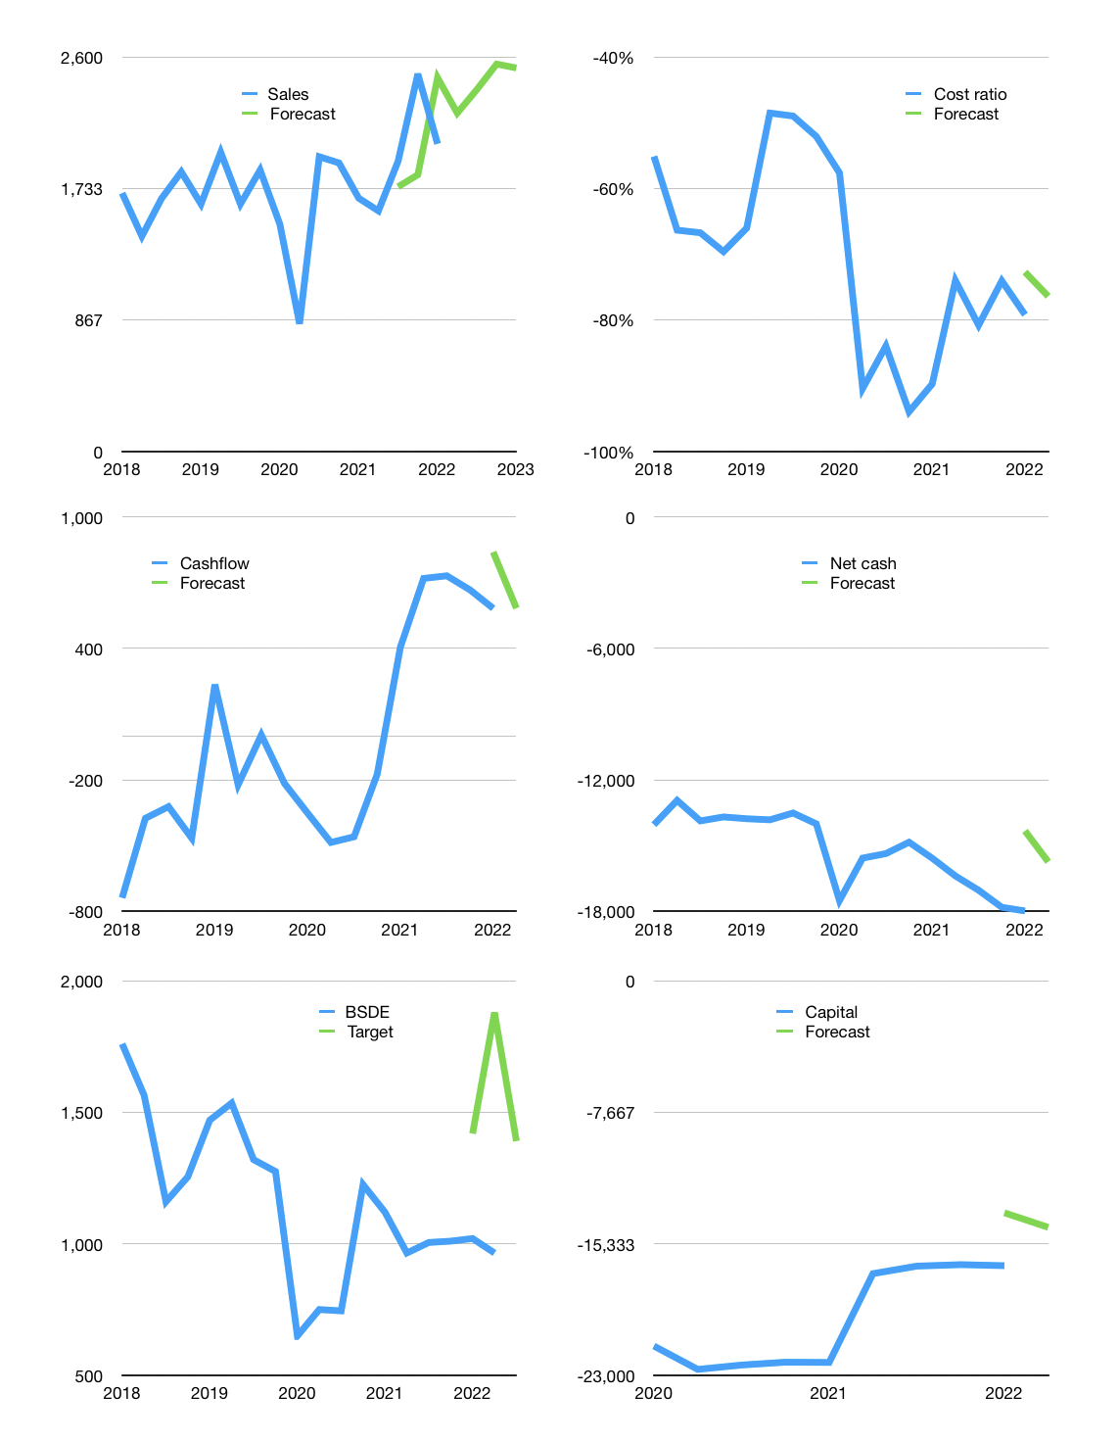
Financial model
Rpbn |  |  | 4Q 2022
Cashflow | 7% |  |  | 6%
Growth | 10.0% | 7% | 7% | -1%
Sales | 2,229 | 2,386 | 2,553 | 2,527
Cost ratio | -76% | -76% | -76% | -76%
Cash costs | -1,704 | -1,823 | -1,950 | -1,931
Operating | 526 | 563 | 602 | 596
Investment | -11 | -11 | -11 | -11
Leases | -2 | -2 | -2 | -2
Finance | -515 | -552 | -591 | -585
Liabilities | -1,345 | -1,278 | -1,214 | -1,153
Revolver | 830 | 726 | 623 | 568
Payout | 0.0
Equity | 0 | 0 | 0 | 0
Before revolver | -830 | -726 | -623 | -568
Beginning | 8,927 | 8,927 | 8,927 | 8,927
Change | 0 | 0 | 0 | 0
Ending | 8,927 | 8,927 | 8,927 | 8,927
Profit
Non cash costs | -106 | -106 | -106 | -106
Profit | 420 | 457 | 496 | 490
Balance sheet
Other assets | 62,640 | 62,650 | 62,661 | 62,672
Depreciation | 8,529 | 8,635 | 8,741 | 8,847
Net other assets | 54,111 | 54,015 | 53,920 | 53,825
Liabilities | 25,558 | 24,280 | 23,066 | 21,913
Revolver | 830 | 1,556 | 2,178 | 2,746
Equity | 36,650 | 37,107 | 37,603 | 38,093
Check | 0 | 0 | 0 | 0
Net cash | -17,461 | -16,909 | -16,317 | -15,732
Valuation
Capital | -16,096 | -15,546 | -14,956 | -14,372
Current value |  |  |  | 20,181,430,566,912
Current value |  |  |  | 20,181
P/assets |  |  |  | 0.32
Yield |  |  |  | 0%
Cashflow |  |  |  | 2,237
Payback |  |  |  | 24
Valuation |  |  |  | 9
Forecast |  |  |  | 13
Value |  |  |  | 29,082
Shares |  |  |  | 21
Target |  |  |  | 1,391
Current |  |  |  | 965
V target |  |  |  | 44%
12 month growth |  |  |  | 21%
Sales forecasts |  |  |  | -6%

Capital
Capital
 | Finance | Interest |  | Capital
2007 | 117 | -132 | -249 | -249
2008 | 175 | -158 | -333 | -582
2009 | -502 | -224 | 278 | -303
2010 | 4,526 | -112 | -4,638 | -4,941
2011 | -987 | -167 | 820 | -4,121
2012 | 304 | -80 | -384 | -4,505
2013 | 2,581 | -166 | -2,747 | -7,252
2014 | 673 | -376 | -1,049 | -8,301
2015 | 4,068 | -635 | -4,703 | -13,004
2016 | -1,254 | -824 | 430 | -12,574
2017 | 596 | -562 | -1,158 | -13,732
2018 | 3,363 | -828 | -4,191 | -17,923
2019 | -1,280 | -915 | 365 | -17,558
2020 | 3,307 | -1,153 | -4,460 | -22,018
2021 | -5,759 | -597 | 5,162 | -16,856
 |  |  | -9,257

 |  |  |  |  | Capital-1
 |  |  |  |  | Rpbn | Liabilities | Equity | Total | Liabilities | Equity | Total
 |  |  |  |  | 2005 |  |  | 0 | 0 | 0 | 0
 |  |  |  |  | 2006 |  |  | 0 | 0 | 0 | 0
 |  |  |  |  | 2007 | 250 | 0 | 250 | 250 | 0 | 250
 |  |  |  |  | 2008 | -250 | 583 | 333 | 0 | 583 | 583
 |  |  |  |  | 2009 | -230 | -50 | -280 | -230 | 533 | 303
 |  |  |  |  | 2010 | -234 | 4,871 | 4,637 | -464 | 5,404 | 4,940
 |  |  |  |  | 2011 | -647 | -174 | -821 | -1,111 | 5,230 | 4,119
 |  |  |  |  | 2012 | 471 | -87 | 384 | -640 | 5,143 | 4,503
 |  |  |  |  | 2013 | 2,978 | -231 | 2,747 | 2,338 | 4,912 | 7,250
 |  |  |  |  | 2014 | 160 | 888 | 1,048 | 2,498 | 5,800 | 8,298
 |  |  |  |  | 2015 | 3,466 | 1,271 | 4,737 | 5,964 | 7,071 | 13,035
 |  |  |  |  | 2016 | -427 | 68 | -359 | 5,537 | 7,139 | 12,676
 |  |  |  |  | 2017 | 1,398 | -175 | 1,223 | 6,935 | 6,964 | 13,899
 |  |  |  |  | 2018 | 4,581 | -342 | 4,239 | 11,516 | 6,622 | 18,138
 |  |  |  |  | 2019 | -256 | -103 | -359 | 11,260 | 6,519 | 17,779
 |  |  |  |  | 2020 | 3,400 | 1,060 | 4,460 | 14,660 | 7,579 | 22,239
 |  |  |  |  | 2021 | -5,361 | -326 | -5,687 | 9,300 | 7,253 | 16,553 | 1,104 | 775 | -5686.5

 |  |  |  |  |  |  |  |  |  |  |  |  |  |  | Table 1-1

BSDE 16.6 trillion rupiah raised
 |  |  |  |  |  |  |  |  |  |  |  |  |  |  |  | Market value | IDR20181430566912
 |  |  |  |  |  |  |  |  |  |  |  |  |  |  |  | BSDE | capital history | -28% | of market value | paid in 2021
 |  |  |  |  |  |  |  |  |  |  |  |  |  |  |  | 2022-04-13
 |  |  |  |  |  |  |  |  |  |  |  |  |  |  |  | Start date | 2007
 |  |  |  |  |  |  |  |  |  |  |  |  |  |  |  | Number of quarters | 60
 |  |  |  |  |  |  |  |  |  |  |  |  |  |  |  | Market value Rpbn | 20,181
 |  |  |  |  |  |  |  |  |  |  |  |  |  |  |  | Liabilities | 9,300 | billion rupiah | raised
 |  |  |  |  |  |  |  |  |  |  |  |  |  |  |  | BSDE | has | raised | liabilities | by an average | 620 | billion rupiah | every year | 3% | of market value
 |  |  |  |  |  |  |  |  |  |  |  |  |  |  |  | In the last 5 years | liabilities | were | raised | by an average | 753 | billion rupiah | every year | 4% | of market value
 |  |  |  |  |  |  |  |  |  |  |  |  |  |  |  | The peak in cumulative liabilities | was | 14,660 | billion rupiah | in | 2020
 |  |  |  |  |  |  |  |  |  |  |  |  |  |  |  | As of the latest quarter | liabilities | cumulative | are | down | to | 9,300 | billion rupiah
 |  |  |  |  |  |  |  |  |  |  |  |  |  |  |  | Equity | 7,253 | billion rupiah | raised
 |  |  |  |  |  |  |  |  |  |  |  |  |  |  |  | BSDE | has | raised | equity | by an average | 484 | billion rupiah | every year | 2% | of market value
 |  |  |  |  |  |  |  |  |  |  |  |  |  |  |  | In the last 5 years | equity | was | raised | by an average | 23 | billion rupiah | every year | 0% | of market value
 |  |  |  |  |  |  |  |  |  |  |  |  |  |  |  | The peak in cumulative equity | was | 7,579 | billion rupiah | in | 2020
 |  |  |  |  |  |  |  |  |  |  |  |  |  |  |  | As of the latest quarter | equity | cumulative | is | down | to | 7,253 | billion rupiah
 |  |  |  |  |  |  |  |  |  |  |  |  |  |  |  | Total capital | 16,553 | billion rupiah | raised
 |  |  |  |  |  |  |  |  |  |  |  |  |  |  |  | BSDE | has | raised | total capital | by an average | 1,104 | billion rupiah | every year | 5% | of market value
 |  |  |  |  |  |  |  |  |  |  |  |  |  |  |  | In the last 5 years | total capital | was | raised | by an average | 775 | billion rupiah | every year | 4% | of market value
 |  |  |  |  |  |  |  |  |  |  |  |  |  |  |  | The peak in cumulative total capital | was | 22,239 | billion rupiah | in | 2020
 |  |  |  |  |  |  |  |  |  |  |  |  |  |  |  | As of the latest quarter | total capital | cumulative | is | down | to | 16,553 | billion rupiah | -28% | of market value | paid in 2021

