Model
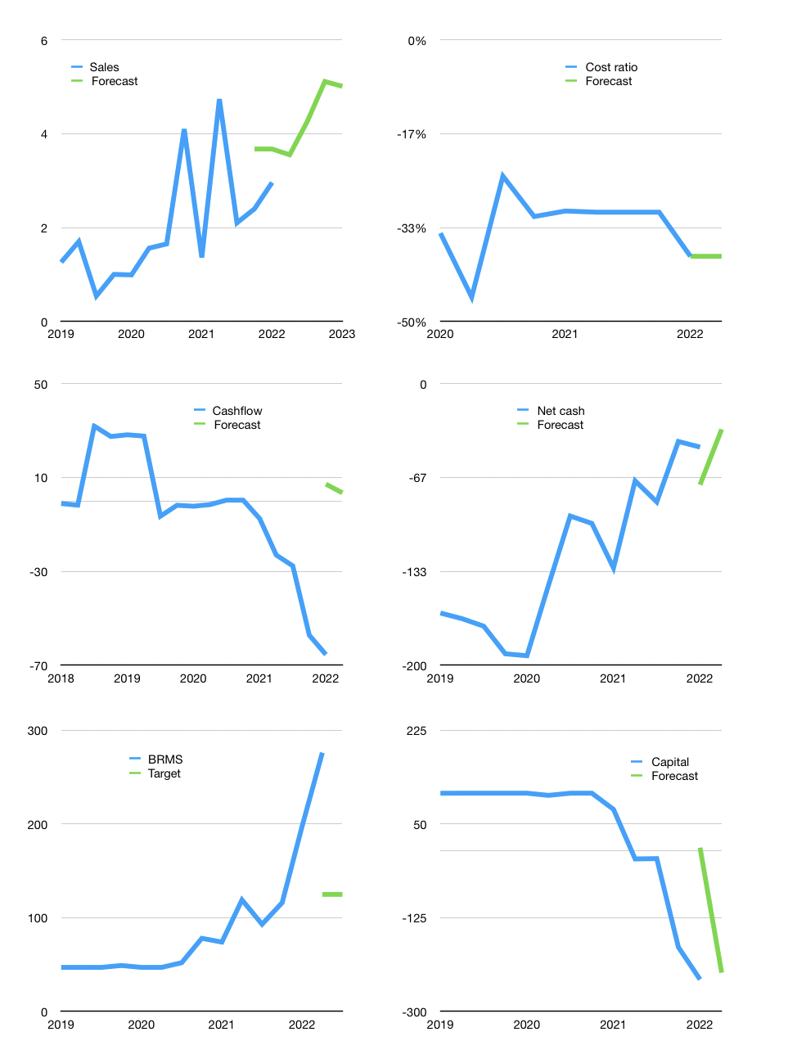
Financial model
$m |  |  | 4Q 2023
Cashflow | 58% |  |  | 15%
Growth | 20% | 20% | 20% | -2%
Sales | 4 | 4 | 5 | 5
Cost ratio | -38% | -38% | -38% | -38%
Costs | -1 | -2 | -2 | -2
Operating | 2 | 3 | 3 | 3
Investment | 0 | 0 | 0 | 0
Finance | -3 | -3 | -4 | -3
Liabilities | -5 | -5 | -5 | -4
Revolver | 2 | 2 | 1 | 1
Payout | 0.0
Equity | 0 | 0 | 0 | 0
Before revolver | -2 | -2 | -1 | -1
Beginning | 55 | 55 | 55 | 55
Change | 0 | 0 | 0 | 0
End | 55 | 55 | 55 | 55
Profit
Non cash | 0 | 0 | 0 | 0
Profit | 2 | 2 | 3 | 3
Balance sheet
Other assets | 996 | 995 | 995 | 995
Depreciation | 10 | 10 | 10 | 10
Net other assets | 986 | 986 | 985 | 984
Liabilities | 95 | 90 | 86 | 81
Revolver | 2 | 4 | 5 | 6
Equity | 944 | 946 | 949 | 952
Check | 0 | 0 | 0 | 0
Net cash | -42 | -39 | -36 | -32
Valuation
Rupiah |  |  |  | 14
Capital | -238 | -235 | -231 | -228
Current value |  |  |  | 39,132,386,557,952
Current value |  |  |  | 2,795
P/assets |  |  |  | 2.69
Yield |  |  |  | 0%
Cashflow |  |  |  | 13
Payback |  |  |  | 78
Valuation |  |  |  | 221
Valuation |  |  |  | 100
Value |  |  |  | 1,264
Shares |  |  |  | 142
Target |  |  |  | 125
Current |  |  |  | 276
V target |  |  |  | -55%
12 month growth |  |  |  | 118%
Sales forecast |  |  |  | 37%

