Model
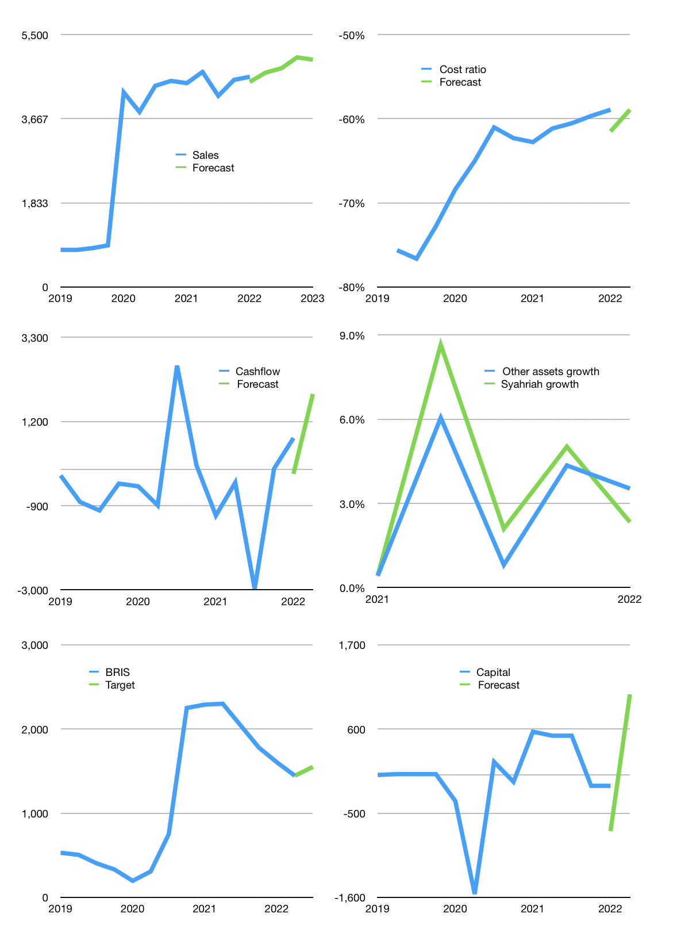
Financial model
Rpbn |  |  | 4Q 2022
Cashflow | 1% |  |  | 2%
Growth | 2% | 2% | 5% | -1%
Sales | 4,672 | 4,765 | 5,003 | 4,953
Cost ratio | -59% | -59% | -59% | -59%
Cash costs | -2,753 | -2,808 | -2,948 | -2,919
Operating | 1,919 | 1,957 | 2,055 | 2,034
Investment | -147 | -147 | -147 | -147
Finance | -277 | -289 | -318 | -312
Payout | 0.3
Equity | -277 | -289 | -318 | -312
Before revolver | 1,494 | 1,521 | 1,590 | 1,575
Revolver | 0 | 0 | 0 | 0
Beginning | 24,122 | 25,616 | 27,137 | 28,727
Change | 1,494 | 1,521 | 1,590 | 1,575
Ending | 25,616 | 27,137 | 28,727 | 30,303
Profit
Depreciation | -153 | -153 | -153 | -153
Provision | -842 | -842 | -842 | -842
Net profit | 924 | 962 | 1,060 | 1,040
Balance sheet
Other assets | 250,142 | 250,289 | 250,436 | 250,583
Depreciation | 3,818 | 4,813 | 5,807 | 6,802
Net other assets | 246,325 | 245,477 | 244,629 | 243,781
Liabilities | 62,752 | 62,752 | 62,752 | 62,752
Revolver | 0 | 0 | 0 | 0
Syahriah | 182,557 | 182,557 | 182,557 | 182,557
Equity | 26,632 | 27,305 | 28,047 | 28,775
Check | 0 | 0 | 0 | 0
Valuation
Capital | 135 | 424 | 742 | 1,053
Current value |  |  |  | 61,890
P/assets |  |  |  | 0.23
Yield |  |  |  | 2%
Cashfkow |  |  |  | 7,377
Valuation |  |  |  | 8
Forecast |  |  |  | 9
Value |  |  |  | 66,393
Shares |  |  |  | 43
Target |  |  |  | 1,550
Current |  |  |  | 1,445
V target |  |  |  | 7%
12 month growth |  |  |  | 3%
Sales forecasts |  |  |  | -2%

Capital
Capital
 | Liabilities | Equity | Total | Liabilities | Equity | Total
1998 |  |  | 0 | 0 | 0 | 0
1999 |  |  | 0 | 0 | 0 | 0
2000 |  |  | 0 | 0 | 0 | 0
2001 |  |  | 0 | 0 | 0 | 0
2002 |  |  | 0 | 0 | 0 | 0
2003 |  |  | 0 | 0 | 0 | 0
2004 |  |  | 0 | 0 | 0 | 0
2005 |  |  | 0 | 0 | 0 | 0
2006 |  |  | 0 | 0 | 0 | 0
2007 |  |  | 0 | 0 | 0 | 0
2008 |  | 443 | 443 | 0 | 443 | 443
2009 |  | 0 | 0 | 0 | 443 | 443
2010 |  | 496 | 496 | 0 | 939 | 939
2011 |  | 0 | 0 | 0 | 939 | 939
2012 | 100 |  | 100 | 100 | 939 | 1,039
2013 |  | 500 | 500 | 100 | 1,439 | 1,539
2014 |  | 0 | 0 | 100 | 1,439 | 1,539
2015 |  | 500 | 500 | 100 | 1,939 | 2,039
2016 | 1,000 |  | 1,000 | 1,100 | 1,939 | 3,039
2017 |  | -100 | -100 | 1,100 | 1,839 | 2,939
2018 |  | 2,312 | 2,312 | 1,100 | 4,151 | 5,251
2019 |  | -11 | -11 | 1,100 | 4,140 | 5,240
2020 |  | 101 | 101 | 1,100 | 4,241 | 5,341
2021 |  | 52 | 52 | 1,100 | 4,293 | 5,393 | 385 | 471 | 707
2022 |  | 0 | 0 | 1,100 | 4,293 | 5,393

BRIS HAS Raised 5.4 TRILLION RUPIAH SO FAR

