Model
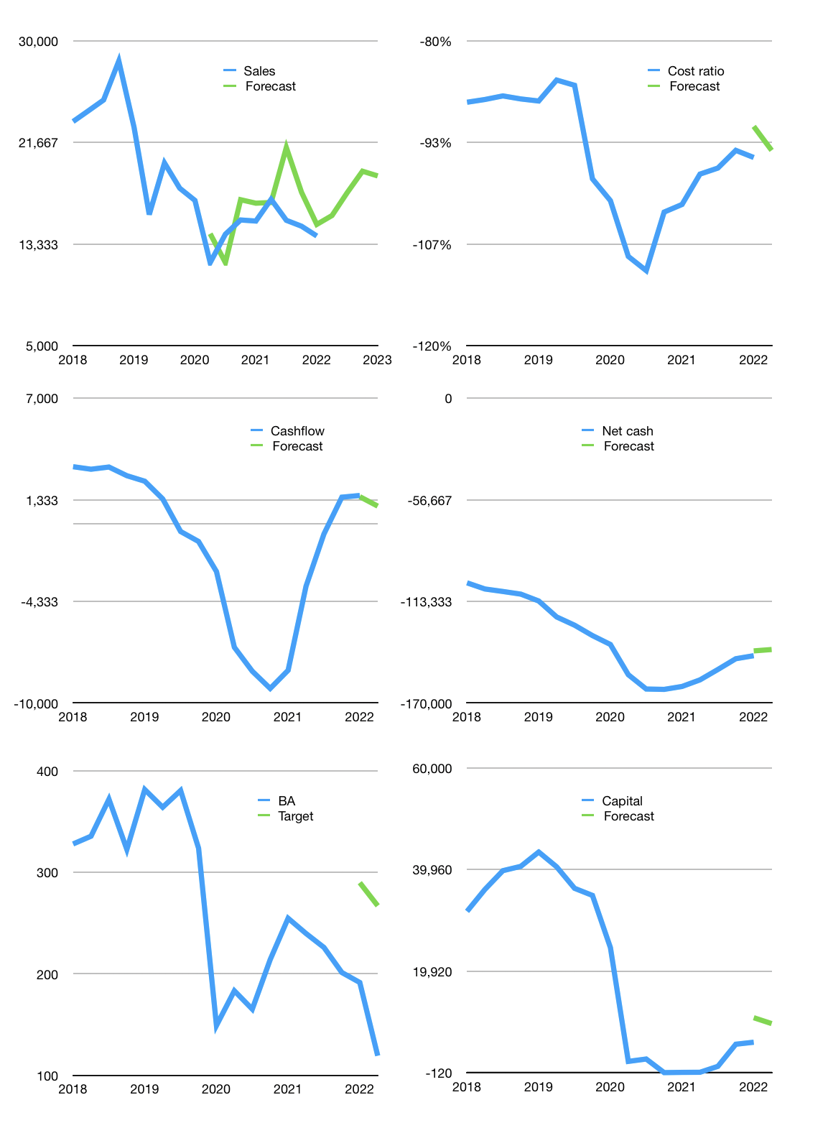
Financial model
$m |  |  | 4Q 2022
Cashflow | -2% |  |  | 8%
Growth | 12% | 12% | 10% | -2%
Sales | 15,670 | 17,550 | 19,305 | 18,919
Cost ratio | -94% | -94% | -94% | -94%
Cash costs | -14,789 | -16,563 | -18,220 | -17,855
Operating | 881 | 987 | 1,086 | 1,064
Investment | -86 | -86 | -86 | -86
Finance | -795 | -901 | -1,000 | -978
Liabilities | -7,553 | -7,176 | -6,817 | -6,476
Revolver | 6,779 | 6,327 | 5,899 | 5,574
Payout | 0.3
Equity | -21 | -53 | -82 | -76
Before revolver | -6,779 | -6,327 | -5,899 | -5,574
Beginning | 7,409 | 7,409 | 7,409 | 7,409
Change | 0 | 0 | 0 | 0
Ending | 7,409 | 7,409 | 7,409 | 7,409
Profit
Non cash costs | -812 | -812 | -812 | -812
Net profit | 69 | 175 | 274 | 252
Balance sheet
Other assets | 158,480 | 158,566 | 158,652 | 158,738
Depreciation | 30,814 | 31,626 | 32,438 | 33,250
Net other assets | 127,666 | 126,940 | 126,214 | 125,488
Liabilities | 143,516 | 136,340 | 129,523 | 123,047
Revolver | 6,779 | 13,106 | 19,005 | 24,579
Equity | -15,219 | -15,097 | -14,905 | -14,729
Check | 0 | 0 | 0 | 0
Net cash | -142,885 | -142,037 | -141,119 | -140,217
Valuation
Capital | 6,676 | 7,577 | 8,577 | 9,555
Current value |  |  |  | 70,641,336,320
Current value |  |  |  | 70,641
P/assets |  |  |  | 0.53
Yield |  |  |  | 0%
Cashflow |  |  |  | 3,674
Payback |  |  |  | 35
Valuation |  |  |  | 19
Forecast |  |  |  | 25
Value |  |  |  | 91,857
Shares |  |  |  | 592
Target |  |  |  | 155
Current |  |  |  | 119
V target |  |  |  | 30%
11 month growth |  |  |  | -8%
Sales forecasts |  |  |  | 11%

