Model
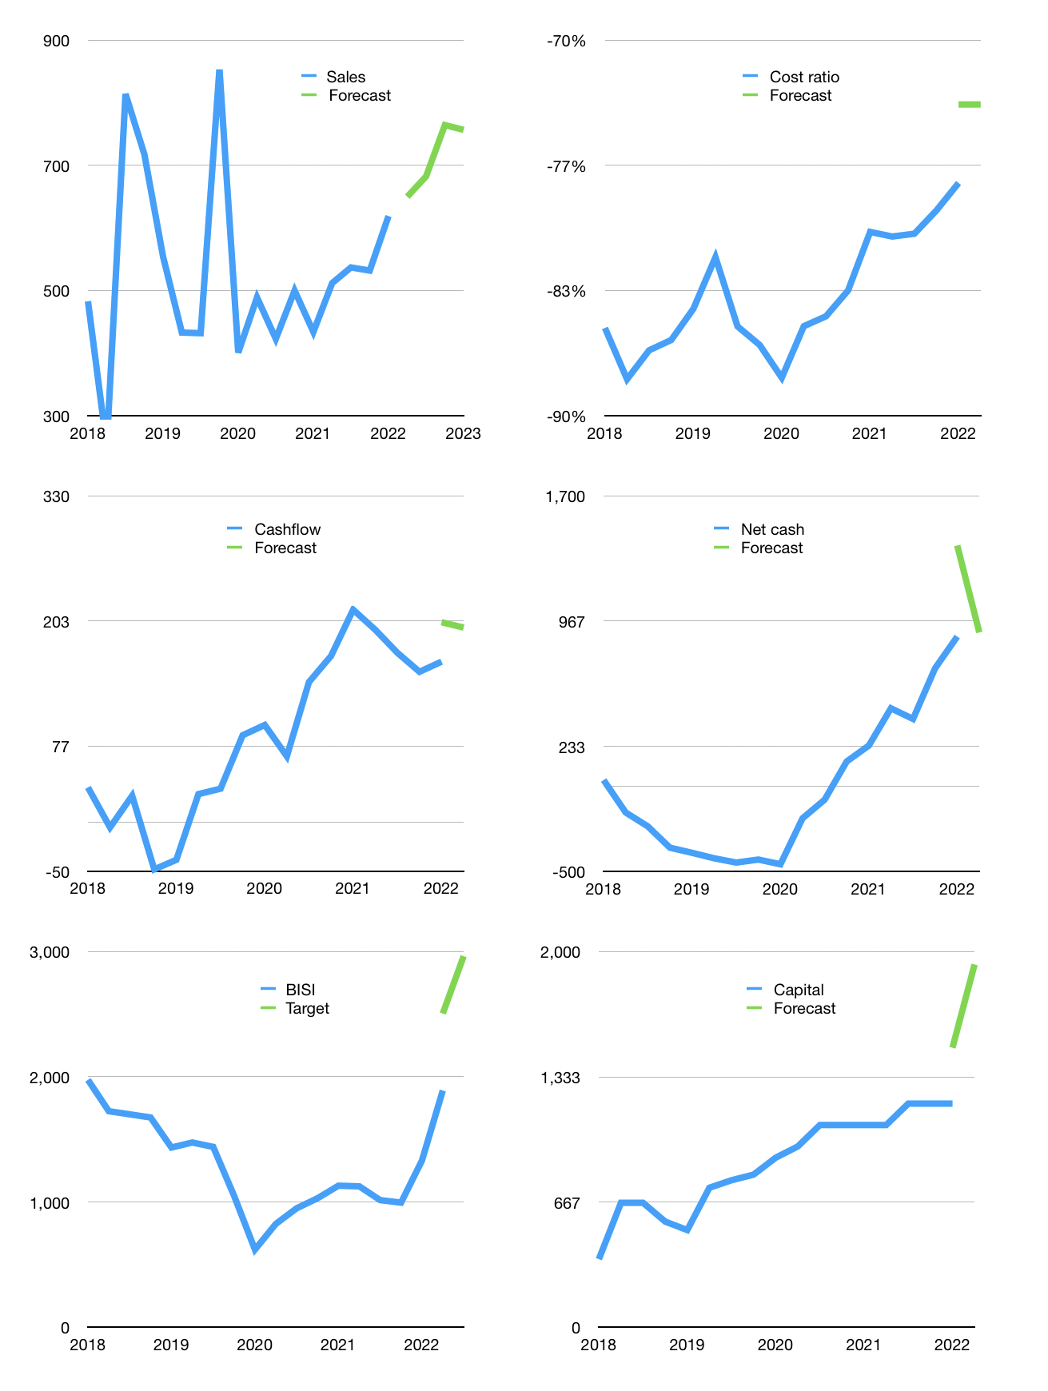
Financial model
Rpbn |  |  | 4Q 2022
Cashflow | 10% |  |  | 5%
Growth | 5% | 5% | 12% | -1%
Sales | 650 | 682 | 764 | 757
Cost ratio | -73% | -73% | -73% | -73%
Cash costs | -477 | -501 | -561 | -556
Operating | 173 | 181 | 203 | 201
Investment | -4 | -4 | -4 | -4
Finance | -168 | -177 | -199 | -197
Liabilities | -21 | -20 | -19 | -18
Revolver | 15 | 14 | 13 | 12
Payout | 1.0
Equity | -162 | -171 | -193 | -191
Before revolver | -15 | -14 | -13 | -12
Beginning | 1,304 | 1,304 | 1,304 | 1,304
Change | 0 | 0 | 0 | 0
Ending | 1,304 | 1,304 | 1,304 | 1,304
Profit
Non cash costs | -11 | -11 | -11 | -11
Profit | 162 | 171 | 193 | 191
Balance sheet
Other assets | 2,010 | 2,015 | 2,019 | 2,024
Depreciation | 11 | 21 | 32 | 42
Net other assets | 2,000 | 1,994 | 1,988 | 1,982
Liabilities | 407 | 386 | 367 | 349
Revolver | 15 | 30 | 43 | 55
Equity | 2,882 | 2,882 | 2,882 | 2,882
Check | 0 | 0 | 0 | 0
Net cash | 882 | 888 | 894 | 900
Valuation
Capital | 1,359 | 1,536 | 1,735 | 1,932
Current value |  |  |  | 5,670,000,132,096
Current value |  |  |  | 5,670
P/assets |  |  |  | 1.73
Yield |  |  |  | 13%
Cashflow |  |  |  | 741
Payback |  |  |  | 3
Valuation |  |  |  | 8
Forecast |  |  |  | 12
Value |  |  |  | 8,888
Shares |  |  |  | 3
Target |  |  |  | 2,963
Current |  |  |  | 1,890
V target |  |  |  | 57%
12 month growth |  |  |  | 43%
Sales forecasts |  |  |  | -100%

Capital
Capital
$m | Liabilities | Equity | Total | Liabilities | Equity | Total
2010 | -152 | 0 | -152 | -152 | 0 | -152
2011 | 49 | -30 | 19 | -103 | -30 | -133
2012 | -1 | -30 | -31 | -104 | -60 | -164
2013 | -50 | -30 | -80 | -154 | -90 | -244
2014 | -1 | -36 | -37 | -155 | -126 | -281
2015 | 0 | -63 | -63 | -155 | -189 | -344
2016 | 0 | -99 | -99 | -155 | -288 | -443
2017 | 50 | -264 | -214 | -105 | -552 | -657
2018 | 50 | -300 | -250 | -55 | -852 | -907
2019 | 50 | -300 | -250 | -5 | -1,152 | -1,157 | -127.91666667
2020 | -150 | -114 | -264 | -155 | -1,266 | -1,421 | -218.4
2021 | 0 | -114 | -114 | -155 | -1,380 | -1,535 | -114

BISI HAS PAID OUT 49% OF CURRENT MARKET CAP.
 |  |  |  |  |  |  |  | Table 1

 |  |  |  |  |  |  |  |  | Market value | IDR5670000132096
 |  |  |  |  |  |  |  |  | BISI | capital history | -4% | of market value | paid in last 5 years.
 |  |  |  |  |  |  |  |  | 2022-03-23
 |  |  |  |  |  |  |  |  | Start date | 2011
 |  |  |  |  |  |  |  |  | Number of quarters | 44
 |  |  |  |  |  |  |  |  | Market value Rpbn | 5,670
 |  |  |  |  |  |  |  |  | Liabilities | -155 | billion rupiah | paid
 |  |  |  |  |  |  |  |  | BISI | has | paid | liabilities | by an average | -13 | billion rupiah | every year | 0% | of market value
 |  |  |  |  |  |  |  |  | In the last 5 years | liabilities | were | paid | by an average | 0 | billion rupiah | every year | 0% | of market value
 |  |  |  |  |  |  |  |  | The peak in cumulative liabilities | was | -5 | billion rupiah | in | 2019
 |  |  |  |  |  |  |  |  | As of the latest quarter | liabilities | cumulative | are | down | to | -155 | billion rupiah
 |  |  |  |  |  |  |  |  | Equity | -1,380 | billion rupiah | paid
 |  |  |  |  |  |  |  |  | BISI | has | paid | equity | by an average | -115 | billion rupiah | every year | -2% | of market value
 |  |  |  |  |  |  |  |  | In the last 5 years | equity | was | paid | by an average | -218 | billion rupiah | every year | -4% | of market value
 |  |  |  |  |  |  |  |  | The peak in cumulative equity | was | 0 | billion rupiah | in | 2010
 |  |  |  |  |  |  |  |  | As of the latest quarter | equity | cumulative | is | down | to | -1,380 | billion rupiah
 |  |  |  |  |  |  |  |  | Total capital | -1,535 | billion rupiah | paid
 |  |  |  |  |  |  |  |  | BISI | has | paid | total capital | by an average | -126 | billion rupiah | every year | -2% | of market value
 |  |  |  |  |  |  |  |  | In the last 5 years | total capital | was | paid | by an average | -218 | billion rupiah | every year | -4% | of market value
 |  |  |  |  |  |  |  |  | The peak in cumulative total capital | was | -133 | billion rupiah | in | 2011
 |  |  |  |  |  |  |  |  | As of the latest quarter | total capital | cumulative | is | down | to | -1535 | billion rupiah | -4% | of market value | paid in last 5 years.

