Model
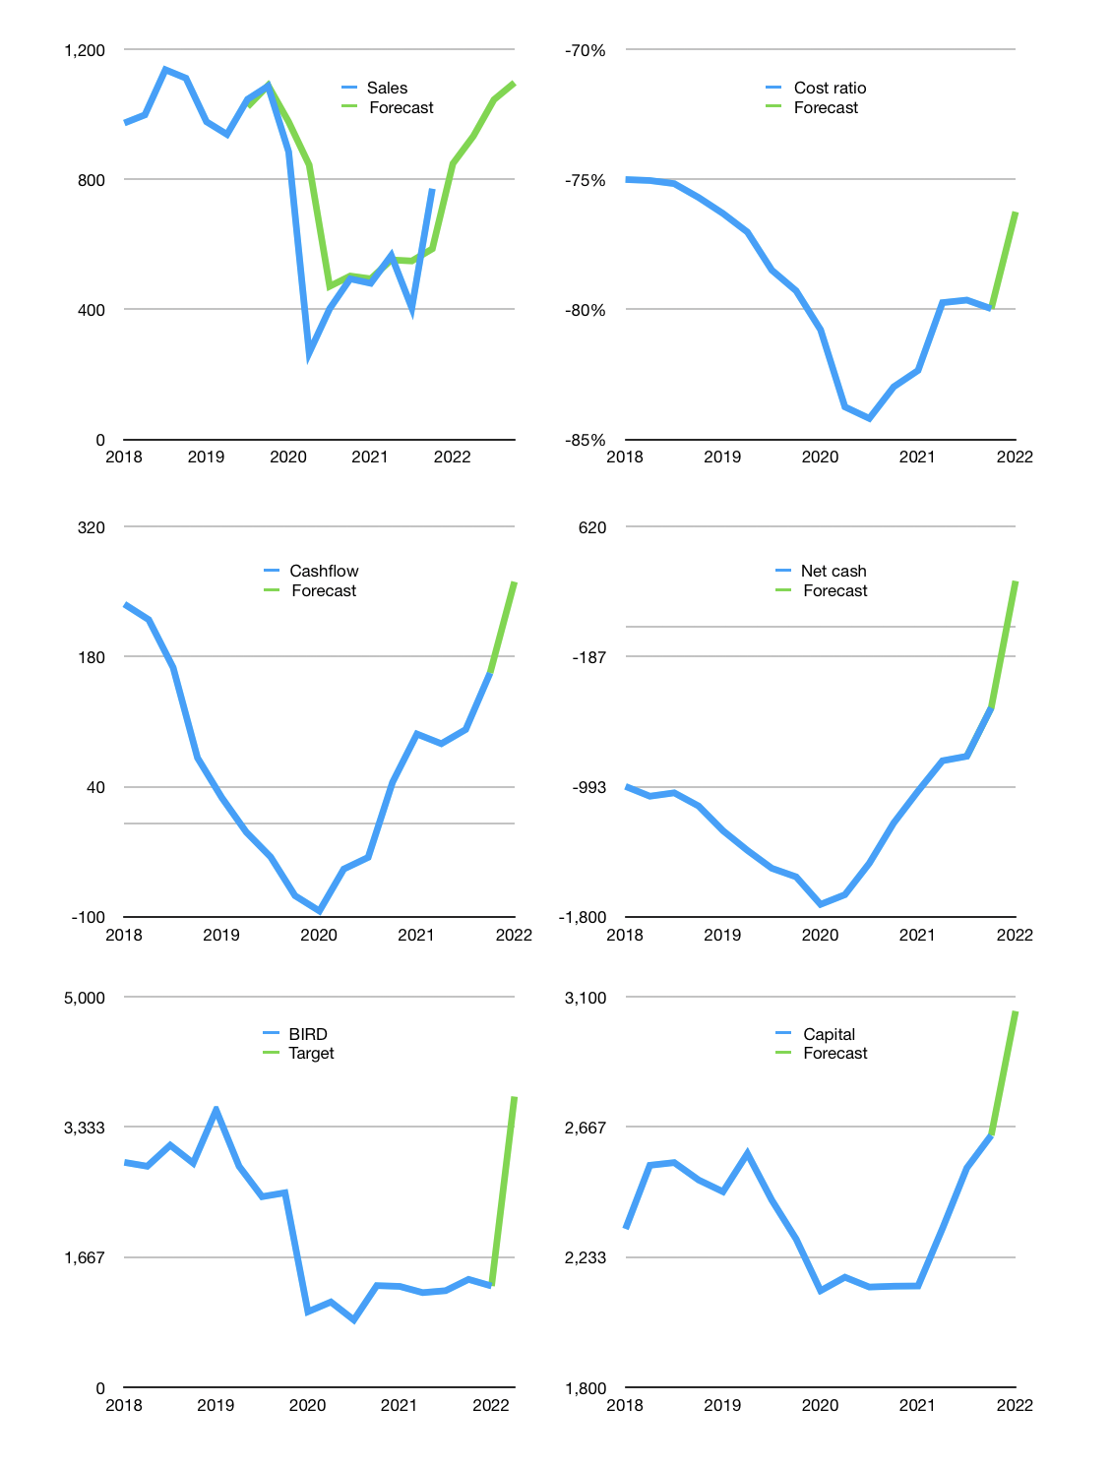
Financial model
Rpbn |  |  |  | 4Q 2022
Cashflow | 19% |  |  | 9%
Growth | 10% | 10% | 12% | 5%
Sales | 848 | 933 | 1,045 | 1,097
Cost ratio | -76% | -76% | -76% | -76%
Cash costs | -647 | -711 | -797 | -837
Operating | 201 | 222 | 248 | 261
Investment | 0 | 0 | 0 | 0
Finance | -99 | -102 | -106 | -107
Liabilities | -73 | -69 | -65 | -62
Equity | -27 | -33 | -41 | -45
Before revolver | 102 | 120 | 142 | 154
Revolver | 0 | 0 | 0 | 0
Beginning | 946 | 1,048 | 1,168 | 1,310
Change | 102 | 120 | 142 | 154
Ending | 1,048 | 1,168 | 1,310 | 1,464
Profit
Non cash costs | -112 | -112 | -112 | -112
Net profit | 89 | 110 | 136 | 149
Balance sheet
Other assets | 7,893 | 7,893 | 7,893 | 7,893
Depreciation | 2,353 | 2,465 | 2,577 | 2,689
Net other assets | 5,540 | 5,428 | 5,316 | 5,204
Liabilities | 1,378 | 1,309 | 1,243 | 1,181
Revolver | 0 | 0 | 0 | 0
Equity | 5,211 | 5,287 | 5,383 | 5,487
Check | 0 | 0 | 0 | 0
Net cash | -329 | -141 | 67 | 283
Valuation
Capital | 2,738 | 2,840 | 2,946 | 3,053
Current value |  |  |  | 3,240,362,012,160
Current value |  |  |  | 3,240
P/assets |  |  |  | 0.49
Yield |  |  |  | 4%
Cashflow |  |  |  | 932
Payback |  |  |  | 6
Valuation |  |  |  | 3
Forecast |  |  |  | 10
Value |  |  |  | 9,316
Shares |  |  |  | 3
Target |  |  |  | 3,723
Current |  |  |  | 1,295
V target |  |  |  | 188%
12 month growth |  |  |  | 56%
Sales forecasts |  |  |  | 11%

