Model
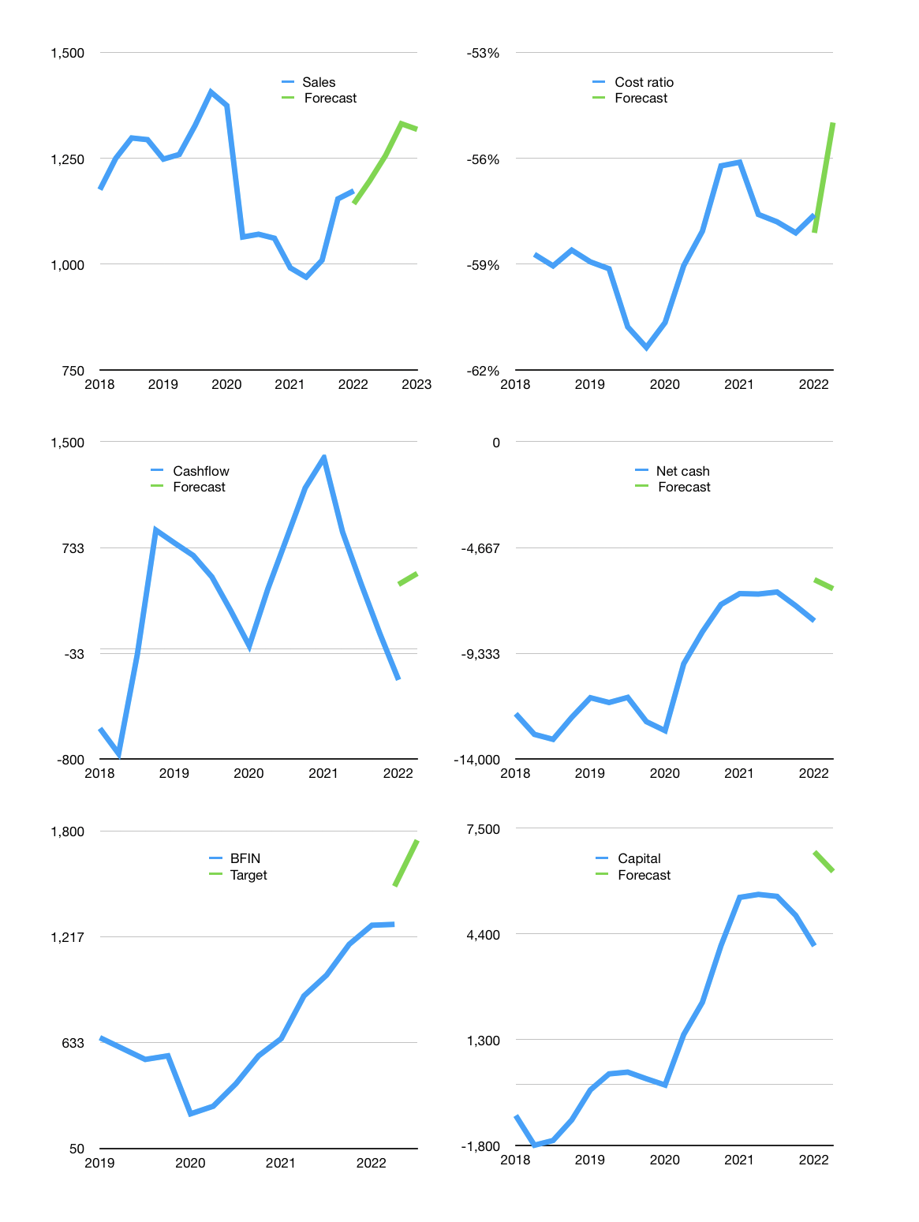
Financial model
Rpbn |  |  | 4Q 2022
Cashflow | 4% |  |  | 3%
Growth | 2% | 5% | 6% | -1%
Sales | 1,196 | 1,256 | 1,332 | 1,318
Cost ratio | -55% | -55% | -55% | -55%
Cash costs | -658 | -691 | -732 | -725
Operating | 539 | 565 | 599 | 593
Investment | -29 | -29 | -29 | -29
Finance | -510 | -536 | -570 | -564
Liabilities | -427 | -405 | -385 | -366
Revolver | 97 | 57 | 13 | -2
Payout | 0.3
Equity | -180 | -188 | -198 | -197
Before revolver | -97 | -57 | -13 | 2
Beginning | 628 | 628 | 628 | 628
Change | 0 | 0 | 0 | 0
Ending | 628 | 628 | 628 | 628
Profit
Non cash costs | -35 | -35 | -35 | -35
Provisions | 97 | 97 | 97 | 97
Profit | 601 | 627 | 661 | 655
Balance sheet
Other assets | 16,456 | 16,485 | 16,514 | 16,543
Depreciation | 735 | 770 | 805 | 840
Net other assets | 15,721 | 15,715 | 15,709 | 15,703
Liabilities | 8,104 | 7,698 | 7,313 | 6,948
Revolver | 97 | 154 | 167 | 165
Equity | 8,245 | 8,685 | 9,148 | 9,606
Check | 97 | 194 | 291 | 388
Net cash | -7,573 | -7,224 | -6,852 | -6,485
Valuation
Capital | 4,557 | 5,093 | 5,663 | 6,228
Current value |  |  |  | 19,229,254,352,896
Current value |  |  |  | 19,229
P/assets |  |  |  | 1.2
Yield |  |  |  | 4%
Cashflow |  |  |  | 2,181
Payback |  |  |  | 7
Valuation |  |  |  | 9
Forecast |  |  |  | 12
Value |  |  |  | 26,171
Shares |  |  |  | 15
Target |  |  |  | 1,749
Current |  |  |  | 1,285
V target |  |  |  | 36%
12 month growth |  |  |  | 18%
Sales forecasts |  |  |  | -3%

Capital
Capital
Rpbn | Liabilities | Equity | Total | Liabilities | Equity | Total
2000 |  |  | 0 |  |  | 0
2001 |  |  | 0 |  |  | 0
2002 |  |  | 0 |  |  | 0
2003 |  |  | 0 |  |  | 0
2004 |  |  | 0 |  |  | 0
2005 |  |  | 0 |  |  | 0
2006 | 68 | -26 | 42 | 68 | -26 | 42
2007 | 868 | -49 | 819 | 936 | -75 | 861
2008 |  |  | 0 | 936 | -75 | 861
2009 | -1,260 | -91 | -1,351 | -324 | -166 | -490
2010 | 1,118 | -102 | 1,016 | 794 | -268 | 526
2011 | 1,398 |  | 1,398 | 2,192 | -268 | 1,924
2012 | 1,270 |  | 1,270 | 3,462 | -268 | 3,194
2013 | 1,529 | 13 | 1,542 | 4,991 | -255 | 4,736
2014 | 954 | -144 | 810 | 5,945 | -399 | 5,546
2015 | 898 | -483 | 415 | 6,843 | -882 | 5,961
2016 | -282 | -511 | -793 | 6,561 | -1,393 | 5,168
2017 | 3,087 | -509 | 2,578 | 9,648 | -1,902 | 7,746
2018 | 1,294 | -239 | 1,055 | 10,942 | -2,141 | 8,801
2019 | -473 | -733 | -1,206 | 10,469 | -2,874 | 7,595 | 175.5
2020 | -3,727 | -180 | -3,907 | 6,742 | -3,054 | 3,688 | -472
2021 | -506 | -374 | -880 | 6,236 | -3,428 | 2,808 | -880

 |  |  |  |  |  |  |  | Table 1

BFIN CAPITAL RAISED IS DOWN TO 2.8 TRILLION RUPIAH
 |  |  |  |  |  |  |  |  | BFIN | capital history
 |  |  |  |  |  |  |  |  | 2022-02-01 | 18 | 2022
 |  |  |  |  |  |  |  |  | Start date | 2006
 |  |  |  |  |  |  |  |  | Number of quarters | 60
 |  |  |  |  |  |  |  |  | Liabilities
 |  |  |  |  |  |  |  |  | BFIN | has | raised | liabilities | by an average | 415.73333333 | billion rupiah | every year
 |  |  |  |  |  |  |  |  | In the last 5 years | liabilities | were | paid | by an average | -65 | billion rupiah | every year
 |  |  |  |  |  |  |  |  | The peak in cumulative liabilities | was | 10942 | billion rupiah | in | 2018
 |  |  |  |  |  |  |  |  | As of the latest quarter | liabilities | cumulative | are | down | to | 6236 | billion rupiah
 |  |  |  |  |  |  |  |  | Equity
 |  |  |  |  |  |  |  |  | BFIN | has | paid | equity | by an average | -244.85714286 | billion rupiah | every year
 |  |  |  |  |  |  |  |  | In the last 5 years | equity | was | paid | by an average | -407 | billion rupiah | every year
 |  |  |  |  |  |  |  |  | The peak in cumulative equity | was | -26 | billion rupiah | in | 2006
 |  |  |  |  |  |  |  |  | As of the latest quarter | equity | cumulative | is | down | to | -3428 | billion rupiah
 |  |  |  |  |  |  |  |  | Total capital
 |  |  |  |  |  |  |  |  | BFIN | has | raised | total capital | by an average | 175.5 | billion rupiah | every year
 |  |  |  |  |  |  |  |  | In the last 5 years | total capital | was | paid | by an average | -472 | billion rupiah | every year
 |  |  |  |  |  |  |  |  | The peak in cumulative equity | was | 8801 | billion rupiah | in | 2018
 |  |  |  |  |  |  |  |  | As of the latest quarter | total capital | cumulative | is | down | to | 2,808 | billion rupiah

