Model
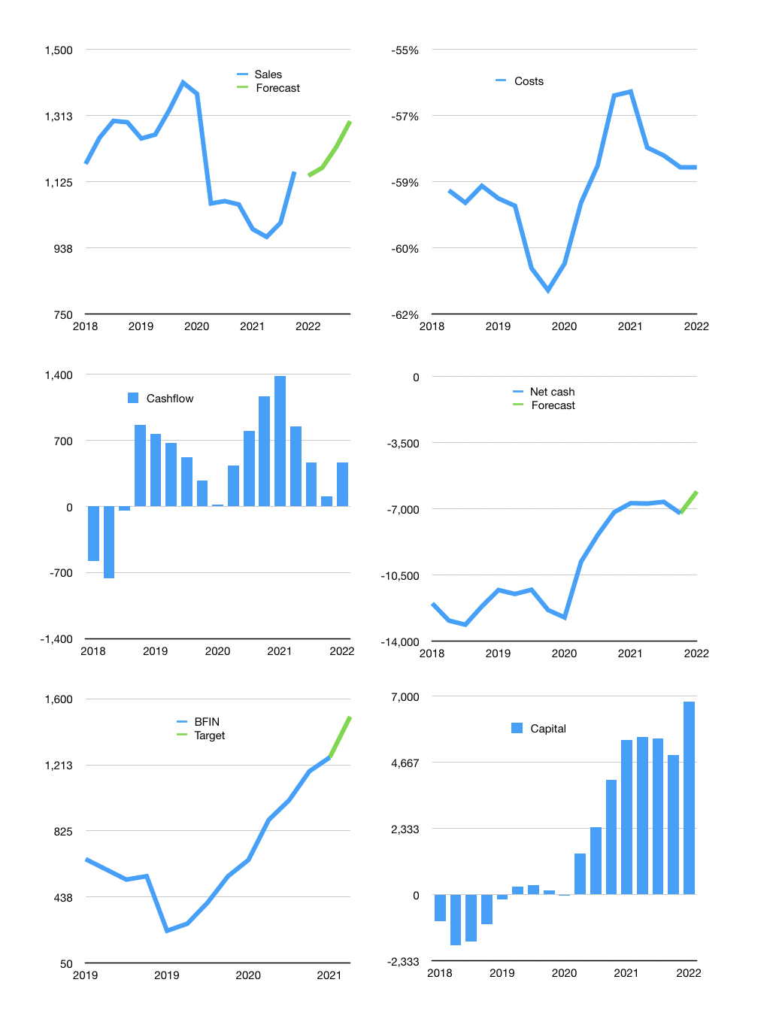
Financial model
$m |  |  |  | 4Q 2022
Cashflow | 2% |  |  | 3%
Growth | -1% | 2% | 5% | 6%
Sales | 1,142 | 1,165 | 1,224 | 1,297
Cost ratio | -58% | -58% | -58% | -58%
Cash costs | -664 | -677 | -711 | -754
Operating | 479 | 488 | 512 | 543
Investment | -40 | -40 | -40 | -40
Finance | -439 | -448 | -472 | -503
Liabilities | -410 | -390 | -370 | -352
Equity | -169 | -172 | -180 | -189
Before revolver | -141 | -114 | -77 | -37
Revolver | 141 | 114 | 77 | 37
Beginning | 969 | 969 | 969 | 969
Change | 0 | 0 | 0 | 0
Ending | 969 | 969 | 969 | 969
Profit
Non cash costs | -32 | -32 | -32 | -32
Provisions | 118 | 118 | 118 | 118
Profit | 565 | 574 | 598 | 629
Balance sheet
Other assets | 15,372 | 15,412 | 15,452 | 15,492
Depreciation | 697 | 729 | 760 | 792
Net other assets | 14,675 | 14,684 | 14,692 | 14,700
Liabilities | 7,796 | 7,406 | 7,036 | 6,684
Revolver | 141 | 255 | 332 | 370
Equity | 7,825 | 8,227 | 8,646 | 9,086
Check | 118 | 235 | 353 | 471
Net cash | -6,968 | -6,692 | -6,399 | -6,085
Valuation
Capital | 5,378 | 5,826 | 6,298 | 6,801
Current value |  |  |  | 18,780
P/assets |  |  |  | 1.2
Yield |  |  |  | 4%
Cashflow |  |  |  | 1,862
Payback |  |  |  | 8
Valuation |  |  |  | 10
Forecast |  |  |  | 12
Value |  |  |  | 22,348
Shares |  |  |  | 15
Target |  |  |  | 1,495
Current |  |  |  | 1,256
V target |  |  |  | 19%
12 month growth |  |  |  | 9%
Sales forecasts |  |  |  | -100%

