Model
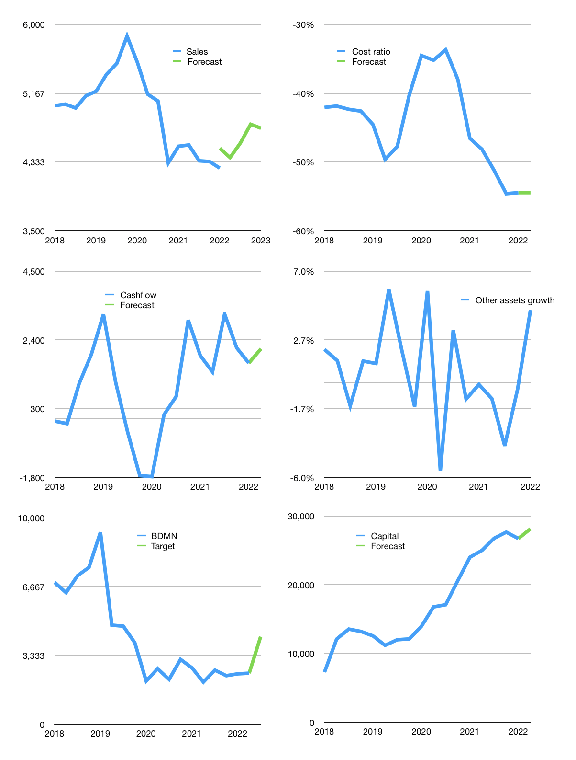
Financial model
Rpbn |  |  | 4Q 2022
Cashflow | -1% |  |  | 3%
Growth | 3% | 4% | 5% | -1%
Sales | 4,387 | 4,562 | 4,790 | 4,742
Cost ratio | -54% | -54% | -54% | -54%
Cash costs | -2,389 | -2,485 | -2,609 | -2,583
Operating | 1,998 | 2,078 | 2,181 | 2,160
Investment | -32 | -32 | -32 | -32
Finance | -320 | -344 | -376 | -369
Payout | 0.3
Equity | -320 | -344 | -376 | -369
Before revolver | 1,645 | 1,701 | 1,774 | 1,759
Revolver | 0 | 0 | 0 | 0
Beginning | 14,100 | 15,745 | 17,446 | 19,220
Change | 1,645 | 1,701 | 1,774 | 1,759
Ending | 15,745 | 17,446 | 19,220 | 20,979
Profit
Depreciation | -148 | -148 | -148 | -148
Provision | -781 | -781 | -781 | -781
Net profit | 1,068 | 1,148 | 1,252 | 1,230
Balance sheet
Other assets | 195,563 | 195,595 | 195,627 | 195,659
Depreciation | 14,568 | 15,498 | 16,427 | 17,357
Net other assets | 180,995 | 180,097 | 179,200 | 178,303
Liabilities | 150,847 | 150,847 | 150,847 | 150,847
Revolver | 0 | 0 | 0 | 0
Equity | 45,893 | 46,697 | 47,573 | 48,434
Check | 0 | 0 | 0 | 0
Valuation
Capital | 27,040 | 27,385 | 27,761 | 28,130
Current value |  |  |  | 24,140,667,432,960
Current value |  |  |  | 24,141
P/assets |  |  |  | 0.12
Yield |  |  |  | 6%
Cashflow |  |  |  | 8,288
Valuation |  |  |  | 3
Forecast |  |  |  | 5
Value |  |  |  | 41,442
Shares |  |  |  | 10
Target |  |  |  | 4,240
Current |  |  |  | 2,470
V target |  |  |  | 72%
12 month growth |  |  |  | -6%
Sales v forecast |  |  |  | 6%

Capital
Capital
 | Liabilities | Equity | Total | Liabilities | Equity | Total
2001 | -2,895 | -144 | -3,038 | -2,895 | -144 | -3,038
2002 | 101 | -466 | -365 | -2,794 | -610 | -3,403
2003 | -799 | -115 | -914 | -3,593 | -724 | -4,318
2004 | 5,601 | -1,611 | 3,990 | 2,007 | -2,335 | -328
2005 | 5,356 | -402 | 4,955 | 7,364 | -2,737 | 4,627
2006 | 2,482 | -981 | 1,502 | 9,846 | -3,718 | 6,129
2007 | 1,002 | -456 | 547 | 10,848 | -4,173 | 6,675
2008 | 1,999 | -1,091 | 908 | 12,847 | -5,264 | 7,583
2009 | -4,642 | 3,068 | -1,574 | 8,206 | -2,197 | 6,009
2010 | 3,292 | -808 | 2,484 | 11,498 | -3,005 | 8,493
2011 | 7,413 | 3,855 | 11,268 | 18,911 | 850 | 19,761
2012 | 4,747 | -1,058 | 3,689 | 23,658 | -209 | 23,450
2013 | 4,677 | -1,257 | 3,420 | 28,335 | -1,466 | 26,869
2014 | -1,626 | -1,071 | -2,697 | 26,709 | -2,537 | 24,173
2015 | -4,351 | -815 | -5,166 | 22,358 | -3,351 | 19,006
2016 | -2,998 | -687 | -3,685 | 19,360 | -4,038 | 15,322
2017 | 1,017 | -994 | 23 | 20,376 | -5,032 | 15,345
2018 | -3,041 | -1,342 | -4,382 | 17,336 | -6,373 | 10,962
2019 | 2,538 | -1,445 | 1,093 | 19,873 | -7,818 | 12,055 | -177.67058824
2020 | -6,484 | -1,916 | -8,400 | 13,390 | -9,734 | 3,655 | -3734
2021 | -6,610 | -394 | -7,004 | 6,780 | -10,128 | -3,348 | -7003.7

