Model
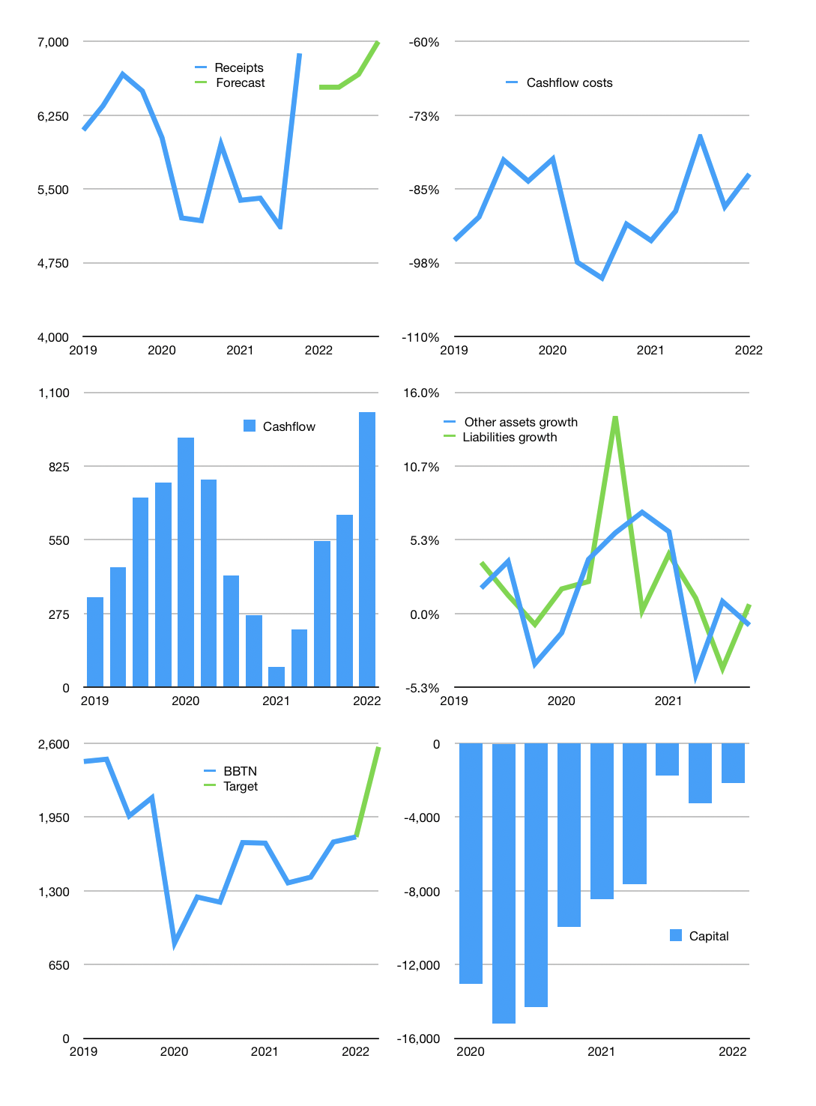
Financial model
Rpbn |  |  |  | 4Q 2022
Cashflow | 5% |  |  | 1%
Growth | -5% | 0% | 2% | 5%
Sales | 6,535 | 6,535 | 6,666 | 6,999
Cost ratio | -82% | -82% | -82% | -82%
Cash costs | -5,390 | -5,390 | -5,498 | -5,773
Operating | 1,145 | 1,145 | 1,168 | 1,226
Investment | -200 | -200 | -200 | -200
Finance | -265 | -265 | -276 | -305
Equity | -265 | -265 | -276 | -305
Before revolver | 681 | 681 | 692 | 721
Revolver | 0 | 0 | 0 | 0
Beginning | 41,231 | 41,912 | 42,593 | 43,285
Change | 681 | 681 | 692 | 721
Ending | 41,912 | 42,593 | 43,285 | 44,007
Profit
Depreciation | -124 | -124 | -124 | -124
Provision | -492 | -492 | -492 | -492
Net profit | 529 | 529 | 552 | 610
Balance sheet
Other assets | 334,569 | 334,768 | 334,968 | 335,167
Depreciation | 4,348 | 4,964 | 5,579 | 6,195
Net other assets | 330,221 | 329,805 | 329,388 | 328,972
Liabilities | 327,694 | 327,694 | 327,694 | 327,694
Revolver | 0 | 0 | 0 | 0
Equity | 44,439 | 44,703 | 44,979 | 45,285
Check | 0 | 0 | 0 | 0
Valuation
Capital | -2,997 | -2,733 | -2,457 | -2,151
Current value |  |  |  | 18,800
P/assets |  |  |  | 0.05
Yield |  |  |  | 6%
Cashfkow |  |  |  | 3,886
Valuation |  |  |  | 5
Forecast |  |  |  | 7
Value |  |  |  | 27,202
Shares |  |  |  | 11
Target |  |  |  | 2,568
Current |  |  |  | 1,775
V target |  |  |  | 45%
12 month growth |  |  |  | 13%
Sales forecasts |  |  |  | -100%

Capital
Capital
 | Liabilities | Equity | Total | Liabilities | Equity | Total
1998 |  |  | 0 | 0 | 0 | 0
1999 |  |  | 0 | 0 | 0 | 0
2000 |  |  | 0 | 0 | 0 | 0
2001 |  |  | 0 | 0 | 0 | 0
2002 |  |  | 0 | 0 | 0 | 0
2003 |  |  | 0 | 0 | 0 | 0
2004 |  |  | 0 | 0 | 0 | 0
2005 |  |  | 0 | 0 | 0 | 0
2006 |  |  | 0 | 0 | 0 | 0 | 4
2007 | 254 |  | 254 | 254 | 0 | 254 | 8
2008 | 646 | -104 | 542 | 900 | -104 | 796 | 12
2009 | -121 |  | -121 | 779 | -104 | 675 | 16
2010 | 243 |  | 243 | 1,022 | -104 | 918 | 20
2011 | 101 | -500 | -399 | 1,123 | -604 | 519 | 24
2012 | -152 |  | -152 | 971 | -604 | 367 | 28
2013 | -1,071 | -693 | -1,764 | -100 | -1,297 | -1,397 | 32
2014 | -28 |  | -28 | -128 | -1,297 | -1,425 | 36
2015 | 1,116 | -100 | 1,016 | 988 | -1,397 | -409 | 40
2016 | -670 | -526 | -1,196 | 318 | -1,923 | -1,605 | 44
2017 | -403 | -579 | -982 | -85 | -2,502 | -2,587 | 48
2018 | -144 | -650 | -794 | -229 | -3,152 | -3,381 | 52
2019 |  | -800 | -800 | -229 | -3,952 | -4,181 | 56
2020 | 331 | -1,001 | -670 | 102 | -4,953 | -4,851 | 60
2021 | -6,695 | 0 | -6,695 | -6,593 | -4,953 | -11,546 | 64

MEGA HAS RAPIDLY PAID OUT -7.2 TRILLION RUPIAH

