Model
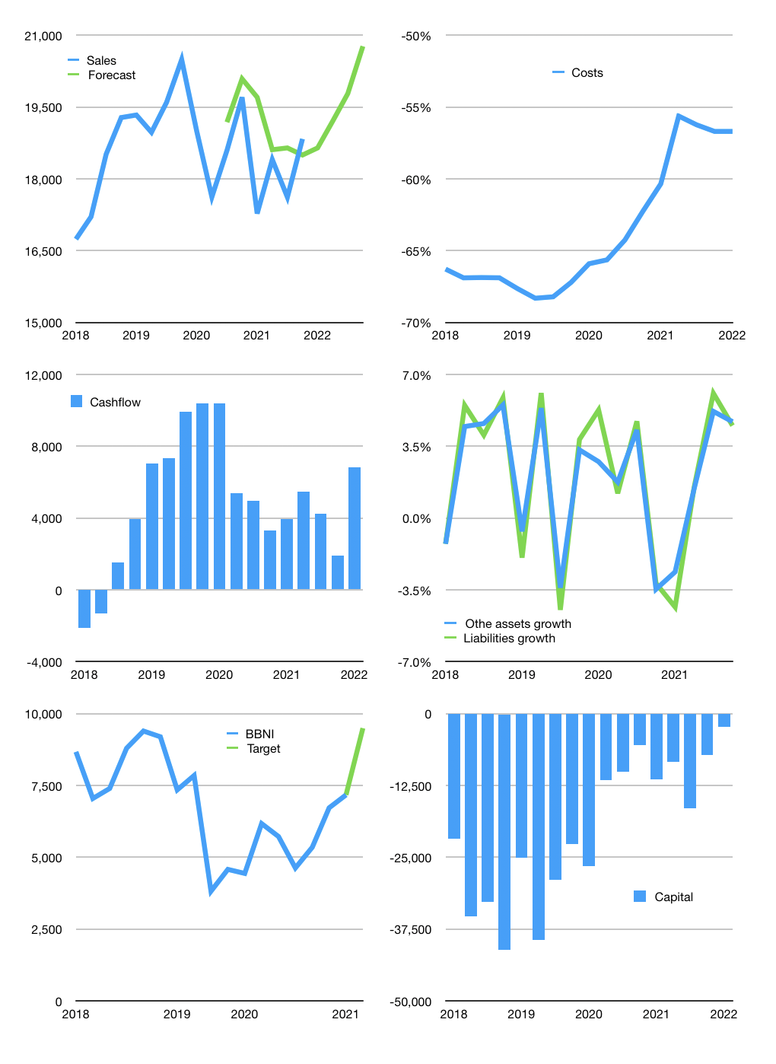
Financial model
Rpbn |  |  |  | 4Q 2022
Cash flow | -1% |  |  | 3%
Growth | -1% | 3% | 3% | 5%
Sales | 18,647 | 19,207 | 19,783 | 20,772
Cost ratio | -57% | -57% | -57% | -57%
Cash costs | -10,572 | -10,889 | -11,216 | -11,776
Operating | 8,076 | 8,318 | 8,567 | 8,996
Investment | -2,176 | -2,176 | -2,176 | -2,176
Finance | -1,107 | -1,179 | -1,254 | -1,383
Equity | -1,107 | -1,179 | -1,254 | -1,383
Before revolver | 4,792 | 4,962 | 5,137 | 5,437
Revolver | 0 | 0 | 0 | 0
Beginning | 13,684 | 18,476 | 23,439 | 28,575
Change | 4,792 | 4,962 | 5,137 | 5,437
Ending | 18,476 | 23,439 | 28,575 | 34,012
Profit
Non cash costs | -376 | -376 | -376 | -376
Provision | -4,011 | -4,011 | -4,011 | -4,011
Net profit | 3,688 | 3,931 | 4,180 | 4,609
Balance sheet
Other assets | 1,018,247 | 1,020,424 | 1,022,600 | 1,024,777
Depreciation | 69,304 | 73,691 | 78,078 | 82,465
Net other assets | 948,943 | 946,733 | 944,522 | 942,312
Liabilities | 838,318 | 838,318 | 838,318 | 838,318
Revolver | 0 | 0 | 0 | 0
Equity | 129,102 | 131,853 | 134,780 | 138,006
Check | 0 | 0 | 0 | 0
Valuation
Capital | -6,095 | -4,916 | -3,662 | -2,279
Current value |  |  |  | 133,500
P/assets |  |  |  | 0.14
Yield |  |  |  | 4%
Cashflow |  |  |  | 25,250
Valuation |  |  |  | 5
Forecast |  |  |  | 7
Value |  |  |  | 176,753
Shares |  |  |  | 19
Target |  |  |  | 9,500
Current |  |  |  | 7,175
V target |  |  |  | 32%
12 month growth |  |  |  | -4%
Sales forecasts |  |  |  | 4%

Capital
Capital
 | Lease | Liabilities | Equity | Total | Liabilities | Equity | Total
2000 |  | -1,045 | 61,788 | 60,743 | -1,045 | 61,788 | 60,743
2001 |  | -1,423 |  | -1,423 | -2,468 | 61,788 | 59,320
2002 |  | -1,767 | -878 | -2,645 | -4,235 | 60,910 | 56,675
2003 |  | -3,563 | -1,254 | -4,817 | -7,798 | 59,656 | 51,858
2004 |  | -758 | -315 | -1,073 | -8,556 | 59,341 | 50,785
2005 |  | 416 | -1,568 | -1,152 | -8,140 | 57,773 | 49,633
2006 |  | -1,368 | -750 | -2,118 | -9,508 | 57,023 | 47,515
2007 |  | 729 | 2,952 | 3,681 | -8,779 | 59,975 | 51,196
2008 |  | 404 | -485 | -81 | -8,375 | 59,490 | 51,115
2009 |  | -3,056 | -366 | -3,422 | -11,431 | 59,124 | 47,693
2010 |  | 70 | 9,248 | 9,318 | -11,361 | 68,372 | 57,011
2011 |  | 2,090 | -1,395 | 695 | -9,271 | 66,977 | 57,706
2012 |  | 4,462 | -1,395 | 3,067 | -4,809 | 65,582 | 60,773
2013 |  | 12,099 | -2,114 | 9,985 | 7,290 | 63,468 | 70,758
2014 |  | -1,738 | -2,716 | -4,454 | 5,552 | 60,752 | 66,304
2015 |  | 12,696 | -3,446 | 9,250 | 18,248 | 57,306 | 75,554
2016 |  | 10,904 | -2,267 | 8,637 | 29,152 | 55,039 | 84,191
2017 |  | 7,163 | -3,969 | 3,194 | 36,315 | 51,070 | 87,385
2018 |  | 25,375 | -4,766 | 20,609 | 61,690 | 46,304 | 107,994
2019 |  | -14,737 | -3,754 | -18,491 | 46,953 | 42,550 | 89,503
2020 |  | -13,293 | -3,846 | -17,139 | 33,660 | 38,704 | 72,364
2021 | -113 | 3,563 | -948 | 2,615 | 37,223 | 37,756 | 74,979

