Model
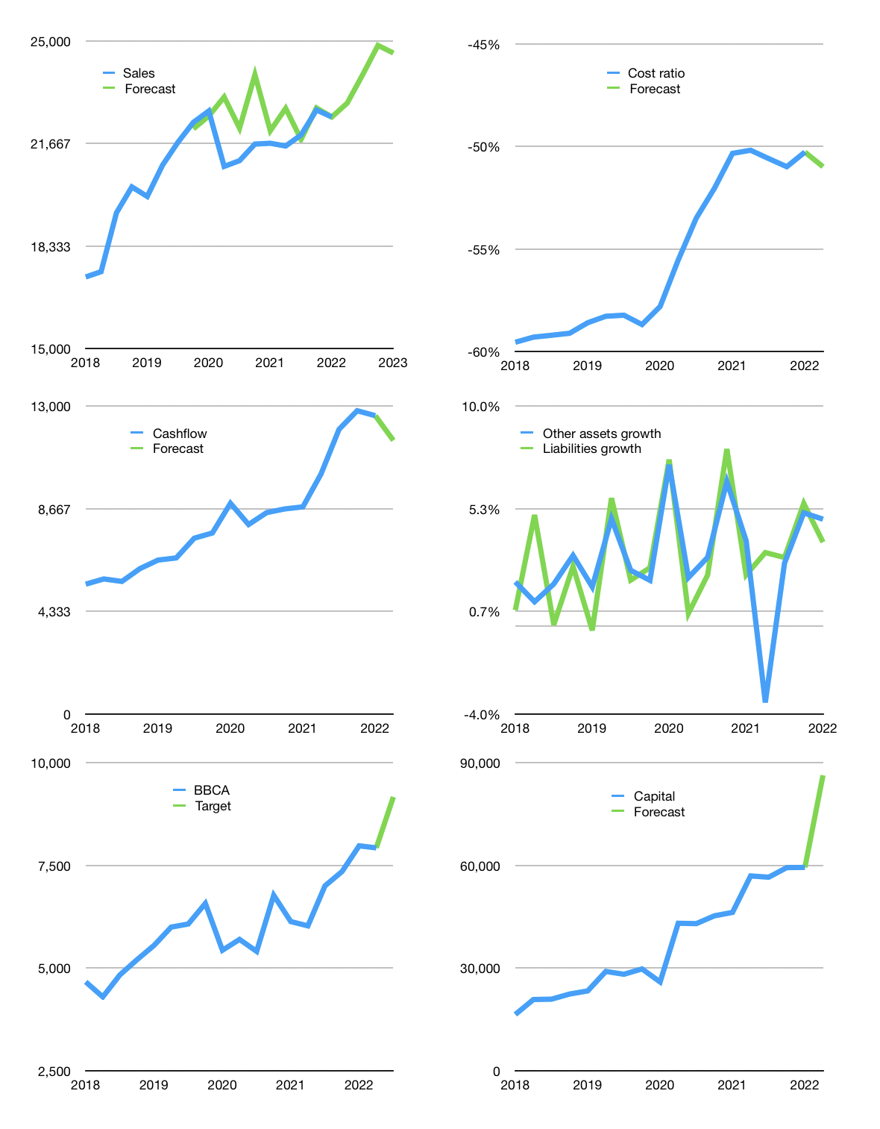
Financial model
Rpbn |  |  | 4Q 2022
Cash flow | 1% |  |  | 2%
Growth | 2% | 4% | 4% | -1%
Sales | 22,980 | 23,899 | 24,855 | 24,607
Cost ratio | -51% | -51% | -51% | -51%
Cash costs | -11,718 | -12,186 | -12,674 | -12,547
Operating | 11,262 | 11,713 | 12,181 | 12,060
Investment | -505 | -505 | -505 | -505
Finance | -6,295 | -6,655 | -7,030 | -6,932
Payout | 0.8
Equity | -6,295 | -6,655 | -7,030 | -6,932
Before revolver | 4,463 | 4,553 | 4,646 | 4,622
Revolver | 0 | 0 | 0 | 0
Beginning | 157,291 | 161,754 | 166,307 | 170,953
Change | 4,463 | 4,553 | 4,646 | 4,622
Ending | 161,754 | 166,307 | 170,953 | 175,575
Profit
Depreciation | -576 | -576 | -576 | -576
Provision | -2,818 | -2,818 | -2,818 | -2,818
Net profit | 7,868 | 8,319 | 8,787 | 8,666
Balance sheet
Other assets | 1,113,297 | 1,113,802 | 1,114,307 | 1,114,812
Depreciation | 14,042 | 17,436 | 20,830 | 24,224
Net other assets | 1,099,255 | 1,096,366 | 1,093,477 | 1,090,588
Liabilities | 1,064,607 | 1,064,607 | 1,064,607 | 1,064,607
Revolver | 0 | 0 | 0 | 0
Equity | 196,402 | 198,065 | 199,823 | 201,556
Check | 0 | 0 | 0 | 0
Valuation
Capital | 65,689 | 72,344 | 79,374 | 86,307
Current value |  |  |  | 976,954,389,708,800
Current value |  |  |  | 976,954
P/assets |  |  |  | 0.77
Yield |  |  |  | 3%
Cashflow |  |  |  | 45,196
Valuation |  |  |  | 22
Forecast |  |  |  | 25
Value |  |  |  | 1,129,890
Shares |  |  |  | 123
Target |  |  |  | 9,166
Current |  |  |  | 7,925
V target |  |  |  | 16%
12 month growth |  |  |  | 4%
Sales forecasts |  |  |  | 3%

Capital
Capital
 | Liabilities | Equity | Total | Liabilities | Equity | Total
2005 | 31 | 1 | 32 | 31 | 1 | 32 | -32.313
2006 | 21 | -1,181 | -1,160 | 52 | -1,180 | -1,127 | 1,127
2007 | 383 | -2,141 | -1,758 | 435 | -3,321 | -2,885 | 2,885
2008 | -636 | 3,495 | 2,859 | -200 | 174 | -26 | 26
2009 | 282 | -3,411 | -3,129 | 82 | -3,237 | -3,156 | 3,156
2010 | -282 | -2,741 | -3,023 | -200 | -5,978 | -6,178 | 6,178
2011 | 354 | -2,765 | -2,411 | 154 | -8,744 | -8,589 | 8,589
2012 | 727 | -2,028 | -1,301 | 881 | -10,772 | -9,890 | 9,890
2013 | 984 | -900 | 84 | 1,865 | -11,672 | -9,806 | 9,806
2014 | 279 | -3,021 | -2,742 | 2,144 | -14,692 | -12,549 | 12,549
2015 | -1,021 | -3,734 | -4,754 | 1,123 | -18,426 | -17,303 | 17,303
2016 | 556 | -4,218 | -3,662 | 1,680 | -22,645 | -20,965 | 20,965
2017 | -1,470 | -5,186 | -6,656 | 210 | -27,831 | -27,620 | 27,620
2018 | -829 | -6,469 | -7,298 | -618 | -34,300 | -34,918 | 34,918
2019 | 3,349 | -8,684 | -5,335 | 2,731 | -42,984 | -40,253 | 40,253
2020 | -1,784 | -13,634 | -15,418 | 947 | -56,618 | -55,671 | 55,671
2021 | -443 | -13,733 | -14,176 | 504 | -70,351 | -69,847 | 69,847
2022 | -245 | 0 | -245 | 259 | -70,351 | -70,092 | 70,092

