Model
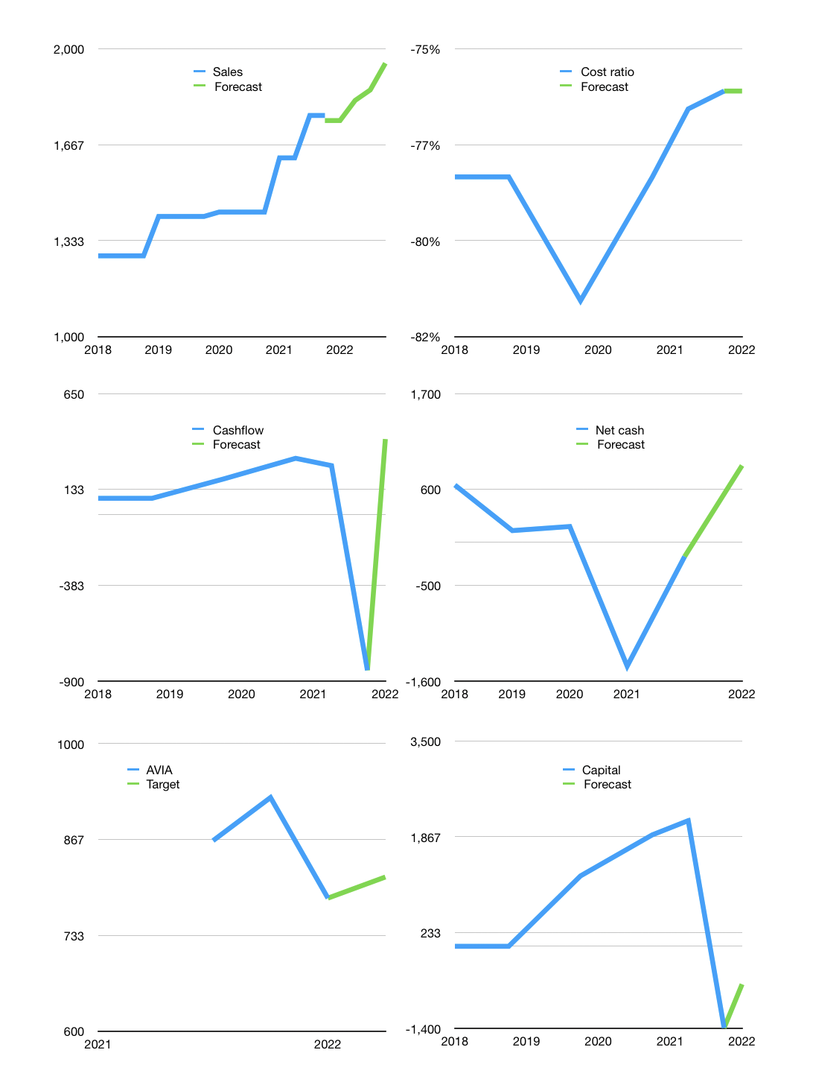
Financial model
Rp bn |  |  |  | 4Q 2022
Cashflow | 6% |  |  | 3%
Growth | -1% | 4% | 2% | 5%
Sales | 1,751 | 1,821 | 1,858 | 1,950
Cost ratio | -76% | -76% | -76% | -76%
Cash costs | -1,331 | -1,385 | -1,412 | -1,483
Operating | 420 | 437 | 445 | 468
Investment | -62 | -62 | -62 | -62
Leases | -9 | -9 | -9 | -9
Finance | -185 | -186 | -185 | -189
Liabilities | -73 | -69 | -66 | -63
Equity | -112 | -117 | -120 | -126
Revolver | 0 | 0 | 0 | 0
Before revolver | 173 | 188 | 198 | 216
Beginning | 1,288 | 1,461 | 1,649 | 1,846
Change | 173 | 188 | 198 | 216
Ending | 1,461 | 1,649 | 1,846 | 2,063
Profit
Non cash costs | -47 | -47 | -47 | -47
Net profit | 373 | 390 | 399 | 421
Balance sheet
Other assets | 10,303 | 10,366 | 10,428 | 10,490
Depreciation | 702 | 748 | 795 | 842
Net other assets | 9,602 | 9,617 | 9,633 | 9,649
Liabilities | 1,385 | 1,316 | 1,250 | 1,188
Revolver | 0 | 0 | 0 | 0
Equity | 9,677 | 9,950 | 10,229 | 10,524
Check | 0 | 0 | 0 | 0
Net cash | 76 | 333 | 596 | 875
Valuation
Capital | -1,207 | -1,021 | -836 | -647
Current value |  |  |  | 48,633,577,205,760
Current value |  |  |  | 48,634
P/assets |  |  |  | 4.2
Yield |  |  |  | 1%
Cashflow |  |  |  | 1,484
Payback |  |  |  | 6
Valuation |  |  |  | 33
Forecast |  |  |  | 34
Value |  |  |  | 50,454
Shares |  |  |  | 62
Target |  |  |  | 814
Current |  |  |  | 785
V target |  |  |  | 4%
12 month growth |  |  |  | 23%
Sales forecasts |  |  |  | -1%

Cashflow
Cashflow
Rp bn | Receipts | Operating | Investment | Interest | Leases | Liabilities | Equity | Finance | Free cashflow | Cashflow | Forecast | Capital | Forecast
2018 | 1,248 | 184 | -98 |  |  |  |  | 0 | 86 | 86 |  | 0
 | 1,248 | 184 | -98 |  |  |  |  | 0 | 86 | 86 |  | 0
 | 1,248 | 184 | -98 |  |  |  |  | 0 | 86 | 86 |  | 0
 | 1,248 | 184 | -98 |  |  |  |  | 0 | 86 | 86 |  | 0
2019 | 1,382 | 237 | -46 |  |  |  | -300 | -300 | 191 | 112 |  | 300
 | 1,382 | 237 | -46 |  |  |  | -300 | -300 | 191 | 138 |  | 600
 | 1,382 | 237 | -46 |  |  |  | -300 | -300 | 191 | 164 |  | 900
 | 1,382 | 237 | -46 |  |  |  | -300 | -300 | 191 | 191 |  | 1,200
2020 | 1,432 | 451 | -133 |  | -16 |  | -175 | -191 | 302 | 218 |  | 1,375
 | 1,432 | 451 | -133 |  | -16 |  | -175 | -191 | 302 | 246 |  | 1,550
 | 1,432 | 451 | -133 |  | -16 |  | -175 | -191 | 302 | 274 |  | 1,725
 | 1,432 | 451 | -133 |  | -16 |  | -175 | -191 | 302 | 302 |  | 1,900
2021 | 1,717 | 303 | -62 | -9 | -9 | 404 | -525 | -172 | 222 | 282 |  | 2,021
 | 1,717 | 303 | -62 | -9 | -9 | 404 | -525 | -172 | 222 | 262 |  | 2,142
 | 1,591 | 309 | -2,196 | -9 | -9 | -407 | 2,174 | 1,782 | -1,905 | -290 |  | 375
 | 1,591 | 309 | -2,196 | -9 | -9 | -407 | 2,174 | 1,782 | -1,905 | -842 | -842 | -1,392 | -1,392
2022 |  |  |  |  |  |  |  |  |  |  | 405 |  | -647

 | Region 1 | Region 2
April | 17 | 55
May | 26 | 43
June | 53 | 70
July | 96 | 58

