Model
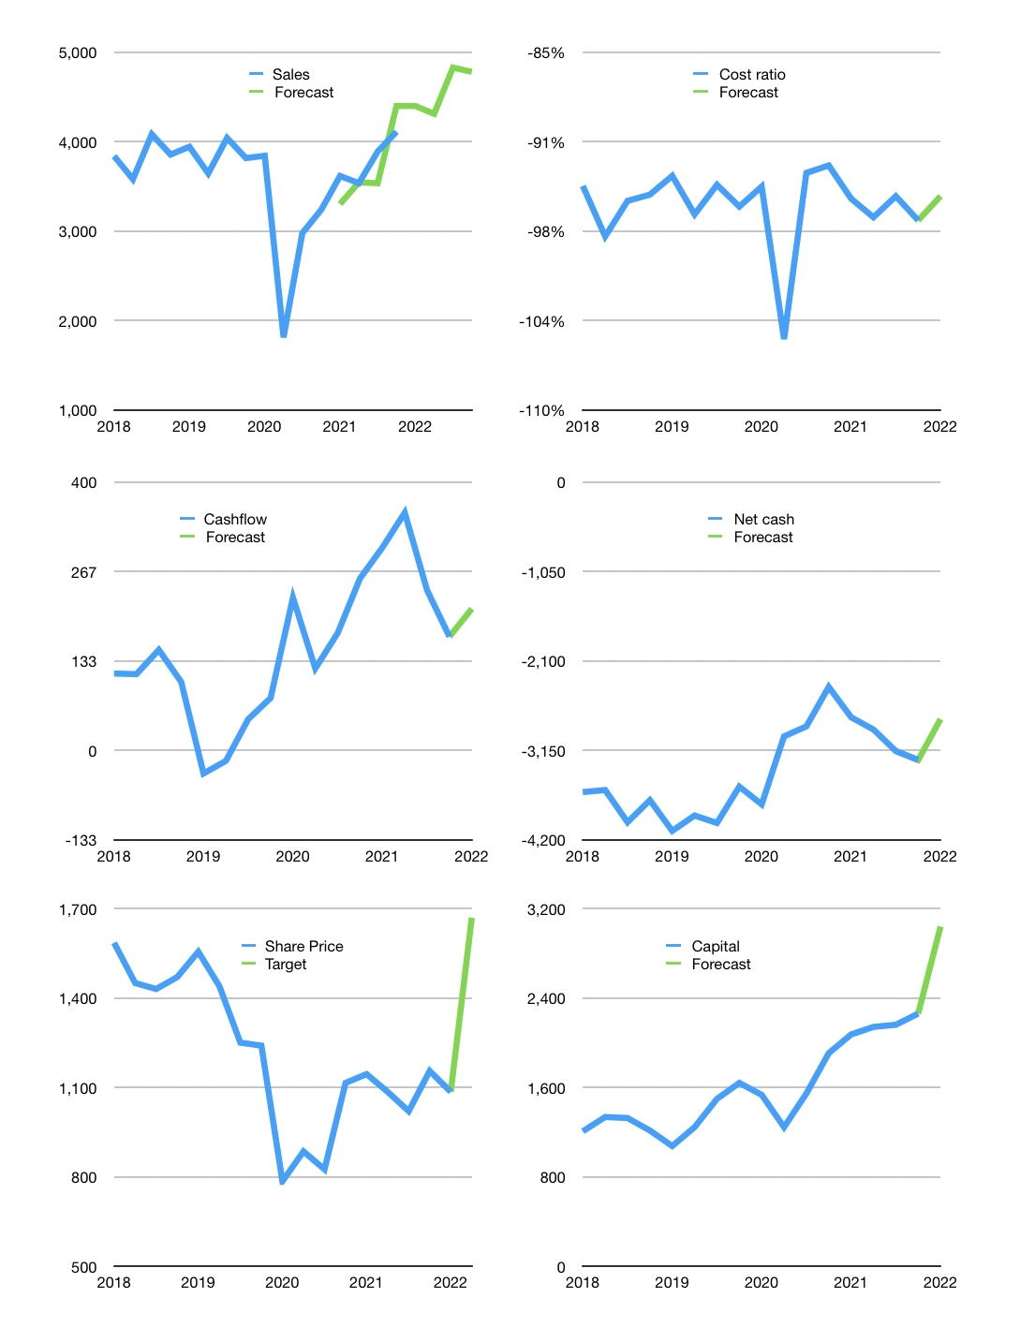
Financial model
Rp bn |  |  |  | 4Q 2022
Cashflow | 6% |  |  | 4%
Growth | 7% | -2% | 12% | -1%
Sales | 4,399 | 4,311 | 4,829 | 4,780
Cost ratio | -95% | -95% | -95% | -95%
Cash costs | -4,182 | -4,098 | -4,590 | -4,544
Operating | 217 | 213 | 238 | 236
Investment | -25 | -25 | -25 | -25
Leases | -7 | -7 | -7 | -7
Finance | -192 | -188 | -213 | -211
Liabilities | -592 | -225 | -214 | -203
Equity | -79 | -77 | -85 | -84
Before revolver | -479 | -115 | -86 | -77
Revolver | 479 | 115 | 86 | 77
Beginning | 1,837 | 1,837 | 1,837 | 1,837
Change | 0 | 0 | 0 | 0
End | 1,837 | 1,837 | 1,837 | 1,837
Profit
Non cash costs | -136 | -136 | -136 | -136
JV | 180 | 180 | 180 | 180
Net profit | 262 | 257 | 283 | 281
Balance sheet
Other assets | 19,682 | 19,887 | 20,092 | 20,297
Depreciation | 4,503 | 4,638 | 4,774 | 4,909
Net other assets | 15,180 | 15,249 | 15,319 | 15,388
Liabilities | 4,509 | 4,283 | 4,069 | 3,866
Revolver | 479 | 593 | 679 | 756
Equity | 12,029 | 12,209 | 12,407 | 12,604
Check | 0 | 0 | 0 | 0
Net cash | -3,150 | -3,040 | -2,911 | -2,784
Valuation
Capital | 2,446 | 2,627 | 2,834 | 3,039
Current value |  |  |  | 5,229
P/assets |  |  |  | 0.30
Yield |  |  |  | 6%
Cashflow |  |  |  | 804
Payback years |  |  |  | 19
Valuation |  |  |  | 7
Forecast |  |  |  | 10
Value |  |  |  | 8,044
Shares |  |  |  | 5
Target |  |  |  | 1,669
Current |  |  |  | 1,085
V target |  |  |  | 54%
12 month growth |  |  |  | 27%
Sales forecast |  |  |  | -2%

