Model
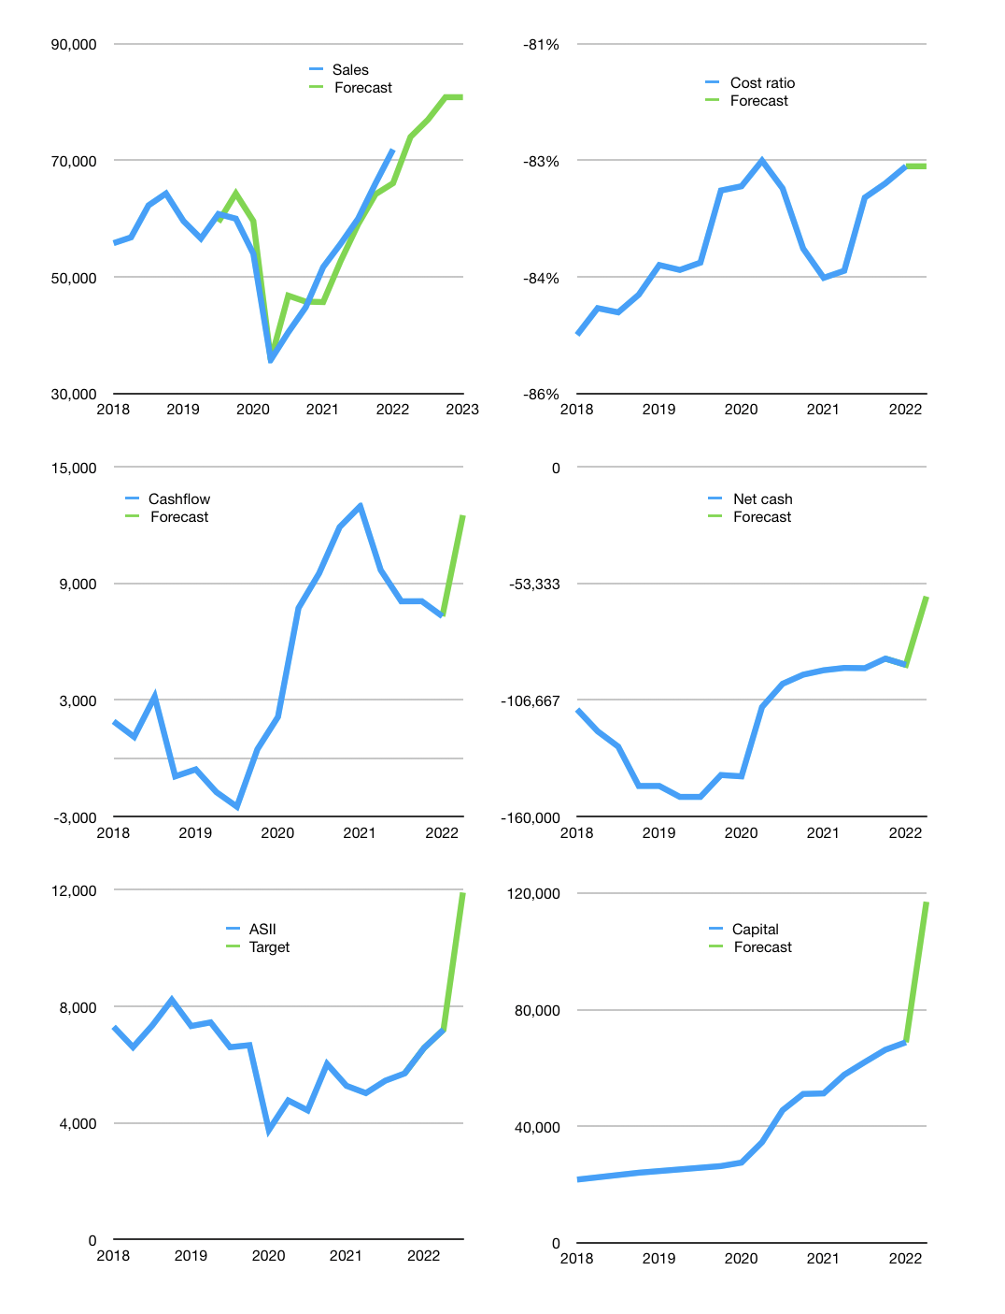
Financial model
Rptn |  |  | 4Q 2022
Cashflow | 9% |  |  | 3%
Growth | 3% | 4% | 5% | 0%
Sales | 74,027 | 76,988 | 80,838 | 80,838
Cost ratio | -83% | -83% | -83% | -83%
Cash costs | -61,258 | -63,709 | -66,894 | -66,894
Operating | 12,769 | 13,279 | 13,943 | 13,943
Investment | -1,436 | -1,436 | -1,436 | -1,436
Finance | -11,333 | -11,843 | -12,507 | -12,507
Liabilities | -11,266 | -7,329 | -6,963 | -6,615
Revolver | 3,879 | -365 | -1,130 | -1,478
Payout | 0.4
Equity | -3,945 | -4,149 | -4,415 | -4,415
Before revolver | -3,879 | 365 | 1,130 | 1,478
Beginning | 67,255 | 67,255 | 67,255 | 67,255
Change | 0 | 0 | 0 | 0
Ending | 67,255 | 67,255 | 67,255 | 67,255
Profit
Non cash costs | -2,906 | -2,906 | -2,906 | -2,906
Net profit | 9,863 | 10,373 | 11,037 | 11,037
Balance sheet
Other assets | 416,465 | 417,901 | 419,337 | 420,773
Depreciation | 102,007 | 104,913 | 107,819 | 110,725
Net other assets | 314,458 | 312,988 | 311,518 | 310,048
Liabilities | 146,589 | 139,259 | 132,296 | 125,681
Revolver | 3,879 | 3,514 | 2,385 | 907
Equity | 231,246 | 237,470 | 244,092 | 250,715
Check | 0 | 0 | 0 | 0
Net cash | -83,212 | -75,518 | -67,426 | -59,333
Valuation
Capital | 80,118 | 91,961 | 104,469 | 116,976
Current value |  |  |  | 291,481,908,019,200
Current value |  |  |  | 291,482
P/assets |  |  |  | 0.77
Yield |  |  |  | 6%
Cashflow |  |  |  | 48,191
Payback |  |  |  | 7
Valuation |  |  |  | 6
Forecast |  |  |  | 10
Value |  |  |  | 481,910
Shares |  |  |  | 40
Target |  |  |  | 11,904
Current |  |  |  | 7,200
V target |  |  |  | 65%
12 month growth |  |  |  | 39%
Sales forecast |  |  |  | 0%

Sales
Sales
Rptn | Sales | Forecast | Depreciation | Net profit | Sales growth | Cost ratio | Cost ratio | Forecast
2015 | 45,190 |  | 2,110 | 4,810 |  | -85%
 | 47,320 |  | 2,040 | 4,950 | 5% | -85%
 | 45,670 |  | 2,180 | 4,850 | -3% | -85%
 | 46,020 |  | 1,540 | 1,000 | 1% | -94%
2016 | 41,890 |  | 1,920 | 3,640 | -9% | -87%
 | 46,320 |  | 1,880 | 4,670 | 11% | -86%
 | 44,080 |  | 1,820 | 4,920 | -5% | -85%
 | 48,790 |  | 1,920 | 5,070 | 11% | -86%
2017 | 48,780 |  | 1,910 | 6,070 | 0% | -84%
 | 49,250 |  | 1,930 | 5,270 | 1% | -85%
 | 52,170 |  | 3,020 | 6,050 | 6% | -83%
 | 55,860 |  | 1,010 | 5,730 | 7% | -88%
2018 | 55,800 |  | 2,230 | 6,300 | 0% | -85% | -85%
 | 56,800 |  | 2,270 | 6,900 | 2% | -84% | -85%
 | 62,280 |  | 2,360 | 8,320 | 10% | -83% | -85%
 | 64,320 |  | 2,560 | 5,850 | 3% | -87% | -85%
2019 | 59,600 |  | 3,420 | 6,700 | -7% | -83% | -84%
 | 56,600 |  | 3,380 | 5,600 | -5% | -84% | -84%
 | 60,800 | 59,430 | 3,350 | 7,330 | 7% | -82% | -84%
 | 60,000 | 64,320 | 3,350 | 6,970 | -1% | -83% | -83%
2020 | 54,000 | 59,600 | 3,700 | 5,600 | -10% | -83% | -83%
 | 35,795 | 35,795 | 3,680 | 7,537 | -34% |  | -83%
 | 40,505 | 46,800 | 3,570 | 3,063 | 13% | -84% | -83%
 | 44,800 | 45,771 | 4,150 | 2,400 | 11% | -85% | -84%
2021 | 51,700 | 45,696 | 3,598 | 4,657 | 15% | -84% | -84%
 | 55,700 | 52,734 | 2,502 | 6,443 | 8% | -84% | -84%
 | 60,002 | 59,042 | 4,417 | 7,918 | 8% | -79% | -83%
 | 66,083 | 64,202 | 3,631 | 6,568 | 10% | -85% | -83%
2022 | 71,871 | 66,083 | 2,906 | 9,272 | 9% | -83% | -83% | -83%
 |  | 74,027 |  |  |  |  |  | -83%
 |  | 76,988
 |  | 80,838 | 601,256 | 599,473
2023 |  | 80,838

BBCA, HMSP & PROPERTY STOCKS SALES TO ASSETS, COST RATIO TOO LOW

 | May | June | July
1 | 2 | 4 | 0
3 | 4 | 7 | 2
5 | 5 | 8 | 4
6 | 8 | 11 | 6
8 | 13 | 14 | 8
9 | 16 | 15 | 12
11 | 18 | 17 | 15
12 | 20 | 20 | 18

Cashflow
Cashflow
Rptn | Receipts | Operating | Investment | Interest | Liabilities | Equity | Finance | Free cashflow | Cashflow | Forecast | Capital | Forecast
2015 | 55,000 | 8,400 | 2,100 | -238 | -530 | -2,642 | -3,410 | 10,262 |  |  | 3,172 |  | 1
 | 55,500 | 4,000 | -5,700 | -31 | -530 | -2,642 | -3,203 | -1,731 |  |  | 6,345 |  | 2
 | 53,700 | 7,700 | -2,500 | -173 | -530 | -2,642 | -3,345 | 5,027 |  |  | 9,517 |  | 3
 | 59,500 | 5,800 | -1,100 | -276 | -530 | -2,642 | -3,448 | 4,424 |  |  | 12,689 |  | 4
2016 | 48,100 | 6,100 | -2,200 | -453 | 671 | -1,633 | -1,415 | 3,447 | 2,792 |  | 13,651 |  | 5
 | 54,800 | 2,900 | -1,900 | -507 | 671 | -1,633 | -1,469 | 493 | 3,348 |  | 14,612 |  | 6
 | 48,900 | 7,000 | -1,400 | -667 | 671 | -1,633 | -1,629 | 4,933 | 3,324 |  | 15,574 |  | 7
 | 58,600 | 3,400 | -5,300 | -415 | 671 | -1,633 | -1,377 | -2,315 | 1,640 |  | 16,535 |  | 8
2017 | 53,900 | 4,400 | -8,400 | -539 | 843 | -1,932 | -1,628 | -4,539 | -357 |  | 17,624 |  | 9
 | 56,300 | 8,200 | -1,100 | -534 | 843 | -1,932 | -1,623 | 6,566 | 1,161 |  | 18,713 |  | 10
 | 57,700 | 4,400 | -2,900 | -524 | 843 | -1,932 | -1,613 | 976 | 172 |  | 19,801 |  | 11
 | 65,700 | 6,300 | -2,500 | -232 | 843 | -1,932 | -1,321 | 3,568 | 1,643 |  | 20,890 |  | 12
2018 | 62,000 | 5,500 | -8,500 | -520 | 2,225 | -3,013 | -1,308 | -3,520 | 1,898 |  | 21,678 |  | 13
 | 63,400 | 3,800 | 200 | -627 | 2,225 | -3,013 | -1,415 | 3,373 | 1,099 |  | 22,465 |  | 14
 | 69,800 | 14,300 | -4,300 | -746 | 2,225 | -3,013 | -1,534 | 9,254 | 3,169 |  | 23,253 |  | 15
 | 71,700 | 4,100 | -17,100 | 170 | 2,225 | -3,013 | -618 | -12,830 | -931 |  | 24,040 |  | 16
2019 | 69,700 | 6,100 | -7,200 | -987 | 2,149 | -2,718 | -1,556 | -2,087 | -573 |  | 24,609 |  | 17
 | 60,300 | 1,200 | -1,900 | -600 | 2,149 | -2,718 | -1,169 | -1,300 | -1,741 |  | 25,177 |  | 18
 | 73,000 | 10,300 | -3,200 | -846 | 2,149 | -2,718 | -1,415 | 6,254 | -2,491 |  | 25,746 |  | 19
 | 62,400 | 1,400 | -1,700 | -707 | 2,149 | -2,718 | -1,276 | -1,007 | 465 |  | 26,314 |  | 20
2020 | 71,404 | 7,800 | -2,500 | -730 | -1,201 | 10 | -1,921 | 4,570 | 2,129 |  | 27,505 |  | 21
 | 45,252 | 6,166 | 15,988 | -1,042 | -6,666 | -321 | -8,029 | 21,112 | 7,732 |  | 34,492 |  | 22
 | 52,344 | 14,594 | 1,492 | -2,713 | -3,902 | -7,089 | -13,704 | 13,373 | 9,512 |  | 45,483 |  | 23
 | -5,700 | 9,140 | -1,880 | 1,270 | -4,123 | -1,448 | -4,301 | 8,530 | 11,896 |  | 51,054 |  | 24
2021 | 67,400 | 10,880 | -1,490 | -524 | -194 | 0 | -718 | 8,866 | 12,970 |  | 51,248 |  | 25
 | 58,500 | 7,920 | 590 | -544 | -1,950 | -4,447 | -6,941 | 7,966 | 9,684 |  | 57,645 |  | 26
 | 66,116 | 10,763 | -3,326 | -492 | -4,249 | -102 | -4,843 | 6,945 | 8,077 |  | 61,996 |  | 27
 | 78,101 | 8,689 | 321 | -464 | -2,167 | -2,046 | -5,698 | 8,546 | 8,081 |  | 66,209 |  | 28
2022 | 87,799 | 9,524 | -3,329 | -421 | -2,509 | -67 | -2,997 | 5,774 | 7,308 | 7,308 | 68,785 | 68,785 | 29
 |  |  |  |  |  |  |  |  |  | 12,507 |  | 116,976

 | Region 1 | Region 2
April | 17 | 55
May | 26 | 43
June | 53 | 70
July | 96 | 58

Capital
Capital
 | Liabilities | Equity | Total | Liabilities | Equity | Total
2001 | -2,578 | -42 | -2,620 | -2,578 | -42 | -2,620
2002 | -1,482 | 7 | -1,475 | -4,060 | -35 | -4,095
2003 | -3,620 | 364 | -3,256 | -7,680 | 329 | -7,351
2004 | 464 | -1,150 | -686 | -7,216 | -821 | -8,037
2005 | 5,675 | -1,728 | 3,947 | -1,541 | -2,549 | -4,090
2006 | -2,176 | -2,422 | -4,598 | -3,717 | -4,971 | -8,688
2007 | -4,171 | -2,266 | -6,437 | -7,888 | -7,237 | -15,125
2008 | 1,799 | -2,511 | -712 | -6,089 | -9,748 | -15,837
2009 | -1,316 | -4,181 | -5,497 | -7,405 | -13,929 | -21,334
2010 | 9,172 | -6,394 | 2,778 | 1,767 | -20,323 | -18,556
2011 | 11,581 | -5,537 | 6,044 | 13,348 | -25,860 | -12,512
2012 | 9,164 | -10,101 | -937 | 22,512 | -35,961 | -13,449
2013 | 2,080 | -7,640 | -5,560 | 24,592 | -43,601 | -19,009
2014 | 4,874 | -8,007 | -3,133 | 29,466 | -51,608 | -22,142
2015 | -2,120 | -10,569 | -12,689 | 27,346 | -62,177 | -34,831
2016 | 2,685 | -6,531 | -3,846 | 30,031 | -68,708 | -38,677
2017 | 3,372 | -7,727 | -4,355 | 33,403 | -76,435 | -43,032
2018 | 8,900 | -12,050 | -3,150 | 42,303 | -88,485 | -46,182
2019 | 8,597 | -10,871 | -2,274 | 50,900 | -99,356 | -48,456 | -4207.1714286
2020 | -15,892 | -8,848 | -24,740 | 35,008 | -108,204 | -73,196 | -9934.8
2021 | -8,560 | -6,595 | -15,155 | 26,448 | -114,799 | -88,351 | -17537
2021 | -2,509 | -67 | -2,576 | 23,939 | -114,866 | -90,927

