Model
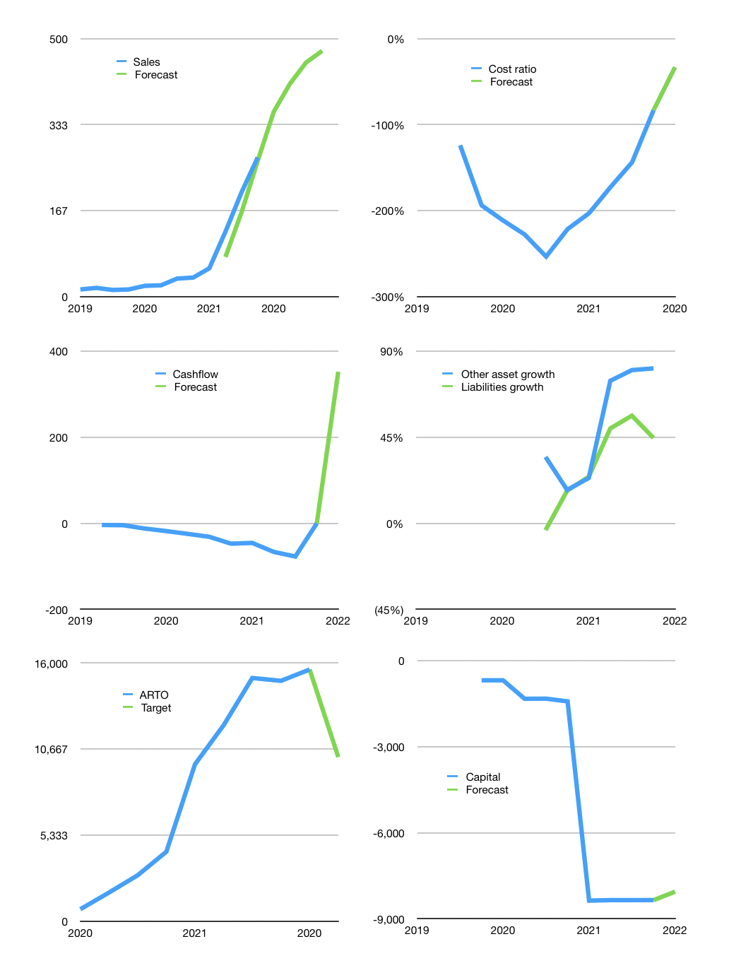
Financial model
Rpbn |  |  |  | 4Q 2022
Cashflow | 68% |  |  | 16%
Growth | 33% | 15% | 10% | 5%
Sales | 359 | 413 | 454 | 476
Cost ratio | -33% | -33% | -33% | -33%
Cash costs | -119 | -119 | -119 | -119
Operating | 240 | 294 | 335 | 358
Investment | -5 | -5 | -5 | -5
Finance | -53 | -70 | -82 | -89
Equity | -53 | -70 | -82 | -89
Before revolver | 181 | 219 | 248 | 264
Revolver | 0 | 0 | 0 | 0
Beginning | 1,419 | 1,600 | 1,818 | 2,066
Change | 181 | 219 | 248 | 264
Ending | 1,600 | 1,818 | 2,066 | 2,329
Profit
Non cash | -62 | -62 | -62 | -62
Profit | 178 | 232 | 273 | 296
Balance sheet
Other assets | 10,960 | 10,965 | 10,971 | 10,976
Depreciation | 123 | 185 | 246 | 308
Net other assets | 10,837 | 10,781 | 10,724 | 10,668
Liabilities | 3,953 | 3,953 | 3,953 | 3,953
Revolver | 0 | 0 | 0 | 0
Equity | 8,484 | 8,646 | 8,837 | 9,044
Check | 0 | 0 | 0 | 0
Valuation
Capital | -8,299 | -8,229 | -8,147 | -8,058
Current value |  |  |  | 216,156,711,419,904
Current value |  |  |  | 216,157
P/assets |  |  |  | 17
Yield |  |  |  | 0%
Cashflow |  |  |  | 1,409
Valuation |  |  |  | 153
Forecast |  |  |  | 100
Value |  |  |  | 140,910
Shares |  |  |  | 14
Target |  |  |  | 10,169
Current |  |  |  | 15,600
V target |  |  |  | -35%
12 month growth |  |  |  | 629%
Sales forecasts |  |  |  | -16%

Share price
Share price
 | ARTO | Target | Previous
2020 | 735
 | 1,770
 | 2,840
 | 4,300
2021 | 9,725
 | 12,150
 | 15,075 |  | 12,390
 | 14,900 |  | 12,390
2020 | 15,600 | 15,600 | 10,636
 |  | 10,169

 | Region 1 | Region 2
April | 17 | 55
May | 26 | 43
June | 53 | 70
July | 96 | 58

