Model
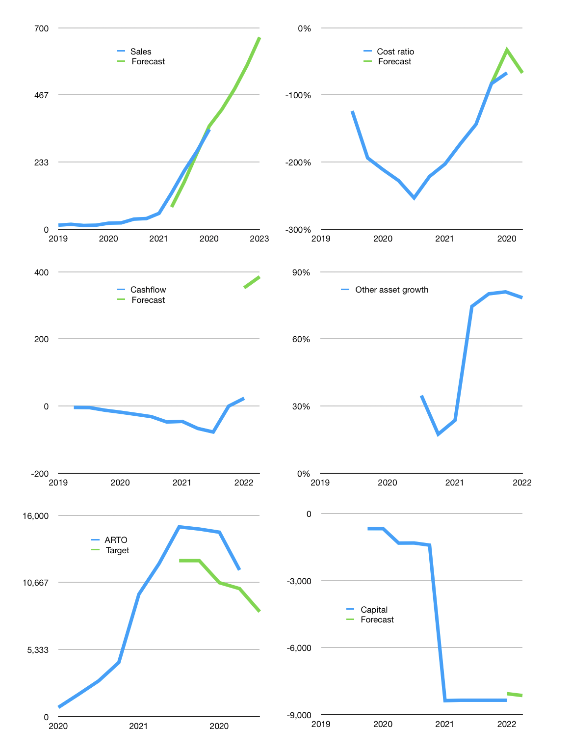
Financial model
Rpbn |  |  | 4Q 2022
Cashflow | 63% |  |  | 18%
Growth | 20% | 17% | 17% | 17%
Sales | 416 | 487 | 570 | 667
Cost ratio | -67% | -67% | -67% | -67%
Cash costs | -280 | -280 | -280 | -280
Operating | 137 | 208 | 290 | 387
Investment | -2 | -2 | -2 | -2
Finance | -17 | -38 | -63 | -92
Payout | 0.3
Equity | -17 | -38 | -63 | -92
Before revolver | 118 | 167 | 225 | 293
Revolver | 0 | 0 | 0 | 0
Beginning | 1,710 | 1,827 | 1,995 | 2,220
Change | 118 | 167 | 225 | 293
Ending | 1,827 | 1,995 | 2,220 | 2,513
Profit
Non cash | -80 | -80 | -80 | -80
Profit | 57 | 128 | 210 | 307
Balance sheet
Other assets | 11,198 | 11,200 | 11,202 | 11,204
Depreciation | 161 | 241 | 321 | 401
Net other assets | 11,037 | 10,959 | 10,881 | 10,803
Liabilities | 4,400 | 4,400 | 4,400 | 4,400
Revolver | 0 | 0 | 0 | 0
Equity | 8,465 | 8,554 | 8,701 | 8,916
Check | 0 | 0 | 0 | 0
Valuation
Capital | -8,335 | -8,297 | -8,234 | -8,141
Current value |  |  |  | 161,424,718,430,208
Current value |  |  |  | 161,425
P/assets |  |  |  | 12
Yield |  |  |  | 0%
Cashflow |  |  |  | 1,541
Valuation |  |  |  | 105
Forecast |  |  |  | 75
Value |  |  |  | 115,571
Shares |  |  |  | 14
Target |  |  |  | 8,341
Current |  |  |  | 11,650
V target |  |  |  | -28%
12 month growth |  |  |  | 531%
Sales forecasts |  |  |  | -7%

Share price
Share price
 | ARTO | Target | Previous
2020 | 735
 | 1,770
 | 2,840
 | 4,300
2021 | 9,725
 | 12,150
 | 15,075 | 12,390
 | 14,900 | 12,390
2020 | 14,650 | 10,636
 | 11,650 | 10,169
 |  | 8,341

 | Region 1 | Region 2
April | 17 | 55
May | 26 | 43
June | 53 | 70
July | 96 | 58

