Model
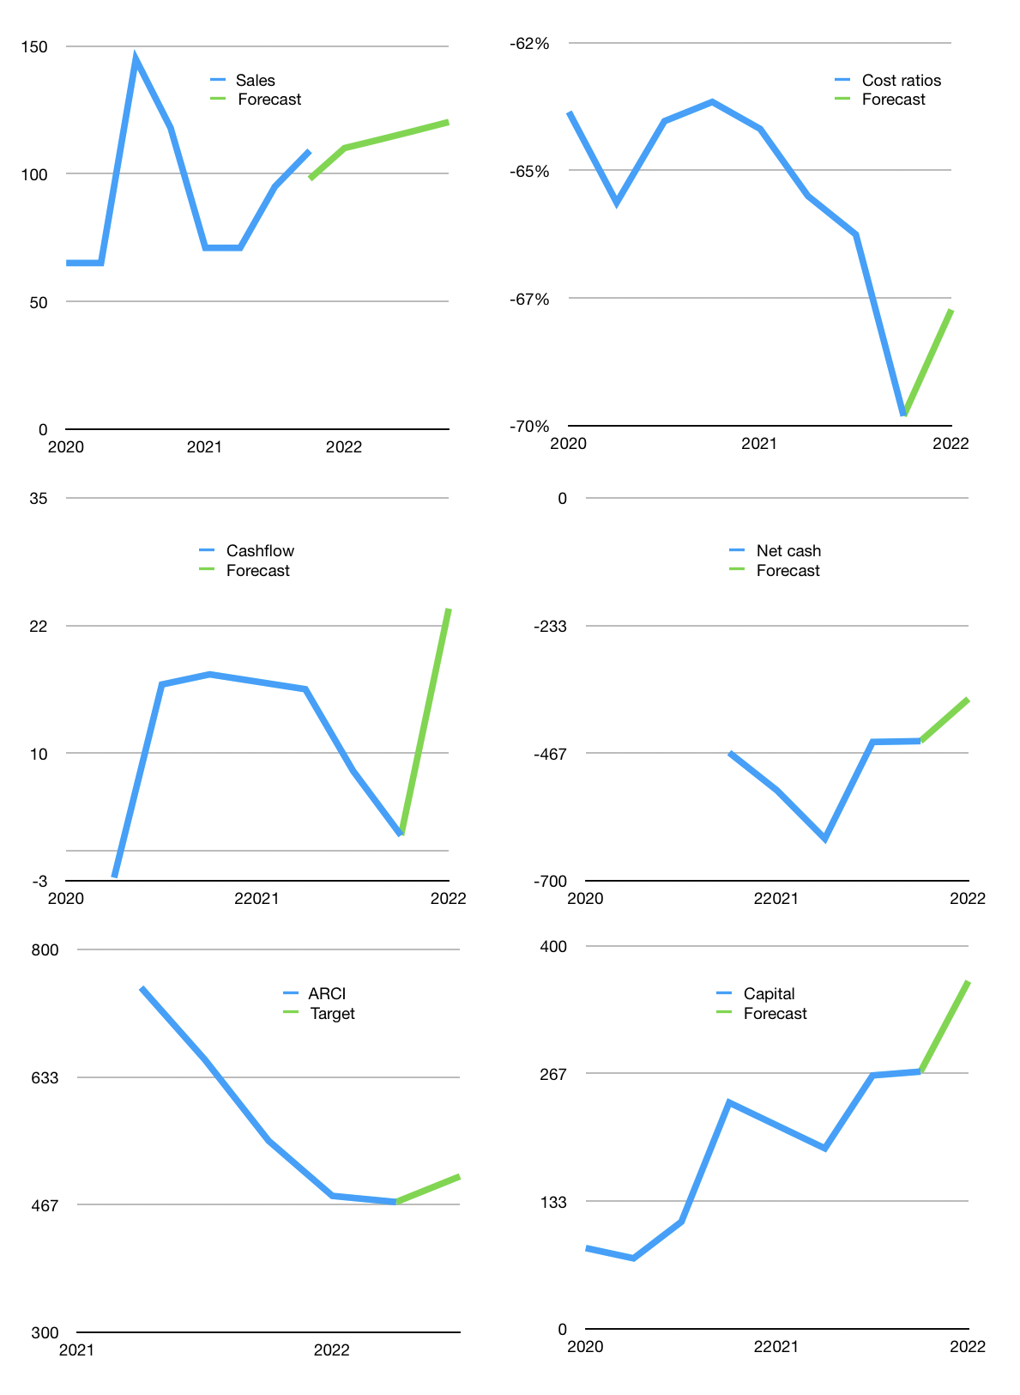
Model
$m |  |  |  | 4Q 2022
Cashflow | 2% |  |  | 3%
Growth | 1% | 3% | 3% | 3%
Sales | 110 | 113 | 117 | 120
Cost ratio | -68% | -68% | -68% | -68%
Cash costs | -74 | -77 | -79 | -81
Non cash costs | -7 | -6.8 | -6.8 | -6.8
Profit | 29 | 30 | 31 | 32
Operating | 36 | 37 | 38 | 39
Investment | -15 | -15 | -15 | -15
Liabilities | -23 | -21.7075 | -20.622125 | -19.59101875
Revolver | 5 | 3 | 1 | -1
Payout | 0.1
Equity | -3 | -2.9963106947 | -3.1066000156 | -3.220198016
Before revolver | -5 | -3 | -1 | 1
Beginning | 12 | 12.1 | 12.1 | 12.1
Change | 0 | 0 | 0 | 0
Ending | 12 | 12.1 | 12.1 | 12.1
Balance sheet
Other assets | 1,076 | 1090.9 | 1105.9 | 1120.9
Depreciation | 390 | 396.6 | 403.4 | 410.2
Liabilities | 434 | 412.4425 | 391.820375 | 372.22935625
Revolver | 5 | 7.9876005895 | 8.8503254493 | 7.6595620548
Equity | 259 | 285.96989941 | 313.92929955 | 342.9110817
Check | 0 | 7.6E-13 | 3E-13 | 5.1E-13
Net cash | -427 | -408.33010059 | -388.57070045 | -367.7889183
Valuation
Rupiah |  |  |  | 14
Capital | 294 | 316.10234063 | 338.96834079 | 362.97032095
Current value |  |  |  | 11672450150400
Current value |  |  |  | 833.74643931
P/assets |  |  |  | 1.15
Yield |  |  |  | 1%
Cashflow |  |  |  | 89
Payback |  |  |  | 7.58927467
Valuation |  |  |  | 9.334017898
Forecast |  |  |  | 10
Value |  |  |  | 893
Shares |  |  |  | 25
Target |  |  |  | 504
Current |  |  |  | 470
V target |  |  |  | 7%
12 month growth |  |  |  | -8%
Sales forecast |  |  |  | -10%

