Model
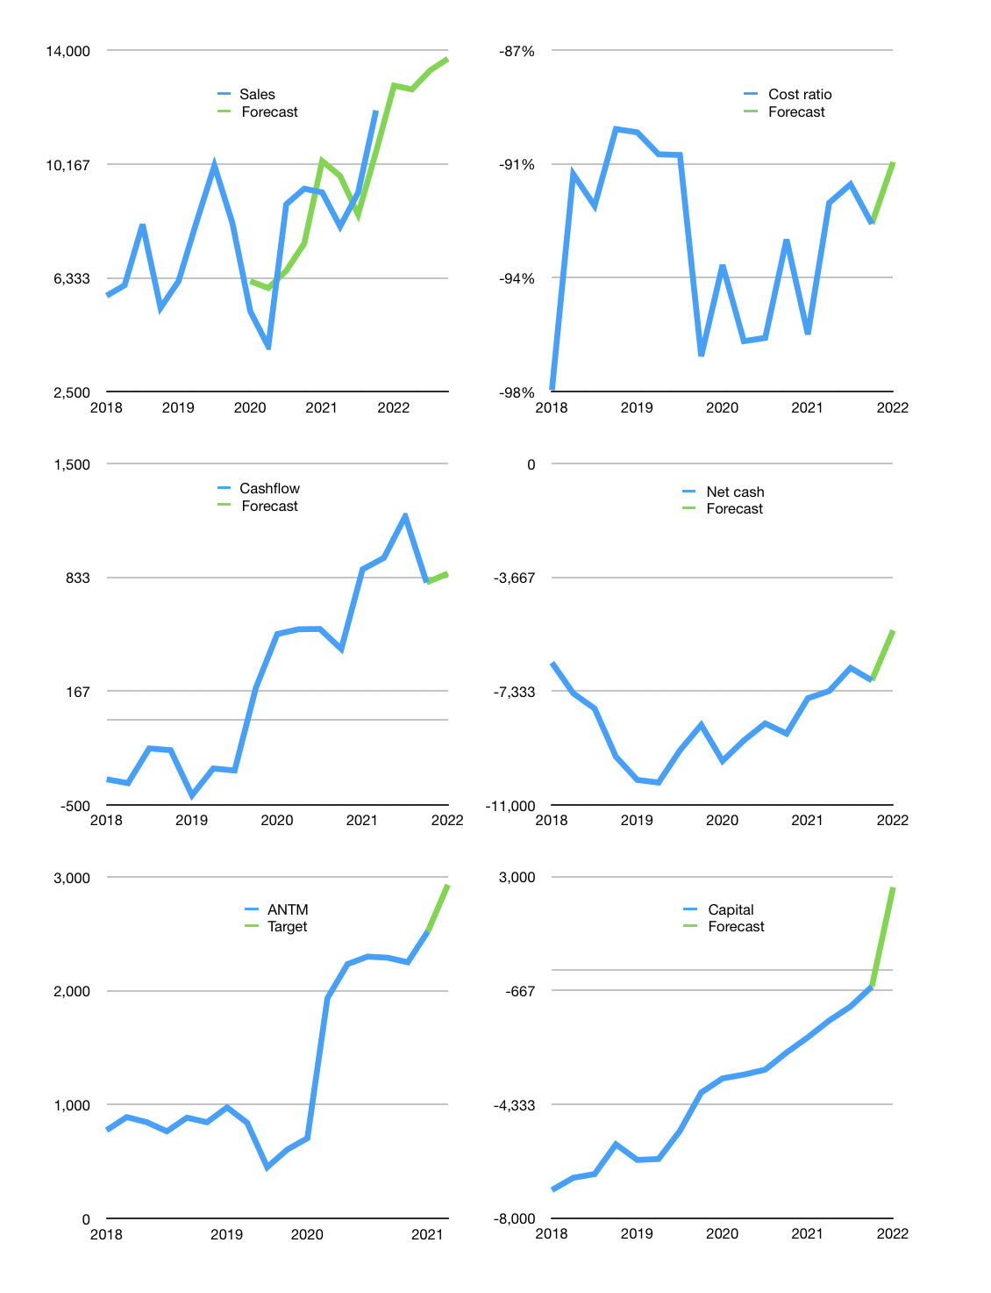
Financial model
Rpbn |  |  |  | 4Q 2022
Cashflow | 8% |  |  | 4%
Growth | 7% | -1% | 5% | 3%
Sales | 12,807 | 12,679 | 13,313 | 13,712
Cash cost ratio | -91% | -91% | -91% | -91%
Cash cost | -11,605 | -11,489 | -12,063 | -12,425
Operating | 1,203 | 1,191 | 1,250 | 1,288
Investment | -432 | -432 | -432 | -432
Finance | -770 | -758 | -818 | -855
Liabilities | -604 | -574 | -545 | -518
Equity | -386 | -381 | -405 | -420
Before revolver | -220 | -197 | -132 | -83
Revolver | 220 | 197 | 132 | 83
Beginning | 5,089 | 5,089 | 5,089 | 5,089
Change | 0 | 0 | 0 | 0
Ending | 5,089 | 5,089 | 5,089 | 5,089
Profit
Non cash costs | -238 | -238 | -238 | -238
Net profit | 965 | 953 | 1,012 | 1,050
Balance sheet
Other assets | 40,682 | 41,115 | 41,547 | 41,980
Depreciation | 12,661 | 12,899 | 13,136 | 13,374
Net other assets | 28,022 | 28,216 | 28,411 | 28,606
Liabilities | 11,475 | 10,901 | 10,356 | 9,838
Revolver | 220 | 416 | 549 | 631
Equity | 21,416 | 21,988 | 22,595 | 23,225
Check | 0 | 0 | 0 | 0
Net cash | -6,606 | -6,229 | -5,816 | -5,381
Valuation
Capital | 225 | 983 | 1,800 | 2,655
Current value |  |  |  | 60,557,615,677,440
Current value |  |  |  | 60,558
P/assets |  |  |  | 1.80
Yield |  |  |  | 2.6%
Cashflow |  |  |  | 3,201
Payback |  |  |  | 9
Valuation |  |  |  | 19
Forecast |  |  |  | 22
Value |  |  |  | 70,423
Shares |  |  |  | 24
Target |  |  |  | 2,931
Current |  |  |  | 2,520
V target |  |  |  | 16%
12 month growth |  |  |  | 28%
Sales forecasts |  |  |  | -10%

Capital
Capital
Rpbn | Liabilities | Equity | Total | Liabilities | Equity | Total
1999 | -5 | -128 | -133 | -5 | -128 | -133
2000 | -132 | -90 | -222 | -138 | -218 | -356
2001 | -118 | -192 | -310 | -256 | -409 | -666
2002 | -91 | -179 | -271 | -348 | -589 | -936
2003 | 1,538 | -66 | 1,473 | 1,191 | -654 | 537
2004 | 157 | -94 | 63 | 1,348 | -748 | 600
2005 | -240 | -258 | -498 | 1,109 | -1,007 | 102
2006 | -668 | -286 | -954 | 441 | -1,293 | -852
2007 | -462 | -621 | -1,083 | -21 | -1,914 | -1,935
2008 | -244 | -2,066 | -2,310 | -265 | -3,980 | -4,245
2009 | -233 | -547 | -780 | -497 | -4,528 | -5,025
2010 | 309 | -242 | 67 | -189 | -4,769 | -4,958
2011 | 2,276 | -673 | 1,602 | 2,087 | -5,443 | -3,356
2012 | 1,639 | -856 | 784 | 3,726 | -6,298 | -2,572
2013 | 1,336 | -449 | 887 | 5,062 | -6,747 | -1,685
2014 | 1,048 | -92 | 956 | 6,111 | -6,840 | -729
2015 | 1,533 | 5,354 | 6,887 | 7,644 | -1,485 | 6,159
2016 | -27 | 0 | -27 | 7,617 | -1,485 | 6,132
2017 | -568 |  | -568 | 7,049 | -1,485 | 5,563
2018 | -572 | -48 | -620 | 6,477 | -1,533 | 4,944
2019 | -1,057 | -306 | -1,363 | 5,420 | -1,839 | 3,580
2020 | -1,087 | -68 | -1,155 | 4,332 | -1,907 | 2,425
2021 | -1,723 | -402 | -2,125 | 2,610 | -2,309 | 300

ANTM RAISED 11 TRILLION RUPIAH 2010 to 2015

