Model
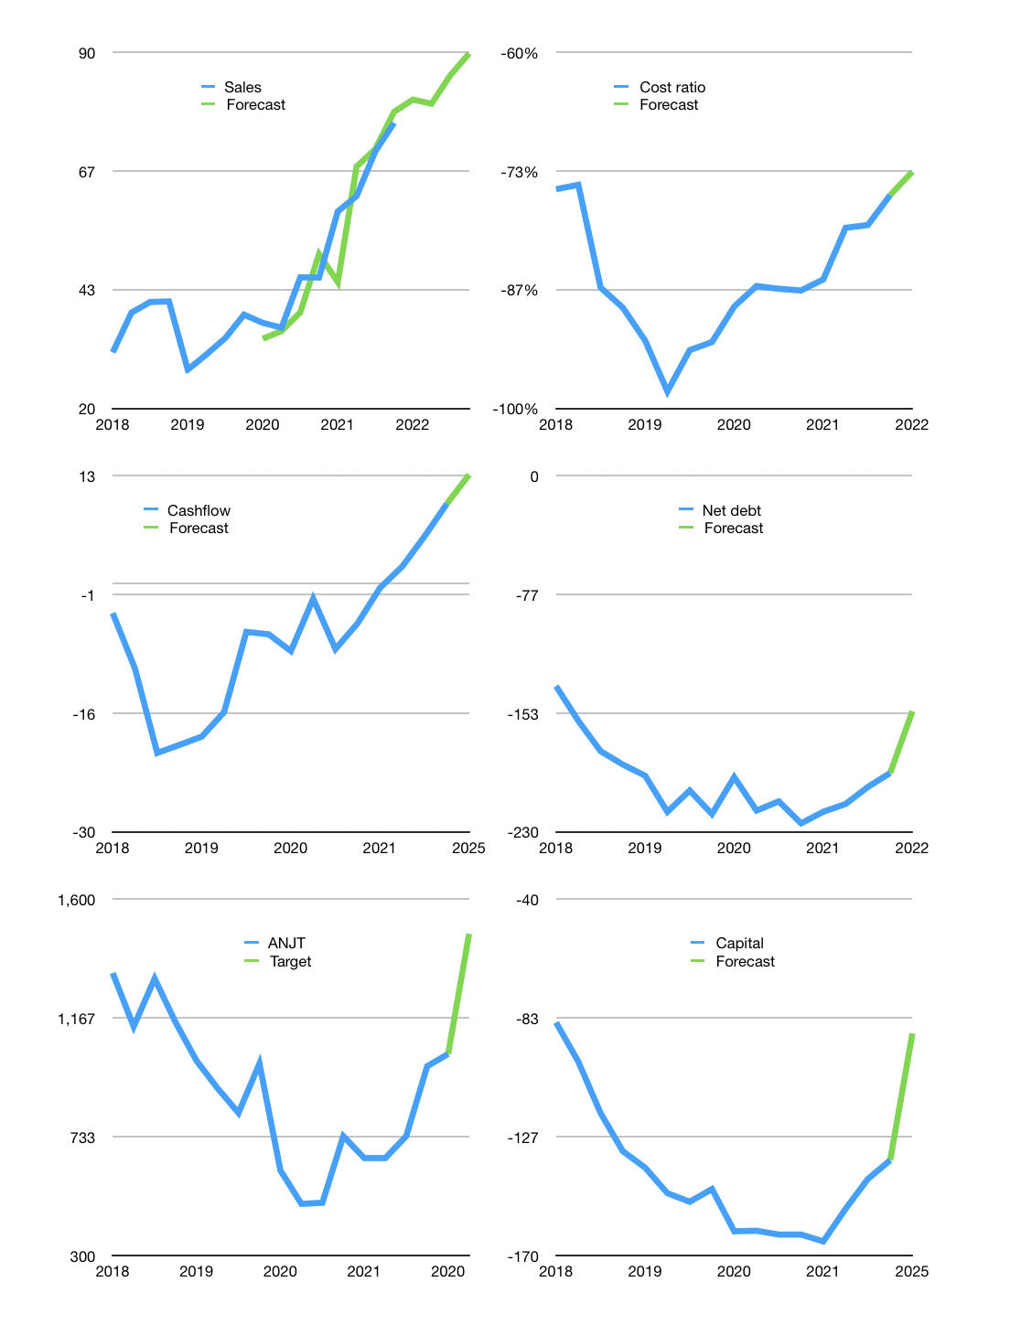
Financial model
$m |  |  |  | 4Q 2022
Cash flow | 14% |  |  | 4%
Growth | 6% | -1% | 7% | 5%
Sales | 80.7 | 79.9 | 85.4 | 89.7
Cost ratio | -73% | -73% | -73% | -73%
Cash costs | -59 | -59 | -63 | -66
Operating | 21 | 21 | 23 | 24
Investment | -11 | -11 | -11 | -11
Finance | -11 | -10 | -12 | -13
Liabilities | -11 | -10 | -10 | -9
Equity | -2 | -1 | -2 | -2
Before revolver | -2 | -1 | 0 | 2
Revolver | 2 | 1 | 0 | -2
Beginning cash | 27 | 27 | 27 | 27
Change | 0 | 0 | 0 | 0
Ending cash | 27 | 27 | 27 | 27
Profit
Non cash costs | -6.2 | -6.2 | -6.2 | -6.2
Net profit | 15.2 | 15.0 | 16.5 | 17.6
Balance sheet
Other assets | 895 | 906 | 916 | 927
Depreciation | 264 | 271 | 277 | 283
Net other assets | 631 | 635 | 640 | 644
Liabilities | 208 | 198 | 188 | 178
Revolver | 2 | 3 | 3 | 1
Equity | 448 | 461 | 476 | 492
Check | 0 | 0 | 0 | 0
Net cash | -183 | -174 | -163 | -152
Valuation
Rupiah |  |  |  | 14
Capital | -125 | -114 | -102 | -89
Current value |  |  |  | 3,643,137,999,360
Current value |  |  |  | 260
P/assets |  |  |  | 0.39
Yield |  |  |  | 2%
Cashflow |  |  |  | 46
Payback |  |  |  | 14
Valuation |  |  |  | 6
Forecast |  |  |  | 8
Value |  |  |  | 371
Shares |  |  |  | 4
Target |  |  |  | 1,474
Current |  |  |  | 1,035
V target |  |  |  | 42%
12 month growth |  |  |  | 66%
Sales v forecasts |  |  |  | -3%

