Model
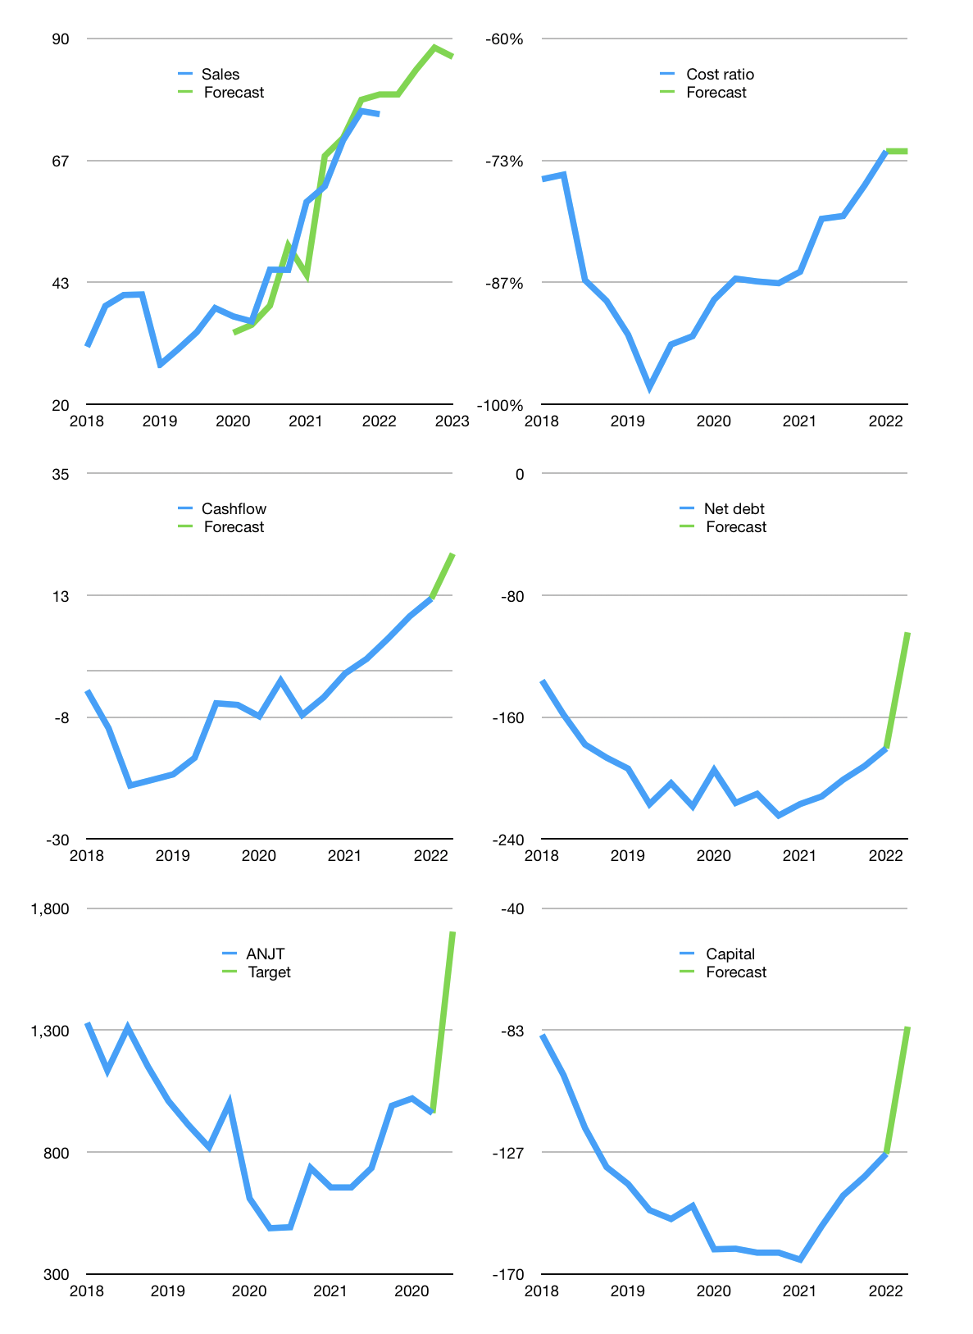
Financial model
$m |  |  | 4Q 2022
Cash flow | 7% |  |  | 4%
Growth | 5% | 6% | 5% | -2%
Sales | 79.3 | 84.0 | 88.2 | 86.5
Cost ratio | -72% | -72% | -72% | -72%
Cash costs | -57 | -61 | -64 | -63
Operating | 22 | 23 | 24 | 24
Investment | -3 | -3 | -3 | -3
Finance | -12 | -12 | -11 | -11
Liabilities | -11 | -10 | -10 | -9
Revolver | 0 | 0 | 0 | 0
Payout | 0.1
Equity | -1 | -1 | -1 | -1
Before revolver | 7 | 9 | 10 | 10
Beginning cash | 39 | 45 | 54 | 64
Change | 7 | 9 | 10 | 10
Ending cash | 45 | 54 | 64 | 74
Profit
Non cash costs | -12.0 | -12.0 | -12.0 | -12.0
Net profit | 9.9 | 11.2 | 12.4 | 11.9
Balance sheet
Other assets | 898 | 901 | 904 | 908
Depreciation | 282 | 294 | 306 | 318
Net other assets | 616 | 607 | 598 | 589
Liabilities | 208 | 198 | 188 | 179
Revolver | 0 | 0 | 0 | 0
Equity | 453 | 463 | 474 | 485
Check | 0 | 0 | 0 | 0
Net cash | -163 | -144 | -124 | -104
Valuation
Rupiah |  |  |  | 14
Capital | -115 | -104 | -93 | -82
Current value |  |  |  | 3,181,795,344,384
Current value |  |  |  | 227
P/assets |  |  |  | 0.34
Yield |  |  |  | 2%
Cashflow |  |  |  | 81
Payback |  |  |  | 8
Valuation |  |  |  | 3
Forecast |  |  |  | 5
Value |  |  |  | 403
Shares |  |  |  | 3
Target |  |  |  | 1,704
Current |  |  |  | 960
V target |  |  |  | 78%
12 month growth |  |  |  | 29%
Sales v forecasts |  |  |  | -2%

Balance sheet
Balance sheet
$m | Cash | Assets | Other assets | Depreciation | Liabilities | Equity | Check | Net debt | Forecast
2015 | 31 | 450 | 419 | 157 | 78 | 373 | 0 | -47
 | 36 | 470 | 434 | 161 | 118 | 351 | 0 | -82
 | 31 | 464 | 433 | 164 | 127 | 336 | 0 | -96
 | 19 | 470 | 451 | 106 | 130 | 340 | 0 | -111
2016 | 18 | 492 | 474 | 172 | 151 | 341 | 0 | -133
 | 18 | 512 | 494 | 176 | 175 | 337 | 0 | -157
 | 22 | 529 | 507 | 180 | 176 | 353 | 0 | -154
 | 17 | 536 | 519 | 173 | 170 | 355 | -11 | -154
2017 | 52 | 566 | 514 | 187 | 190 | 375 | 0 | -138
 | 44 | 563 | 519 | 187 | 197 | 367 | 0 | -153
 | 72 | 588 | 516 | 192 | 202 | 386 | 0 | -130
 | 46 | 574 | 528 | 188 | 174 | 392 | -7 | -128
2018 | 54 | 580 | 526 | 192 | 190 | 390 | 0 | -136
 | 30 | 580 | 550 | 190 | 188 | 391 | 0 | -158
 | 33 | 596 | 563 | 191 | 211 | 385 | 0 | -178
 | 29 | 602 | 573 | 195 | 216 | 386 | 0 | -187
2019 | 33 | 610 | 577 | 199 | 227 | 383 | 0 | -194
 | 16 | 610 | 595 | 204 | 233 | 377 | 0 | -217
 | 42 | 629 | 587 | 205 | 245 | 384 | 0 | -203
 | 19 | 626 | 607 | 204 | 237 | 389 | 0 | -219
2020 | 27 | 580 | 553 | 204 | 221 | 359 | 0 | -195
 | 17 | 619 | 602 | 213 | 233 | 385 | 0 | -216
 | 20 | 612 | 592 | 216 | 230 | 382 | 0 | -210
NOW OLDER & YOUNGER PLANTATIINS ARE DELEVERAGING… LONG WAY TO GO
 | 16 | 636 | 620 | 220 | 240 | 396 | 0 | -225
2021 | 26 | 634 | 608 | 226 | 243 | 391 | 0 | -217
 | 22 | 634 | 612 | 245 | 234 | 400 | 0 | -212
 | 24 | 642 | 618 | 252 | 225 | 417 | 0 | -201
 | 27 | 653 | 626 | 258 | 219 | 434 | 0 | -192
2022 | 39 | 663 | 625 | 270 | 219 | 444 | 0 | -181 | -181
 |  |  |  |  |  |  |  |  | -104

 |  |  |  |  |  |  |  |  |  | Net cash
 |  |  |  |  |  |  |  |  |  |  | LSIP | AALI | SGRO | BWPT | DSNG | SSMS | TAPG | ANJT | PSGO | CSRA | MGRO | PALM | Older net cash Rpbn | Younger
 |  |  |  |  |  |  |  |  |  | 2019 | -370 | -7,375 | -4,800 | -10,519 | -7,358 | -5,045 |  | -2,712 |  |  | -289 |  | -5,454 | -289
 |  |  |  |  |  |  |  |  |  |  | -657 | -7,826 | -5,118 | -10,755 | -7,445 | -5,385 |  | -3,039 |  |  | -422 |  | -5,746 | -422
 |  |  |  |  |  |  |  |  |  |  | -524 | -8,190 | -5,125 | -11,007 | -7,454 | -5,862 |  | -2,847 |  |  | -467 |  | -5,858 | -467
 |  |  |  |  |  |  |  |  |  |  | -595 | -7,613 | -5,147 | -11,152 | -7,619 | -5,575 |  | -3,059 | -1,672 | -877 | -560 |  | -5,823 | -1,036
 |  |  |  |  |  |  |  |  |  | 2020 | -496 | -8,384 | -5,148 | -11,230 | -7,829 | -6,079 |  | -2,726 | -1,802 | -823 | -595 | -193 | -5,984 | -853
 |  |  |  |  |  |  |  |  |  |  | -194 | -6,910 | -5,098 | -11,382 | -7,566 | -5,574 |  | -3,028 | -1,869 | -802 | -654 | -181 | -5,679 | -876
 |  |  |  |  |  |  |  |  |  |  | -194 | -6,974 | -5,180 | -11,585 | -7,458 | -5,987 |  | -2,944 | -1,906 | -782 | -773 | 118 | -5,760 | -836
 |  |  |  |  |  |  |  |  |  |  | 322 | -7,554 | -5,699 | -11,531 | -7,272 | -5,997 | -4,178 | -3,143 | -1,991 | -785 | -784 | -140 | -5,632 | -925
 |  |  |  |  |  |  |  |  |  | 2021 | 543 | -7,010 | -5,237 | -10,286 | -7,251 | -6,087 | -4,060 | -3,038 | -1,952 | -759 | -838 | -102 | -5,303 | -913
 |  |  |  |  |  |  |  |  |  |  | 869 | -6,210 | -5,015 | -10,344 | -7,345 | -6,203 | -4,017 | -2,968 | -2,030 | -733 | -1,024 | -87 | -5,154 | -969
 |  |  |  |  |  |  |  |  |  |  | 997 | -5,240 | -5,353 | -10,499 | -7,124 | -6,032 | -3,649 | -2,814 | -2,015 | -701 | -1,095 | -59 | -4,964 | -967
 |  |  |  |  |  |  |  |  |  |  | 1,689 | -5,333 | -5,021 | -9,883 | -6,265 | -5,910 | -3,370 | -2,688 | -1,940 | -607 | -1,019 | 421 | -4,598 | -786

Capital
Capital
$m | Liabilities | Equity | Total | Liabilities | Equity | Total
2009 | 41 | -3 | 38 | 41 | -3 | 38
2010 | 97 | -11 | 86 | 137 | -14 | 124
2011 | 116 | -6 | 110 | 253 | -19 | 234
2012 | 6 | -265 | -259 | 259 | -284 | -26
2013 | 34 |  | 34 | 292 | -284 | 8
2014 | 26 | -9 | 17 | 319 | -294 | 25
2015 | 60 | -8 | 52 | 379 | -302 | 77
2016 | 28 | -1 | 28 | 407 | -303 | 104
2017 | 1 | -4 | -2 | 408 | -307 | 102
2018 | 63 | -2 | 62 | 472 | -308 | 163
2019 | 13 | 0 | 13 | 484 | -308 | 176
2020 | 16 | 1 | 17 | 500 | -307 | 193
2021 | -26 | -1 | -27 | 473 | -308 | 166 | 13 | 12 | -27.1
 | 36 | -26 | 13 | 500 | -3 |  | 179 | 172 | -379.4
 | 13.3062 | -1.0036 | 12.3026
ANJT CAPITAL AT 166 MILLION DOLLARS RAISED
 |  |  |  |  |  |  |  |  |  | Table 1

 | Liabilities | Equity | Total
2009 | 40.5 | -2.8 | 37.7
2010 | 137.3 | -13.6 | 123.7
2011 | 253 | -19.3 | 233.7
2012 | 258.6 | -284.3 | -25.7
2013 | 292.3 | -284.3 | 8
2014 | 318.682 | -293.762 | 24.92
2015 | 378.659 | -302.112 | 76.547
2016 | 406.907 | -302.662 | 104.245
2017 | 408.36 | -306.562 | 101.798
2018 | 471.66 | -308.302 | 163.358
2019 | 484.238 | -308.18 | 176.058
2020 | 499.838 | -306.98 | 192.858
2021 | 473.438 | -307.68 | 165.758
 | 499.838 | -2.8
 |  |  |  |  |  |  |  |  |  |  | ANJT | capital history
 |  |  |  |  |  |  |  |  |  |  | 2022-03-17
 |  |  |  |  |  |  |  |  |  |  | Start date | 2009
 |  |  |  |  |  |  |  |  |  |  | Number of quarters | 52
 |  |  |  |  |  |  |  |  |  |  | Liabilities | 473 | million dollars | raised
 |  |  |  |  |  |  |  |  |  |  | ANJT | has | raised | liabilities | by an average | 36 | million dollars | every year
 |  |  |  |  |  |  |  |  |  |  | In the last 5 years | liabilities | were | raised | by an average | 13 | million dollars | every year
 |  |  |  |  |  |  |  |  |  |  | The peak in cumulative liabilities | was | 500 | million dollars | in | 2020
 |  |  |  |  |  |  |  |  |  |  | As of the latest quarter | liabilities | cumulative | are | down | to | 473 | million dollars
 |  |  |  |  |  |  |  |  |  |  | Equity | -308 | million dollars | paid
 |  |  |  |  |  |  |  |  |  |  | ANJT | has | paid | equity | by an average | -26 | million dollars | every year
 |  |  |  |  |  |  |  |  |  |  | In the last 5 years | equity | was | paid | by an average | -1 | million dollars | every year
 |  |  |  |  |  |  |  |  |  |  | The peak in cumulative equity | was | -3 | million dollars | in | 2009
 |  |  |  |  |  |  |  |  |  |  | As of the latest quarter | equity | cumulative | is | down | to | -308 | million dollars
 |  |  |  |  |  |  |  |  |  |  | Total capital | 166 | million dollars | raised
 |  |  |  |  |  |  |  |  |  |  | ANJT | has | raised | total capital | by an average | 13 | million dollars | every year
 |  |  |  |  |  |  |  |  |  |  | In the last 5 years | total capital | was | raised | by an average | 12 | million dollars | every year
 |  |  |  |  |  |  |  |  |  |  | The peak in cumulative total capital | was | 0 | million dollars | in | 2011
 |  |  |  |  |  |  |  |  |  |  | As of the latest quarter | total capital | cumulative | is | up | to | 165.758 | million dollars

