Model
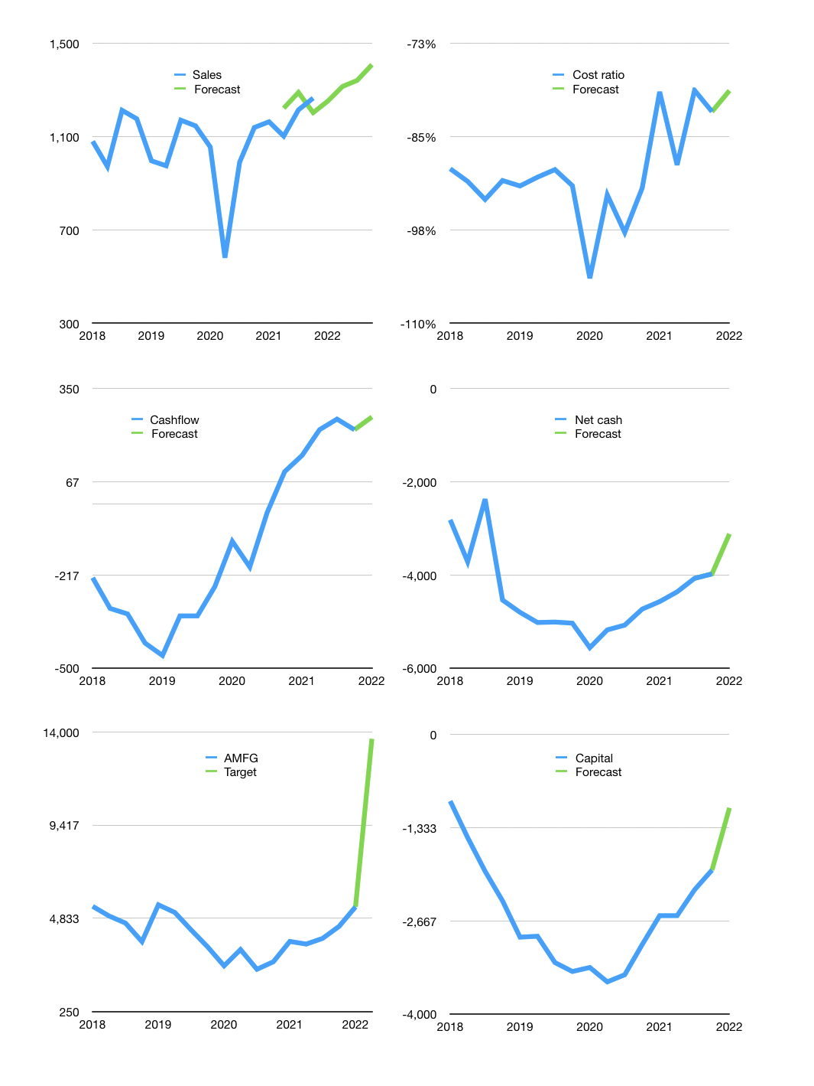
Financial model
Rpbn |  |  |  | 4Q 2022
Cashflow | 3% |  |  | 3%
Growth | -1% | 5% | 2% | 5%
Sales | 1,253 | 1,316 | 1,342 | 1,409
Cost ratio | -79% | -79% | -79% | -79%
Cash costs | -993 | -1,042 | -1,063 | -1,116
Operating | 260 | 273 | 279 | 293
Investment | -20 | -20 | -20 | -20
Leases | -9 | -9 | -9 | -9
Finance | -231 | -244 | -228 | -221
Liabilities | -206 | -195 | -185 | -175
Equity | -36 | -40 | -42 | -46
Before revolver | -11 | 9 | 23 | 42
Revolver | 11 | -9 | -2 | 0
Beginning | 132 | 132 | 132 | 153
Change | 0 | 0 | 21 | 42
End | 132 | 132 | 153 | 196
Profit
Non cash | -139 | -139 | -139 | -139
Profit | 121 | 134 | 140 | 154
Balance sheet
Other assets | 11,485 | 11,506 | 11,526 | 11,547
Depreciation | 4,333 | 4,472 | 4,611 | 4,750
Net other assets | 7,152 | 7,034 | 6,915 | 6,797
Liabilities | 3,896 | 3,692 | 3,499 | 3,315
Revolver | 11 | 2 | 0 | 0
Equity | 3,378 | 3,472 | 3,570 | 3,677
Check | 0 | 0 | 0 | 0
Net cash | -3,775 | -3,562 | -3,346 | -3,119
Valuation
Capital | -1,716 | -1,481 | -1,261 | -1,049
Current value |  |  |  | 2,343,600,000,000
Current value |  |  |  | 2,344
P/assets |  |  |  | 0.34
Yield |  |  |  | 7%
Cashflow |  |  |  | 988
Payback |  |  |  | 7
Valuation |  |  |  | 2
Forecast |  |  |  | 6
Value |  |  |  | 5,930
Shares |  |  |  | 0
Target |  |  |  | 13,663
Current |  |  |  | 5,400
V target |  |  |  | 153%
12 month growth |  |  |  | 11%
Sales forecasts |  |  |  | 4%

Capital
Capital
 | Liabilities | Equity | Total | Liabilities | Equity | Total
2000 |  |  | 0 | 0 | 0 | 0
2001 |  |  | 0 | 0 | 0 | 0
2002 |  |  | 0 | 0 | 0 | 0
2003 |  |  | 0 | 0 | 0 | 0
2004 |  |  | 0 | 0 | 0 | 0
2005 | -161 | -43 | -204 | -161 | -43 | -204
2006 | 116 | -35 | 81 | -45 | -78 | -123
2007 | -123 |  | -123 | -168 | -78 | -246
2008 | -108 | -35 | -143 | -276 | -113 | -389
2009 |  | -17 | -17 | -276 | -130 | -407
2010 |  | -17 | -17 | -276 | -148 | -424
2011 |  | -35 | -35 | -276 | -182 | -459
2012 |  | -35 | -35 | -276 | -217 | -493
2013 |  | -35 | -35 | -276 | -252 | -528
2014 |  | -35 | -35 | -276 | -287 | -563
2015 |  | -35 | -35 | -276 | -321 | -598
2016 | 699 | -35 | 664 | 422 | -356 | 66
2017 | 778 | -35 | 743 | 1,200 | -391 | 809
2018 | 1,650 | -13 | 1,637 | 2,850 | -404 | 2,447
2019 | 1,023 | -13 | 1,010 | 3,873 | -417 | 3,456
2020 | -385 | 0 | -385 | 3,488 | -417 | 3,071
2021 | -1,066 | 0 | -1,066 | 2,422 | -417 | 2,005 | -62%

