Model
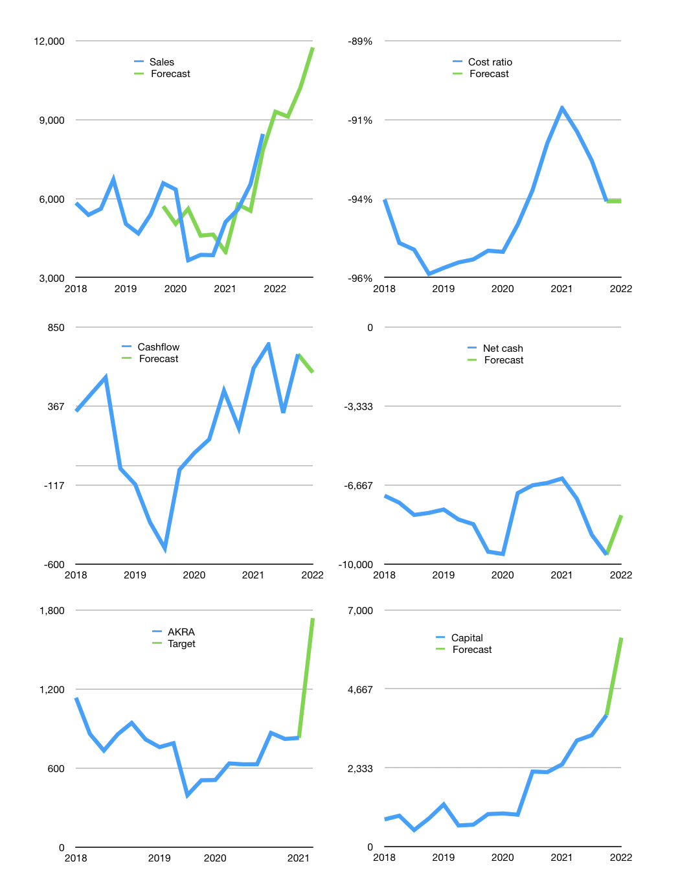
Financial model
Rpbn |  |  |  | 4Q 2022
Cashflow | 22% |  |  | 9%
Growth | 10.0% | -2% | 12% | 15%
Sales | 9,303 | 9,117 | 10,211 | 11,743
Costs ratio | -94% | -94% | -94% | -94%
Cash costs | -8,721 | -8,547 | -9,573 | -11,008
Operating | 582 | 570 | 639 | 734
Investment | -59 | -59 | -59 | -59
Finance | -523 | -511 | -580 | -676
Liabilities | -611 | -580 | -551 | -523
Equity | -142 | -138 | -159 | -187
Before revolver | -229 | -207 | -130 | -35
Revolver | 229 | 207 | 130 | 35
Beginning | 2,600 | 2,600 | 2,600 | 2,600
Change | 0 | 0 | 0 | 0
Ending | 2,600 | 2,600 | 2,600 | 2,600
Profit
Non cash costs | -110 | -110 | -110 | -110
Net profit | 472 | 460 | 529 | 625
Balance sheet
Other assets | 24,644 | 24,702 | 24,761 | 24,820
Depreciation | 3,786 | 3,895 | 4,005 | 4,115
Net other assets | 20,858 | 20,807 | 20,756 | 20,705
Liabilities | 11,600 | 11,020 | 10,469 | 9,945
Revolver | 229 | 436 | 565 | 601
Equity | 11,629 | 11,952 | 12,322 | 12,759
Check | 0 | 0 | 0 | 0
Net cash | -9,229 | -8,855 | -8,434 | -7,946
Valuation
Capital | 4,410 | 4,922 | 5,502 | 6,177
Current value |  |  |  | 16,381,876,531,200
Current value |  |  |  | 16,382
P/assets |  |  |  | 0.70
Yield |  |  |  | 4%
Cashflow |  |  |  | 2,290
Payback |  |  |  | 9
Valuation |  |  |  | 7
Forecast |  |  |  | 15
Value |  |  |  | 34,352
Shares |  |  |  | 20
Target |  |  |  | 1,740
Current |  |  |  | 830
V target |  |  |  | 110%
12 month growth |  |  |  | 120%
Sales forecasts |  |  |  | -3%

