Model
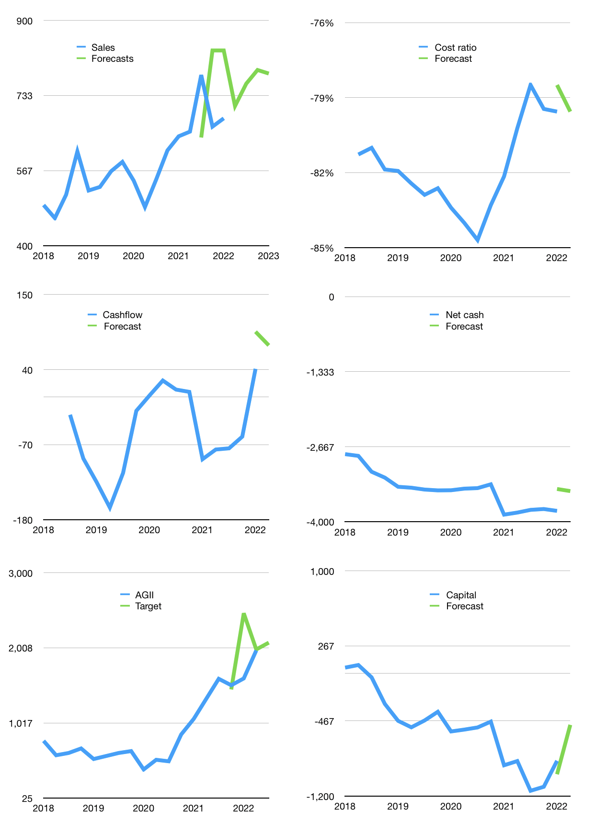
Model
Rpbn |  |  | 4Q 2022
Cashflow | 2% |  |  | 4%
Growth | 4% | 7% | 4% | -1%
Sales | 710 | 760 | 790 | 782
Cost ratio | -80% | -80% | -80% | -80%
Cash costs | -565 | -604 | -629 | -622
Operating | 145 | 155 | 161 | 160
Investment | -68 | -68 | -68 | -68
Leases | -17 | -17 | -17 | -17
Liabilities | -216 | -205 | -195 | -185
Revolver | 139 | 118 | 101 | 93
Payout | 0
Equity | 0 | 0 | 0 | 0
Before revolver | -139 | -118 | -101 | -93
Finance | -78 | -88 | -94 | -92
Beginning | 516 | 516 | 516 | 516
Change | 0 | 0 | 0 | 0
Ending | 516 | 516 | 516 | 516
Profit
Non cash costs | -93 | -93 | -93 | -93
Profit | 52 | 62 | 68 | 67
Balance sheet
Other assets | 9,853 | 9,920 | 9,988 | 10,055
Depreciation | 2,443 | 2,536 | 2,629 | 2,722
Net other assets | 7,409 | 7,384 | 7,358 | 7,333
Liabilities | 4,106 | 3,901 | 3,706 | 3,520
Revolver | 139 | 256 | 357 | 450
Equity | 3,681 | 3,743 | 3,812 | 3,878
Check | 0 | 0 | 0 | 0
Net cash | -3,728 | -3,641 | -3,547 | -3,455
Valuation
Capital | -779 | -692 | -598 | -505
Current value |  |  |  | 6,011,228,563,200
Current value |  |  |  | 6,011
P/assets |  |  |  | 0.77
Yield |  |  |  | 0%
Cashflow |  |  |  | 351
Payback |  |  |  | 21
Valuation |  |  |  | 17
Forecast |  |  |  | 18
Value |  |  |  | 6,324
Shares |  |  |  | 3
Target |  |  |  | 2,078
Current |  |  |  | 1,975
V target |  |  |  | 5%
12 month growth |  |  |  | 6%
Sales forecasts |  |  |  | 9%

