Model
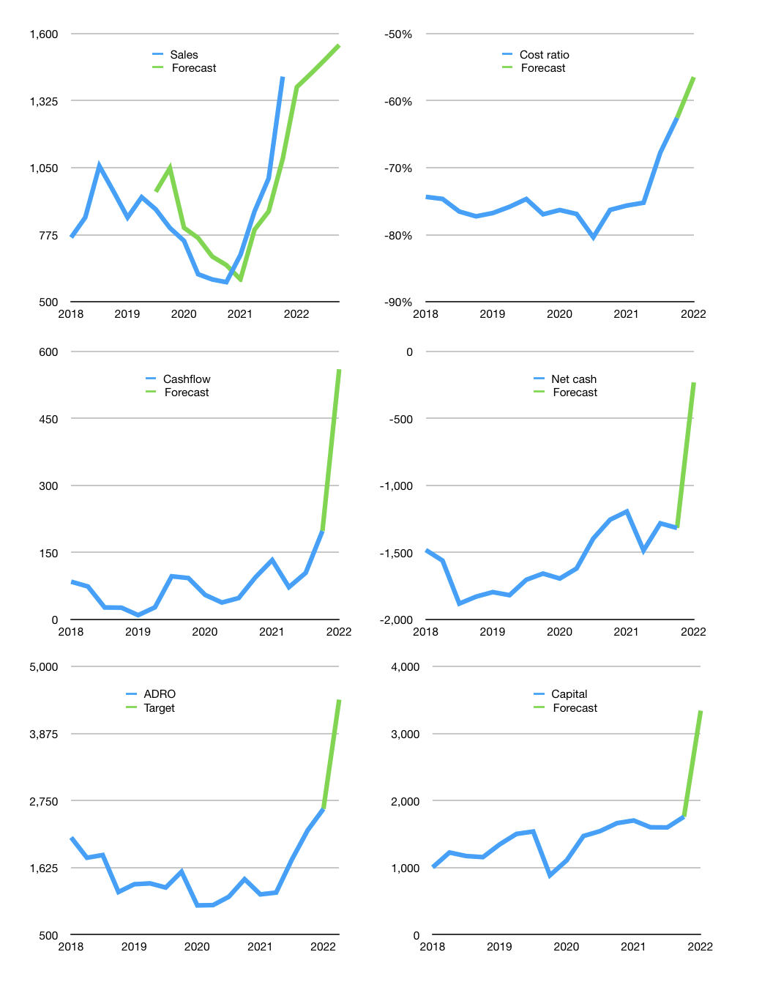
Financial model
$m |  |  |  | 4Q 2022
Cashflow | 26% |  |  | 2%
Growth | -3% | 4% | 4% | 4%
Sales | 1,381 | 1,436 | 1,494 | 1,553
Cost ratio | -56% | -56% | -56% | -56%
Cash costs | -780 | -811 | -844 | -877
Operating | 601 | 625 | 650 | 676
Investment | -116 | -116 | -116 | -116
Leases | -14 | -14 | -14 | -14
Finance | -388 | -393 | -398 | -404
Liabilities | -156 | -149 | -141 | -134
Equity | -232 | -244 | -256 | -269
Before revolver | 1907 | 2024 | 2160 | 2316
Revolver | 0 | 0 | 0 | 0
Beginning | 1,811 | 1,907 | 2,024 | 2,160
Change | 96 | 116 | 136 | 156
Ending | 1,907 | 2,024 | 2,160 | 2,316
Profit
Non Cash costs | -137 | -137 | -137 | -137
Net profit | 464 | 488 | 513 | 539
Balance sheet
Other assets | 10,038 | 10,154 | 10,270 | 10,386
Depreciation | 4,283 | 4,420 | 4,557 | 4,694
Net LT assets | 5,755 | 5,734 | 5,713 | 5,692
Liabilities | 2,972 | 2,824 | 2,682 | 2,548
Revolver | 0 | 0 | 0 | 0
Equity | 4,690 | 4,934 | 5,191 | 5,460
Check | 0 | 0 | 0 | 0
Net cash | -1,065 | -800 | -522 | -232
Valuation
Rupiah |  |  |  | 14
Capital | 2,147 | 2,539 | 2,937 | 3,341
Current value |  |  |  | 83,483,460,370,432
Current value |  |  |  | 5,963
P/assets |  |  |  | 0.74
Yield |  |  |  | 17%
Cashflow |  |  |  | 2,030
Payback |  |  |  | 3
Valuation |  |  |  | 3
Forecast |  |  |  | 8
Value |  |  |  | 15,227
Shares |  |  |  | 32
Target |  |  |  | 6,665
Current |  |  |  | 2,610
V target |  |  |  | 155%
12 month growth |  |  |  | 145%
Sales v forecast |  |  |  | 0%

Capital
Capital
$m | Liabilities | Equity | Total | Liabilities | Equity | Total
2000 |  |  | 0 |  |  | 0
2001 |  |  | 0 |  |  | 0
2002 |  |  | 0 |  |  | 0
2003 |  |  | 0 |  |  | 0
2004 |  |  | 0 |  |  | 0
2005 | 846 | 30 | 876 | 846 | 30 | 876
2006 | 138 | 1 | 139 | 984 | 31 | 1,015
2007 | -240 | 175 | -66 | 744 | 206 | 949
2008 | -22 | 1,114 | 1,092 | 722 | 1,319 | 2,041
2009 | 469 | -69 | 400 | 1,190 | 1,250 | 2,441
2010 | -90 | -96 | -186 | 1,100 | 1,154 | 2,255
2011 | 544 | -150 | 394 | 1,644 | 1,004 | 2,649
2012 | 296 | -226 | 70 | 1,940 | 778 | 2,719
2013 | -214 | -76 | -290 | 1,726 | 702 | 2,429
2014 | -358 | -76 | -434 | 1,368 | 626 | 1,995
2015 | -305 | -78 | -383 | 1,063 | 548 | 1,612
2016 | -119 | 87 | -32 | 944 | 635 | 1,580
2017 | -78 | -175 | -253 | 866 | 460 | 1,327
2018 | -41 | -285 | -326 | 825 | 175 | 1,001
2019 | 533 | -219 | 314 | 1,358 | -44 | 1,315
2020 | -429 | -284 | -713 | 929 | -328 | 602
2021 | 124 | -220 | -96 | 1,053 | -547 | 506

ADRO HASN’T PAID BACK THE CAPITAL YET

