Model
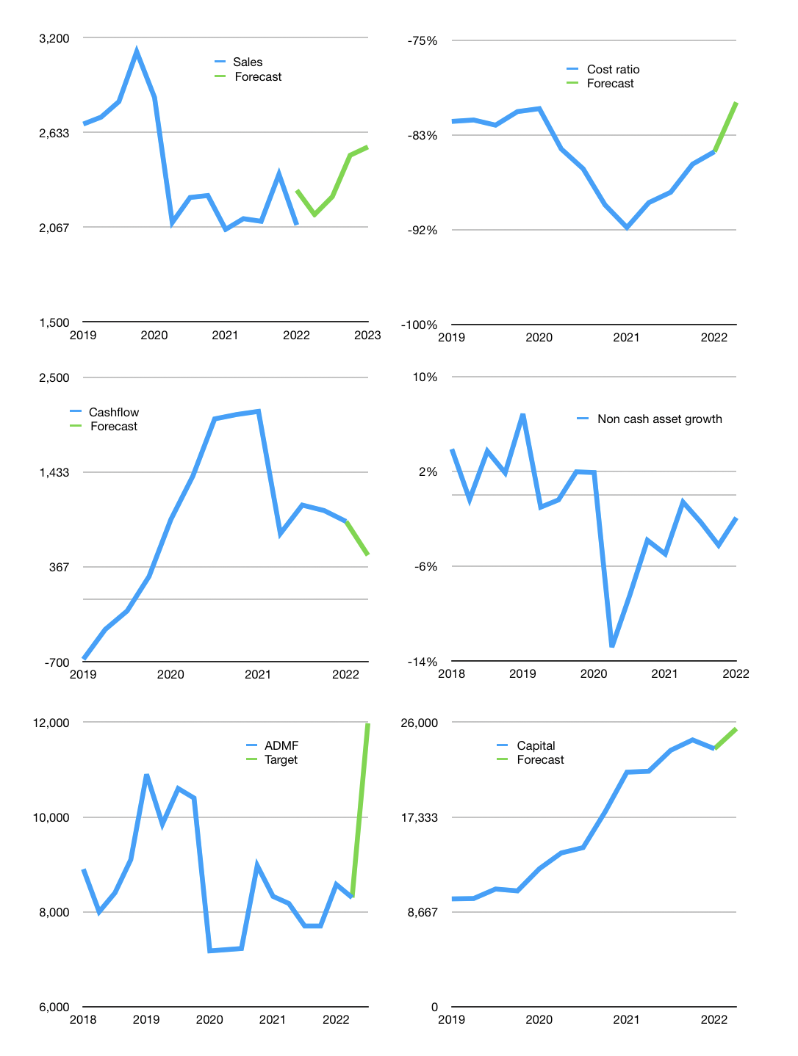
Financial model
Rpbn |  |  | 4Q 2022
Cash flow | 1% |  |  | 5%
Growth | 3% | 5% | 11% | 2%
Sales | 2,141 | 2,248 | 2,496 | 2,546
Cost ratio | -80% | -80% | -80% | -80%
Cash costs | -1,723 | -1,809 | -2,008 | -2,049
Operating | 418 | 439 | 487 | 497
Investment | 0 | 0 | 0 | 0
Finance | -418 | -439 | -488 | -497
Liabilities | -813 | -772 | -734 | -697
Revolver | 518 | 463 | 391 | 347
Payout | 0.3
Equity | -124 | -130 | -144 | -147
Before revolver | -518 | -463 | -391 | -347
Beginning | 3,199 | 3,199 | 3,199 | 3,199
Change | 0 | 0 | 0 | 0
Ending | 3,199 | 3,199 | 3,199 | 3,199
Profit
Non cash costs | -6 | -6 | -6 | -6
Net profit | 412 | 433 | 481 | 491
Balance sheet
Other assets | 22,778 | 22,778 | 22,778 | 22,777
Depreciation | 1,121 | 1,127 | 1,133 | 1,139
Net other assets | 21,657 | 21,651 | 21,645 | 21,638
Liabilities | 15,447 | 14,675 | 13,941 | 13,244
Revolver | 518 | 981 | 1,372 | 1,719
Equity | 8,891 | 9,194 | 9,531 | 9,874
Check | 0 | 0 | 0 | 0
Net cash | -12,766 | -12,457 | -12,114 | -11,764
Valuation
Capital | 23,990 | 24,429 | 24,916 | 25,414
Current value |  |  |  | 8,300,000,000,000
Current value |  |  |  | 8,300
P/assets |  |  |  | 0.33
Yield |  |  |  | 7%
Cashflow |  |  |  | 1,842
Payback |  |  |  | 12
Valuation |  |  |  | 5
Forecast |  |  |  | 6.5
Value |  |  |  | 11,976
Shares |  |  |  | 1
Target price |  |  |  | 11,976
Current |  |  |  | 8,300
V target |  |  |  | 44%
12 month growth |  |  |  | 1%
Sales forecasts |  |  |  | 10%

Balance sheet
Balance sheet
Rpbn | Cash | Assets | Other Assets | Depreciation | Provision | Liabilities | Equity | Check | Non cash asset growth | Net cash | Forecast
2016 | 932 | 26,458 | 25,526 | 459 | 1,076 | 21,860 | 4,598 | 0 |  | -20,928
 |  |  | 0 |  |  |  |  | 0 |  | 0
 | 1,055 | 27,012 | 25,957 | 484 | 1,147 | 22,134 | 4,878 | 0 |  | -21,079
 | 940 | 27,643 | 26,703 | 637 | 1,236 | 22,666 | 4,977 | 0 |  | -21,726
2017 | 1,563 | 27,832 | 26,269 | 501 | 1,260 | 22,563 | 5,269 | 0 |  | -21,001
 | 1,239 | 28,447 | 27,208 | 666 | 1,305 | 23,369 | 5,078 | 0 |  | -22,130
 | 1,176 | 28,256 | 27,080 | 679 | 1,319 | 22,768 | 5,488 | 0 |  | -21,592
 | 2,221 | 29,493 | 27,272 | 691 | 1,348 | 23,748 | 5,745 | 0 |  | -21,527
2018 | 1,462 | 29,788 | 28,326 | 702 | 1,376 | 23,589 | 6,199 | 0 | 4% | -22,127
 | 1,535 | 29,754 | 28,219 | 716 | 1,418 | 23,774 | 5,980 | 0 | 0% | -22,239
 | 1,480 | 30,741 | 29,261 | 733 | 1,424 | 24,290 | 6,451 | 0 | 4% | -22,810
 | 1,690 | 31,496 | 29,806 | 748 | 1,443 | 24,468 | 7,028 | 0 | 2% | -22,778
2019 | 1,352 | 33,196 | 31,844 | 766 | 1,509 | 26,626 | 6,570 | 0 | 7% | -25,274
 | 2,165 | 33,680 | 31,515 | 783 | 1,524 | 26,696 | 6,984 | 0 | -1% | -24,531
 | 1,866 | 33,249 | 31,383 | 799 | 1,550 | 25,818 | 7,431 | 0 | 0% | -23,952
 | 3,123 | 35,117 | 31,994 | 801 | 1,574 | 27,038 | 8,079 | 0 | 2% | -23,915
2020 | 2,199 | 34,798 | 32,599 | 980 | 1,747 | 27,325 | 7,473 | 0 | 2% | -25,126
 | 3,549 | 31,960 | 28,411 | 1,033 | 1,848 | 24,439 | 7,521 | 0 | -13% | -20,890
 | 6,202 | 32,199 | 25,997 | 1,081 | 1,684 | 24,537 | 7,662 | 0 | -8% | -18,335
 | 4,227 | 29,230 | 25,003 | 994 | 1,917 | 21,305 | 7,925 | 0 | -4% | -17,078
2021 | 1,832 | 25,588 | 23,756 | 1,016 | 1,887 | 17,390 | 8,198 | 0 | -5% | -15,558
 | 1,882 | 25,494 | 23,612 | 1,067 | 1,644 | 17,516 | 7,978 | 0 | -1% | -15,634
 | 954 | 24,022 | 23,068 | 1,114 | 1,441 | 15,728 | 8,294 | 0 | -2% | -14,774
 | 1,638 | 23,726 | 22,088 | 1,109 | 1,377 | 14,839 | 8,887 | 0 | -4% | -13,201
2022 | 3,199 | 24,862 | 21,663 | 1,115 | 1,757 | 16,260 | 8,602 | 0 | -2% | -13,061 | -13,061
 |  |  |  |  |  |  |  |  |  |  | -11,764

Capital
Capital
Rpbn | Liabilities | Equity | Total | Liabilities | Equity | Total
2006 | 1,433 | -238 | 1,195 | 1,433 | -238 | 1,195
2007 | 2,331 | -232 | 2,099 | 3,764 | -470 | 3,294
2008 | 3,654 | -280 | 3,374 | 7,418 | -750 | 6,668
2009 | 2,037 | -510 | 1,527 | 9,455 | -1,260 | 8,195
2010 | 9,967 | -243 | 9,724 | 19,422 | -1,503 | 17,919
2011 | 13,172 | -954 | 12,218 | 32,594 | -2,457 | 30,137
2012 | 3,494 | -792 | 2,702 | 36,088 | -3,249 | 32,839
2013 | 1,361 | -709 | 652 | 37,449 | -3,958 | 33,491
2014 | 3,489 | -2,700 | 789 | 40,938 | -6,658 | 34,280
2015 | -2,008 | -396 | -2,404 | 38,930 | -7,054 | 31,876
2016 | -2,244 | -333 | -2,577 | 36,686 | -7,387 | 29,299
2017 | 871 | -505 | 366 | 37,557 | -7,892 | 29,665
2018 | 974 | -705 | 269 | 38,531 | -8,597 | 29,934
2019 | 1,311 | -908 | 403 | 39,842 | -9,505 | 30,337
2020 | -6,162 | -1,054 | -7,216 | 33,680 | -10,559 | 23,121
2021 | -6,075 | -513 | -6,588 | 27,605 | -11,072 | 16,533 | 1,033 | -2,553 | -6588

ADMF HAS RAISED LOTS OF CAPITAL, BUT PAID BACK SOME RECENTLY

