Model
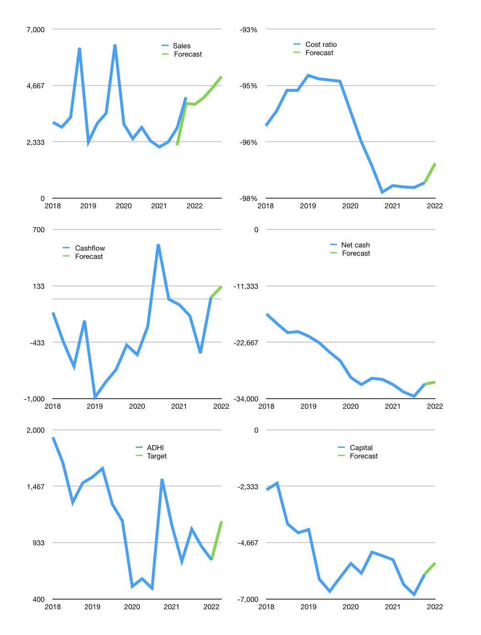
Financial model
Rpbn |  |  |  | 4Q 2022
Cash flow | 17% |  |  | 5%
Growth | -7% | 7% | 10% | 10%
Sales | 3,887 | 4,159 | 4,575 | 5,033
Cost ratio | -97% | -97% | -97% | -97%
Cash costs | -3,769 | -4,033 | -4,437 | -4,880
Operating | 118 | 126 | 139 | 152
Investment | -15 | -15 | -15 | -15
Leases | -11 | -11 | -11 | -11
Finance | -103 | -111 | -124 | -138
Liabilities | -1,712 | -1,626 | -1,545 | -1,468
Equity | -16 | -19 | -23 | -27
Before revolver | -1,625 | -1,534 | -1,444 | -1,357
Revolver | 1,625 | 1,534 | 1,444 | 1,357
Beginning | 3,152 | 3,152 | 3,152 | 3,152
Change | 0 | 0 | 0 | 0
Ending | 3,152 | 3,152 | 3,152 | 3,152
Profit
Non cash costs | -63 | -63 | -63 | -63
Net profit | 54.6 | 62.9 | 75.5 | 89.3
Balance sheet
Other assets | 37,870 | 37,884 | 37,899 | 37,913
Depreciation | 1,170 | 1,233 | 1,296 | 1,359
Net other assets | 36,700 | 36,651 | 36,603 | 36,554
Liabilities | 32,530 | 30,903 | 29,358 | 27,890
Revolver | 1,625 | 3,159 | 4,603 | 5,960
Equity | 5,696 | 5,740 | 5,793 | 5,856
Check | 0 | 0 | 0 | 0
Net cash | -31,003 | -30,911 | -30,809 | -30,698
Valuation
Capital | -5,878 | -5,766 | -5,642 | -5,505
Current value |  |  |  | 2,937,704,000,000
Current value |  |  |  | 2,938
P/assets |  |  |  | 0.07
Yield |  |  |  | 3%
Cashflow |  |  |  | 433
Payback |  |  |  | 85
Valuation |  |  |  | 7
Forecast |  |  |  | 10
Value |  |  |  | 4,332
Shares |  |  |  | 4
Target |  |  |  | 1,136
Current |  |  |  | 770
V target |  |  |  | 47%
12 month growth |  |  |  | 76%
Sales forecasts |  |  |  | -14%

