Model
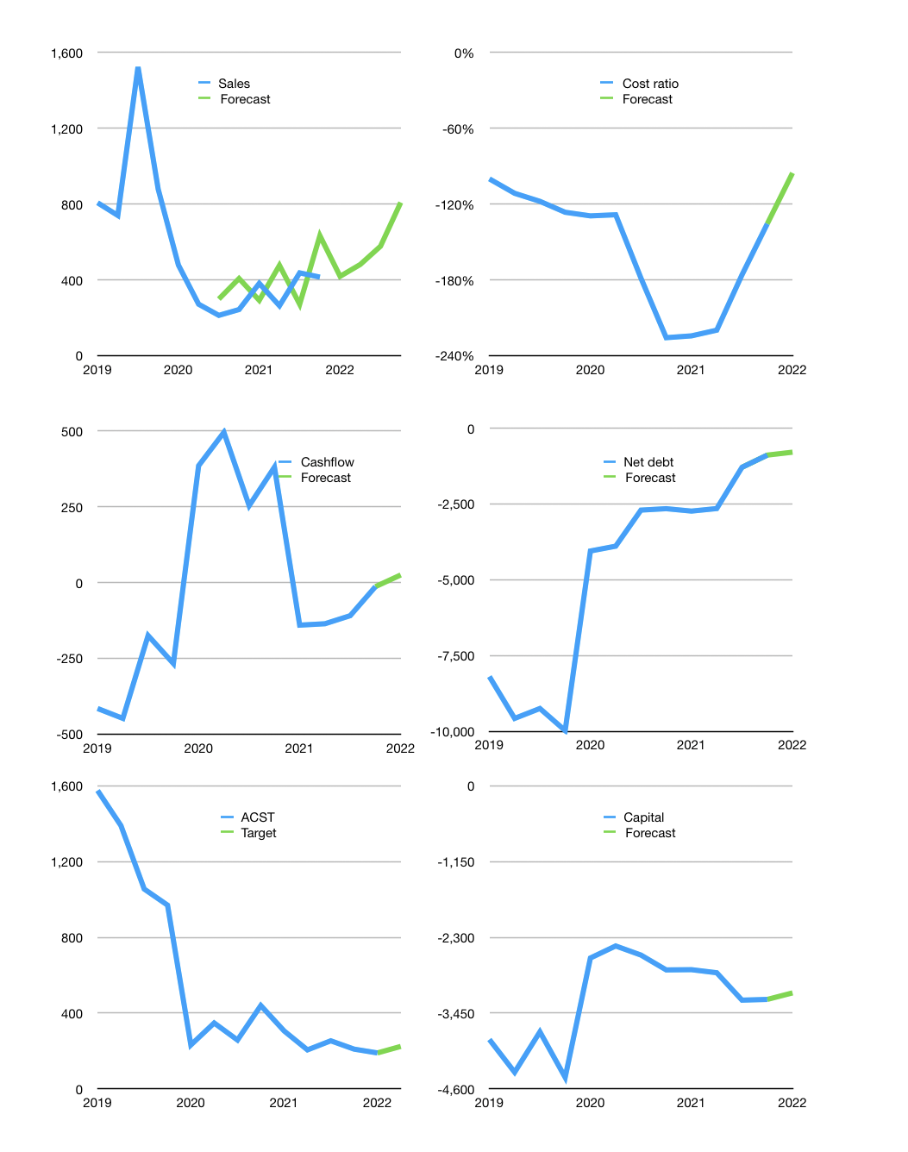
Financial model
Rpbn |  |  |  | 4Q 2022
Cashflow | 22% |  |  | 19%
Growth | 1% | 15% | 20% | 40.0%
Sales | 418 | 481 | 577 | 808
Cost ratio | -95% | -95% | -95% | -95%
Cash costs | -399 | -459 | -551 | -771
Operating | 19 | 22 | 26 | 37
Investment | -1 | -1 | -1 | -1
Finance | -18 | -21 | -25 | -36
Liabilities | -68 | -65 | -62 | -58
Equity | 0 | 0 | 0 | -2
Before revolver | -50 | -44 | -36 | -25
Revolver | 50 | 44 | 36 | 25
Beginning | 472 | 472 | 472 | 472
Change | 0 | 0 | 0 | 0
Ending | 472 | 472 | 472 | 472
Profit
Non cash costs | -30 | -30 | -30 | -30
Net profit | -11 | -8 | -3 | 7
Balance sheet
Other assets | 2,812 | 2,814 | 2,815 | 2,816
Depreciation | 834 | 864 | 893 | 923
Net other assets | 1,979 | 1,950 | 1,922 | 1,893
Liabilities | 1,295 | 1,230 | 1,169 | 1,110
Revolver | 50 | 95 | 131 | 156
Equity | 1,105 | 1,097 | 1,094 | 1,099
Check | 0 | 0 | 0 | 0
Net cash | -873 | -853 | -828 | -794
Valuation
Capital | -3,224 | -3,203 | -3,178 | -3,143
Current value |  |  |  | 2,408
P/assets |  |  |  | 1.02
Yield |  |  |  | 0%
Cashflow |  |  |  | 142
Payback |  |  |  | 14
Valuation |  |  |  | 17
Forecast |  |  |  | 20
Value |  |  |  | 2,843
Shares |  |  |  | 13
Target |  |  |  | 224
Current |  |  |  | 190
V target |  |  |  | 18%
12 month growth |  |  |  | 70%
Sales forecasts |  |  |  | 22%

