Model
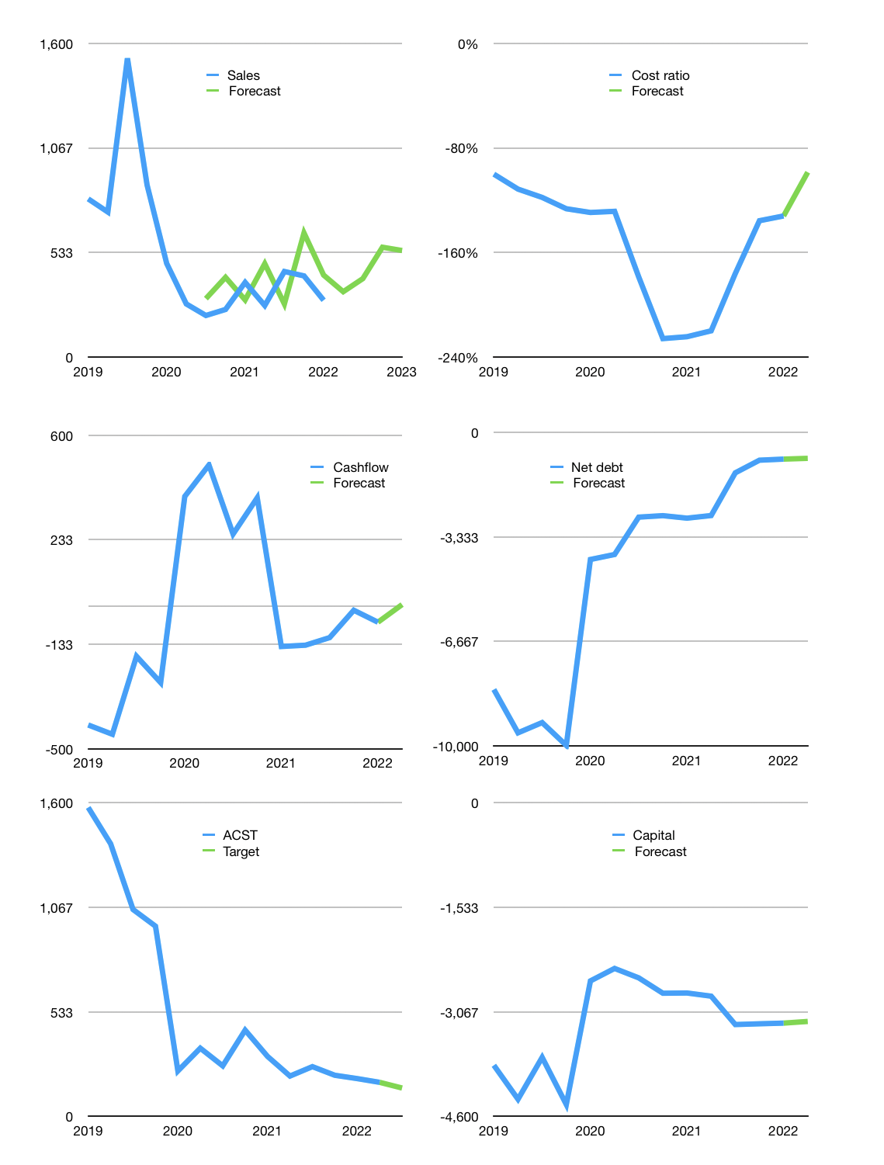
Financial model
Rpbn |  |  | 4Q 2022
Cashflow | 0% |  |  | 18%
Growth | 15% | 20% | 40.0% | -3%
Sales | 334 | 400 | 560 | 543
Cost ratio | -99% | -99% | -99% | -99%
Cash costs | -329 | -395 | -553 | -536
Operating | 5 | 6 | 8 | 7
Investment | 0 | 0 | 0 | 0
Finance | -4 | -5 | -8 | -7
Liabilities | -59 | -56 | -53 | -50
Revolver | 54 | 50 | 45 | 43
Payout | 0.0
Equity | 0 | 0 | 0 | 0
Before revolver | -54 | -50 | -45 | -43
Beginning | 314 | 314 | 314 | 314
Change | 0 | 0 | 0 | 0
Ending | 314 | 314 | 314 | 314
Profit
Non cash costs | -29 | -29 | -29 | -29
Net profit | -24 | -23 | -21 | -22
Balance sheet
Other assets | 2,781 | 2,781 | 2,781 | 2,781
Depreciation | 862 | 891 | 920 | 949
Net other assets | 1,919 | 1,890 | 1,861 | 1,832
Liabilities | 1,112 | 1,056 | 1,003 | 953
Revolver | 54 | 104 | 150 | 192
Equity | 1,067 | 1,043 | 1,022 | 1,000
Check | 0 | 0 | 0 | 0
Net cash | -852 | -847 | -839 | -832
Valuation
Capital | -3,228 | -3,222 | -3,215 | -3,207
Current value |  |  |  | 2,205,484,800,000
Current value |  |  |  | 2,205
P/assets |  |  |  | 1.03
Yield |  |  |  | 0%
Cashflow |  |  |  | 29
Payback |  |  |  | 67
Sales |  |  |  | 1,837
Valuation |  |  |  | 1.2
Forecast |  |  |  | 1
Value |  |  |  | 1,837
Shares |  |  |  | 13
Target |  |  |  | 145
Current |  |  |  | 174
V target |  |  |  | -17%
12 month growth |  |  |  | -24%
Sales forecasts |  |  |  | 25%

