Model
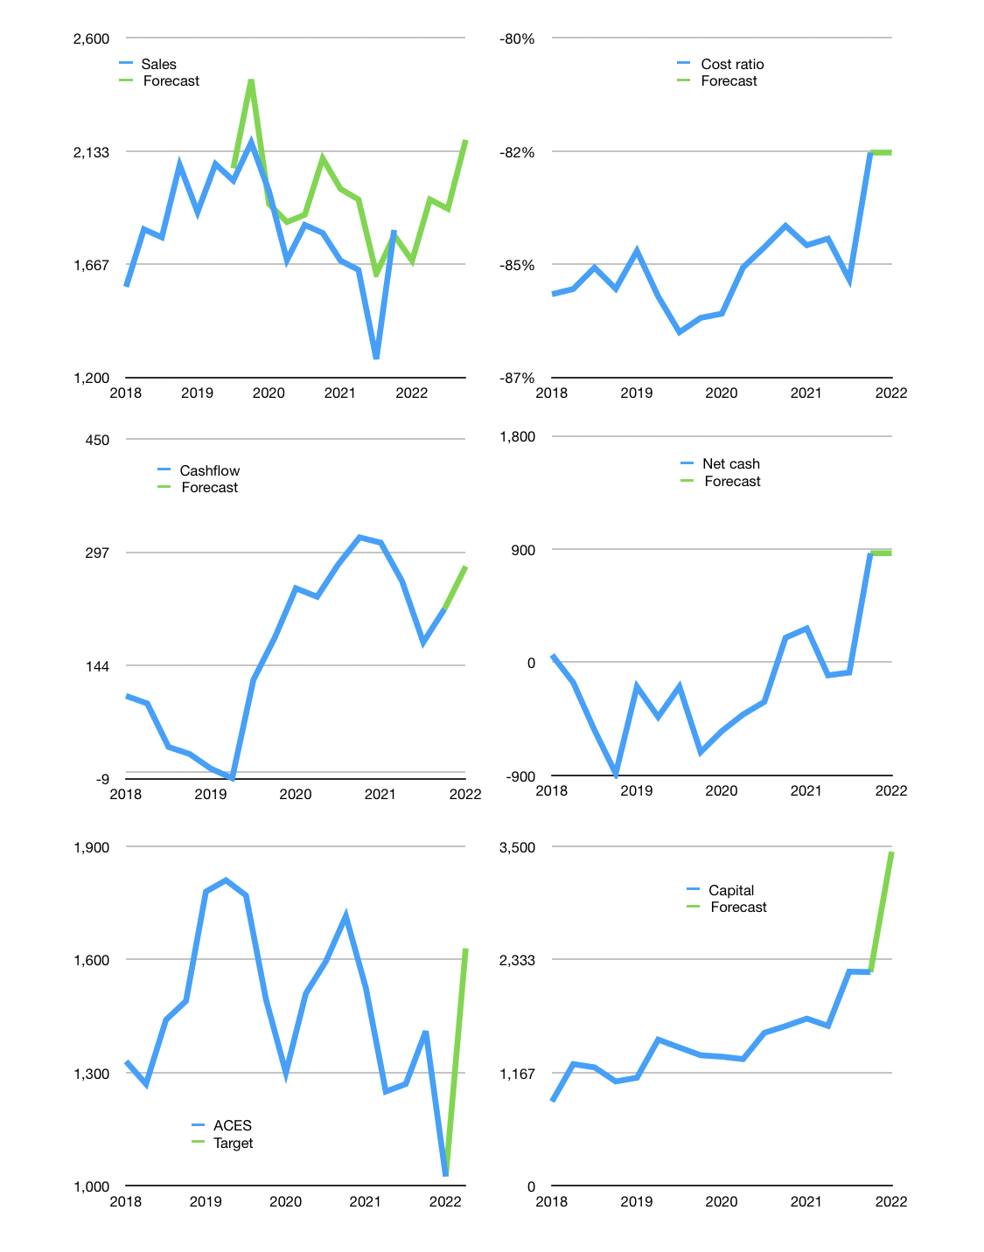
Financial model
Rpbn |  |  |  | 4Q 2022
Cashflow | 3% |  |  | 5%
Growth | -7% | 15% | -2% | 15%
Sales | 1,682 | 1,934 | 1,895 | 2,180
Cost ratio | -82% | -82% | -82% | -82%
Cash costs | -1,385 | -1,593 | -1,561 | -1,795
Operating | 297 | 341 | 334 | 384
Investment | -21 | -21 | -21 | -21
Leases | -85 | -85 | -85 | -85
Finance | -275 | -467 | -387 | -453
Liabilities | -84 | -80 | -76 | -72
Payout | 1.4
Equity | -258 | -321 | -311 | -381
Before revolver | -67 | 2,463 | 2,323 | 2,233
Revolver | 67 | -67 | 0 | 0
Beginning | 2,544 | 2,544 | 2,397 | 2,323
Change | 0 | -147 | -74 | -90
Ending | 2,544 | 2,397 | 2,323 | 2,233
Profit
Non cash costs | -112 | -112 | -112 | -112
Net profit | 185 | 229 | 222 | 272
Balance sheet
Other assets | 6,661 | 6,683 | 6,704 | 6,725
Depreciation | 2,106 | 2,218 | 2,330 | 2,442
Net other assets | 4,555 | 4,465 | 4,374 | 4,283
Liabilities | 1,593 | 1,513 | 1,438 | 1,366
Revolver | 67 | 0 | 0 | 0
Equity | 5,439 | 5,348 | 5,259 | 5,150
Check | 0 | 0 | 0 | 0
Net cash | 884 | 883 | 885 | 867
Valuation
Capital | 2,394 | 2,775 | 3,077 | 3,445
Current value |  |  |  | 17,548,410,393,600
Current value |  |  |  | 17,548
P/assets |  |  |  | 2.69
Yield |  |  |  | 7%
Cashflow |  |  |  | 930
Payback |  |  |  | 5
Valuation |  |  |  | 19
Forecast |  |  |  | 30
Value |  |  |  | 27,899
Shares |  |  |  | 17
Target price |  |  |  | 1,630
Current price |  |  |  | 1,025
V target |  |  |  | 59%
12 month growth |  |  |  | 1%
Sales v forecast |  |  |  | 9%

