Model
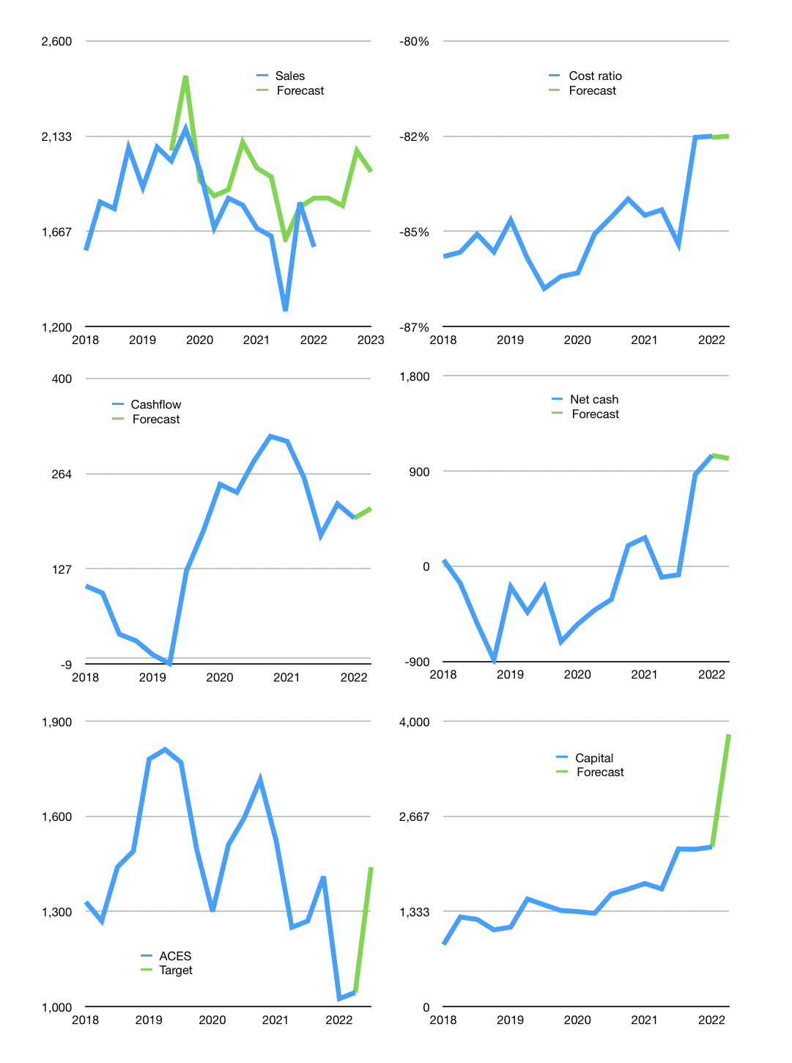
Financial model
Rpbn |  |  | 4Q 2022
Cashflow | 1% |  |  | 6%
Growth | 15% | -2% | 15% | -5%
Sales | 1,830 | 1,793 | 2,062 | 1,959
Cost ratio | -82% | -82% | -82% | -82%
Cash costs | -1,506 | -1,476 | -1,698 | -1,613
Operating | 323 | 317 | 364 | 346
Investment | -26 | -26 | -26 | -26
Leases | -106 | -106 | -106 | -106
Finance | -297 | -451 | -430 | -401
Liabilities | -82 | -78 | -74 | -70
Revolver | 83 | -83 | 0 | 0
Payout | 1.4
Equity | -299 | -289 | -356 | -330
Before revolver | -83 | 2,612 | 2,437 | 2,356
Beginning | 2,689 | 2,689 | 2,529 | 2,437
Change | 0 | -160 | -92 | -81
Ending | 2,689 | 2,529 | 2,437 | 2,356
Profit
Non cash costs | -110 | -110 | -110 | -110
Net profit | 213 | 207 | 254 | 236
Balance sheet
Other assets | 6,644 | 6,670 | 6,696 | 6,722
Depreciation | 2,104 | 2,214 | 2,324 | 2,434
Net other assets | 4,540 | 4,456 | 4,372 | 4,288
Liabilities | 1,560 | 1,482 | 1,408 | 1,337
Revolver | 83 | 0 | 0 | 0
Equity | 5,586 | 5,503 | 5,401 | 5,307
Check | 0 | 0 | 0 | 0
Net cash | 1,045 | 1,047 | 1,029 | 1,019
Valuation
Capital | 2,534 | 2,985 | 3,415 | 3,816
Current value |  |  |  | 17,890,818,392,064
Current value |  |  |  | 17,891
P/assets |  |  |  | 2.69
Yield |  |  |  | 7%
Cashflow |  |  |  | 822
Payback |  |  |  | 6
Valuation |  |  |  | 22
Forecast |  |  |  | 30
Value |  |  |  | 24,646
Shares |  |  |  | 17
Target price |  |  |  | 1,440
Current price |  |  |  | 1,045
V target |  |  |  | 38%
12 month growth |  |  |  | -5%
Sales v forecast |  |  |  | 10%

Capital
Capital
Rpbn | Liabilities | Equity | Total | Liabilities | Equity | Total
2009 | 0 | 35 | 35 | 0 | 35 | 35
2010 | 0 | -16 | -16 | 0 | 19 | 19
2011 | 0 | -73 | -73 | 0 | -54 | -54
2012 | 0 | -8 | -8 | 0 | -62 | -62
2013 | 5 | -206 | -201 | 5 | -268 | -263
2014 | -9 | -102 | -111 | -4 | -370 | -374
2015 | -4 | -293 | -297 | -8 | -663 | -671
2016 | -17 | -263 | -280 | -25 | -926 | -951
2017 | -5 | -281 | -286 | -30 | -1,207 | -1,237
2018 | 115 | -319 | -204 | 85 | -1,526 | -1,441
2019 | -115 | -484 | -599 | -30 | -2,010 | -2,040 | -221.82307692
2020 | 0 | -287 | -287 | -30 | -2,297 | -2,327 | -386.54
2021 | -6 | -550 | -557 | -36 | -2,847 | -2,884 | -556.7

 |  |  |  |  |  |  |  | Table 1-1
ACES -2.9 trillion paid
 |  |  |  |  |  |  |  |  | Market value | IDR17890818392064
 |  |  |  |  |  |  |  |  | ACES | capital history | -3% | of market value | paid in the last 12 months.
 |  |  |  |  |  |  |  |  | 2022-03-31
 |  |  |  |  |  |  |  |  | Start date | 2009
 |  |  |  |  |  |  |  |  | Number of quarters | 52
 |  |  |  |  |  |  |  |  | Market value Rpbn | 17,891
 |  |  |  |  |  |  |  |  | Liabilities | -36 | billion rupiah | paid
 |  |  |  |  |  |  |  |  | ACES | has | paid | liabilities | by an average | -3 | billion rupiah | every year | 0% | of market value
 |  |  |  |  |  |  |  |  | In the last 5 years | liabilities | were | paid | by an average | -2 | billion rupiah | every year | 0% | of market value
 |  |  |  |  |  |  |  |  | The peak in cumulative liabilities | was | 85 | billion rupiah | in | 2018
 |  |  |  |  |  |  |  |  | As of the latest quarter | liabilities | cumulative | are | down | to | -36 | billion rupiah
 |  |  |  |  |  |  |  |  | Equity | -2,847 | billion rupiah | paid
 |  |  |  |  |  |  |  |  | ACES | has | paid | equity | by an average | -219 | billion rupiah | every year | -1% | of market value
 |  |  |  |  |  |  |  |  | In the last 5 years | equity | was | paid | by an average | -384 | billion rupiah | every year | -2% | of market value
 |  |  |  |  |  |  |  |  | The peak in cumulative equity | was | 35 | billion rupiah | in | 2009
 |  |  |  |  |  |  |  |  | As of the latest quarter | equity | cumulative | is | down | to | -2,847 | billion rupiah
 |  |  |  |  |  |  |  |  | Total capital | -2,884 | billion rupiah | paid
 |  |  |  |  |  |  |  |  | ACES | has | paid | total capital | by an average | -222 | billion rupiah | every year | -1% | of market value
 |  |  |  |  |  |  |  |  | In the last 5 years | total capital | was | paid | by an average | -387 | billion rupiah | every year | -2% | of market value
 |  |  |  |  |  |  |  |  | The peak in cumulative total capital | was | 35 | billion rupiah | in | 2009
 |  |  |  |  |  |  |  |  | As of the latest quarter | total capital | cumulative | is | down | to | -2883.7 | billion rupiah | -3% | of market value | paid in the last 12 months.

