Model
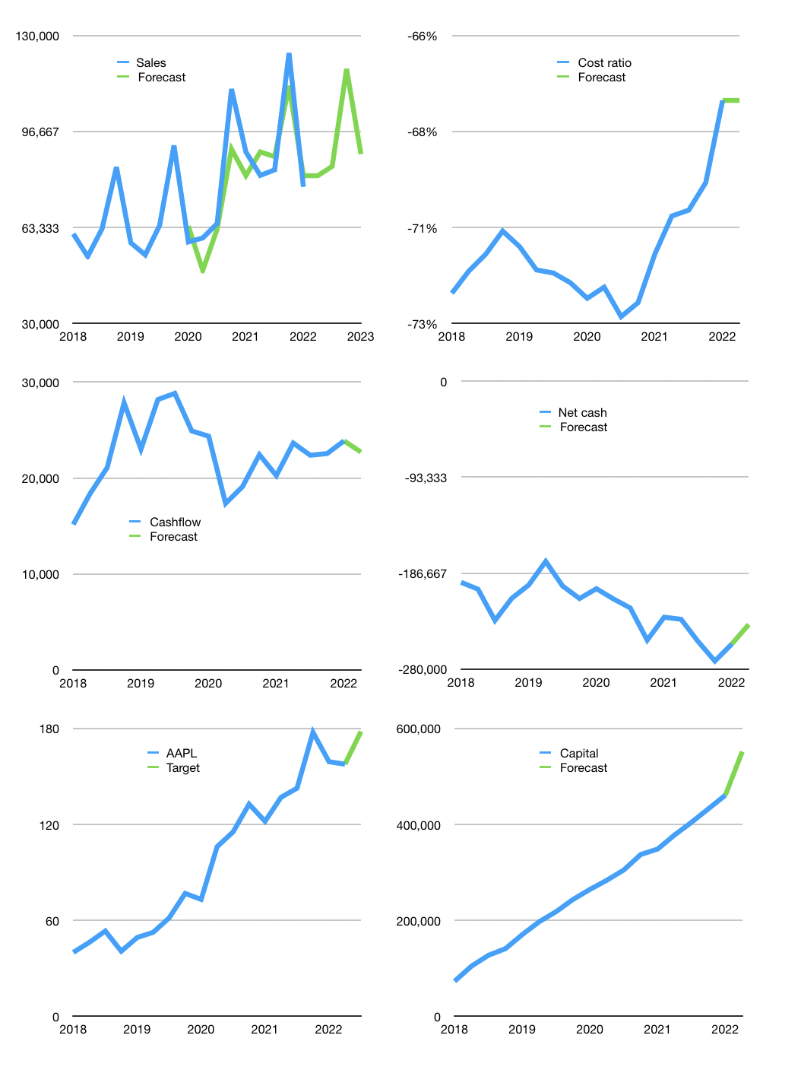
Financial model
$m |  |  |  | 4Q 2022
Cashflow | 1% |  |  | 6%
Growth | 5% | 4% | 40% | -25%
Sales | 81,330 | 84,583 | 118,416 | 88,812
Cost ratio | -68% | -72% | -71% | -70%
Cash costs | -54,960 | -60,915 | -84,459 | -62,203
Operating | 26,369 | 23,668 | 33,957 | 26,609
Investment | -4,944 | -4,944 | -4,944 | -4,944
Finance | -21,426 | -18,724 | -29,013 | -21,665
Liabilities | -14,163 | -13,455 | -12,782 | -12,143
Revolver | 9,667 | 9,499 | 6,768 | 7,599
Payout | 0.8
Equity | -16,929 | -14,768 | -22,999 | -17,121
Before revolver | -9,667 | -9,499 | -6,768 | -7,599
Beginning | 27,666 | 27,666 | 27,666 | 27,666
Change | 0 | 0 | 0 | 0
Ending | 27,666 | 27,666 | 27,666 | 27,666
Profit
Non cash costs | -5,208 | -5,208 | -5,208 | -5,208
Net profit | 21,161 | 18,460 | 28,749 | 21,401
Balance sheet
Other assets | 427,725 | 432,669 | 437,612 | 442,556
Depreciation | 104,993 | 110,201 | 115,409 | 120,617
Net other assets | 322,732 | 322,468 | 322,203 | 321,939
Liabilities | 269,100 | 255,645 | 242,863 | 230,719
Revolver | 9,667 | 19,165 | 25,934 | 33,532
Equity | 71,631 | 75,323 | 81,073 | 85,353
Check | 0 | 0 | 0 | 0
Net cash | -251,100 | -247,144 | -241,130 | -236,586
Valuation
Capital | 482,372 | 501,096 | 530,109 | 551,774
Current value |  |  |  | 2,572,753,305,600
Current value |  |  |  | 2,572,753
P/assets |  |  |  | 7.4
Yield |  |  |  | 3%
Cashflow |  |  |  | 90,828
Payback |  |  |  | 4
Valuation |  |  |  | 28
Forecast |  |  |  | 32
Value |  |  |  | 2,906,498
Shares |  |  |  | 16,319
Target |  |  |  | 178
Current |  |  |  | 158
V target |  |  |  | 13%
12 month growth |  |  |  | -14%
Sales forecast |  |  |  | -4%

